RAB8B _multivariate
Reported by Tex Li-Hsing Chi. tex@gate.sinica.edu.tw 2019-08-16

Table 2. The clinicopathological features of HNSCC cohort and RAB8B expression. (Chi square test)
Cutoff at -0.174 (50.0%)
 |  | RAB8B expression |  | RAB8B expression |  | (Optimised)
 | Features | Low | (%) | High | (%) | Case no | P-value | Remark | Matthews
Gender | Female | 162 | 39 | 144 | 34.7 | 415 | 0.0479 | 1 | 0
2 | Male | 45 | 10.8 | 64 | 15.4
Age at diagnosis | <=65y | 137 | 33 | 137 | 33 | 415 | 1 | 0 | 0
4 | >65y | 70 | 16.9 | 71 | 17.1
Clinical T Status | T1+T2 | 74 | 17.8 | 75 | 18.1 | 415 | 1 | 0 | 0
6 | T3+T4 | 133 | 32 | 133 | 32
Clinical N Status | N0 | 109 | 26.3 | 107 | 25.8 | 415 | 0.8812 | 0 | 0
8 | N1-3 | 98 | 23.6 | 101 | 24.3
Clinical M Status | M0 | 204 | 49.2 | 208 | 50.1 | 415 | 0.1232 | 0 | 0
10 | M1 | 3 | 0.7 | 0 | 0
Clinical Stage | Stage I+II | 47 | 11.3 | 55 | 13.3 | 415 | 0.4413 | 0 | 0
12 | Stage III+IV | 160 | 38.6 | 153 | 36.9
Surgical Margin status | Negative | 155 | 37.3 | 163 | 39.3 | 415 | 0.4187 | 0 | 0
14 | Positive | 52 | 12.5 | 45 | 10.8
Tobacco Exposure | Low | 71 | 17.1 | 90 | 21.7 | 415 | 0.0698 | 0 | 0
16 | High | 136 | 32.8 | 118 | 28.4

Table 3. Univariate/Multivariate Cox's proportional hazards regression analyses on OS time of RAB8B gene expression in HNSCC

 |  | Univariate |  |  |  | Multivariate
 | Features | HR | CI95%(L) | CI95%(H) | P-value | HR | CI95%(L) | CI95%(H) | P-value
1 | Female | 1 |  |  |  | 1
Gender | Male | 1.157 | 0.843 | 1.587 | 0.367 | 1.207 | 0.863 | 1.687 | 0.272
11 | <=65y | 1 |  |  |  | 1
Age at diagnosis | >65y | 1.329 | 0.99 | 1.784 | 0.058 | 1.388 | 1.02 | 1.887 | 0.037
12 | T1+T2 | 1 |  |  |  | 1
Clinical T Status | T3+T4 | 1.409 | 1.028 | 1.931 | 0.033 | 2.208 | 1.168 | 4.176 | 0.015
13 | N0 | 1 |  |  |  | 1
Clinical N Status | N1-3 | 1.185 | 0.89 | 1.577 | 0.246 | 1.24 | 0.869 | 1.768 | 0.236
14 | M0 | 1 |  |  |  | 1
Clinical M Status | M1 | 4.097 | 1.009 | 16.644 | 0.049 | 9.192 | 1.996 | 42.339 | 0.004
15 | Stage I+II | 1 |  |  |  | 1
Clinical Stage | Stage III+IV | 1.245 | 0.882 | 1.759 | 0.213 | 0.501 | 0.233 | 1.075 | 0.076
16 | Negative | 1 |  |  |  | 1
Surgical Margin status | Positive | 1.591 | 1.155 | 2.191 | 0.004 | 1.672 | 1.21 | 2.311 | 0.002
17 | Low | 1 |  |  |  | 1
Tobacco Exposure | High | 1.364 | 1.008 | 1.844 | 0.044 | 1.444 | 1.046 | 1.993 | 0.026
18 | Low | 1 |  |  |  | 1
RNAseq(z-score) | High | 0.872 | 0.654 | 1.162 | 0.351 | 0.946 | 0.705 | 1.269 | 0.711

Table 4. Univariate/Multivariate Cox's proportional hazards regression analyses on RFS time of RAB8B gene expression in HNSCC

 |  | Univariate |  |  |  | Multivariate
 | Features | HR | CI95%(L) | CI95%(H) | P-value | HR | CI95%(L) | CI95%(H) | P-value
1 | Female | 1 |  |  |  | 1
Gender | Male | 1.157 | 0.843 | 1.587 | 0.367 | 1.207 | 0.863 | 1.687 | 0.272
11 | <=65y | 1 |  |  |  | 1
Age at diagnosis | >65y | 1.329 | 0.99 | 1.784 | 0.058 | 1.388 | 1.02 | 1.887 | 0.037
12 | T1+T2 | 1 |  |  |  | 1
Clinical T Status | T3+T4 | 1.409 | 1.028 | 1.931 | 0.033 | 2.208 | 1.168 | 4.176 | 0.015
13 | N0 | 1 |  |  |  | 1
Clinical N Status | N1-3 | 1.185 | 0.89 | 1.577 | 0.246 | 1.24 | 0.869 | 1.768 | 0.236
14 | M0 | 1 |  |  |  | 1
Clinical M Status | M1 | 4.097 | 1.009 | 16.644 | 0.049 | 9.192 | 1.996 | 42.339 | 0.004
15 | Stage I+II | 1 |  |  |  | 1
Clinical Stage | Stage III+IV | 1.245 | 0.882 | 1.759 | 0.213 | 0.501 | 0.233 | 1.075 | 0.076
16 | Negative | 1 |  |  |  | 1
Surgical Margin status | Positive | 1.591 | 1.155 | 2.191 | 0.004 | 1.672 | 1.21 | 2.311 | 0.002
17 | Low | 1 |  |  |  | 1
Tobacco Exposure | High | 1.364 | 1.008 | 1.844 | 0.044 | 1.444 | 1.046 | 1.993 | 0.026
18 | Low | 1 |  |  |  | 1
RNAseq(z-score) | High | 0.872 | 0.654 | 1.162 | 0.351 | 0.946 | 0.705 | 1.269 | 0.711

Kaplan-Meier survival estimate: Cutoff at -0.174 (50.0%)



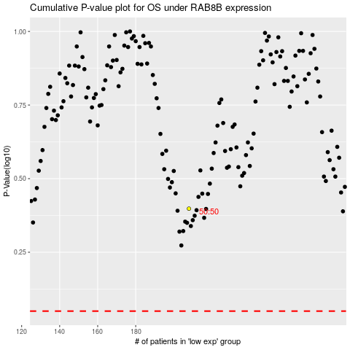

 |  |  |  |  |  | cases_OS | p_OS | rank | exp
 |  |  |  |  |  |  | cases_RFS | p_RFS | rank | exp

