RAB9A _multivariate
Reported by Tex Li-Hsing Chi. tex@gate.sinica.edu.tw 2019-08-16

Table 2. The clinicopathological features of HNSCC cohort and RAB9A expression. (Chi square test)
Cutoff at -0.23 (50.0%)
 |  | RAB9A expression |  | RAB9A expression |  | (Optimised)
 | Features | Low | (%) | High | (%) | Case no | P-value | Remark | Matthews
Gender | Female | 163 | 39.3 | 143 | 34.5 | 415 | 0.0277 | 1 | 0
2 | Male | 44 | 10.6 | 65 | 15.7
Age at diagnosis | <=65y | 137 | 33 | 137 | 33 | 415 | 1 | 0 | 0
4 | >65y | 70 | 16.9 | 71 | 17.1
Clinical T Status | T1+T2 | 77 | 18.6 | 72 | 17.3 | 415 | 0.6556 | 0 | 0
6 | T3+T4 | 130 | 31.3 | 136 | 32.8
Clinical N Status | N0 | 111 | 26.7 | 105 | 25.3 | 415 | 0.5875 | 0 | 0
8 | N1-3 | 96 | 23.1 | 103 | 24.8
Clinical M Status | M0 | 206 | 49.6 | 206 | 49.6 | 415 | 1 | 0 | 0
10 | M1 | 1 | 0.2 | 2 | 0.5
Clinical Stage | Stage I+II | 54 | 13 | 48 | 11.6 | 415 | 0.5498 | 0 | 0
12 | Stage III+IV | 153 | 36.9 | 160 | 38.6
Surgical Margin status | Negative | 161 | 38.8 | 157 | 37.8 | 415 | 0.6429 | 0 | 0
14 | Positive | 46 | 11.1 | 51 | 12.3
Tobacco Exposure | Low | 81 | 19.5 | 80 | 19.3 | 415 | 0.9199 | 0 | 0
16 | High | 126 | 30.4 | 128 | 30.8

Table 3. Univariate/Multivariate Cox's proportional hazards regression analyses on OS time of RAB9A gene expression in HNSCC

 |  | Univariate |  |  |  | Multivariate
 | Features | HR | CI95%(L) | CI95%(H) | P-value | HR | CI95%(L) | CI95%(H) | P-value
1 | Female | 1 |  |  |  | 1
Gender | Male | 1.157 | 0.843 | 1.587 | 0.367 | 1.228 | 0.876 | 1.722 | 0.234
11 | <=65y | 1 |  |  |  | 1
Age at diagnosis | >65y | 1.329 | 0.99 | 1.784 | 0.058 | 1.39 | 1.022 | 1.89 | 0.036
12 | T1+T2 | 1 |  |  |  | 1
Clinical T Status | T3+T4 | 1.409 | 1.028 | 1.931 | 0.033 | 2.198 | 1.163 | 4.154 | 0.015
13 | N0 | 1 |  |  |  | 1
Clinical N Status | N1-3 | 1.185 | 0.89 | 1.577 | 0.246 | 1.251 | 0.876 | 1.786 | 0.218
14 | M0 | 1 |  |  |  | 1
Clinical M Status | M1 | 4.097 | 1.009 | 16.644 | 0.049 | 9.824 | 2.138 | 45.152 | 0.003
15 | Stage I+II | 1 |  |  |  | 1
Clinical Stage | Stage III+IV | 1.245 | 0.882 | 1.759 | 0.213 | 0.504 | 0.235 | 1.082 | 0.079
16 | Negative | 1 |  |  |  | 1
Surgical Margin status | Positive | 1.591 | 1.155 | 2.191 | 0.004 | 1.678 | 1.215 | 2.318 | 0.002
17 | Low | 1 |  |  |  | 1
Tobacco Exposure | High | 1.364 | 1.008 | 1.844 | 0.044 | 1.457 | 1.057 | 2.008 | 0.022
18 | Low | 1 |  |  |  | 1
RNAseq(z-score) | High | 0.911 | 0.684 | 1.214 | 0.526 | 0.868 | 0.649 | 1.161 | 0.341

Table 4. Univariate/Multivariate Cox's proportional hazards regression analyses on RFS time of RAB9A gene expression in HNSCC

 |  | Univariate |  |  |  | Multivariate
 | Features | HR | CI95%(L) | CI95%(H) | P-value | HR | CI95%(L) | CI95%(H) | P-value
1 | Female | 1 |  |  |  | 1
Gender | Male | 1.157 | 0.843 | 1.587 | 0.367 | 1.228 | 0.876 | 1.722 | 0.234
11 | <=65y | 1 |  |  |  | 1
Age at diagnosis | >65y | 1.329 | 0.99 | 1.784 | 0.058 | 1.39 | 1.022 | 1.89 | 0.036
12 | T1+T2 | 1 |  |  |  | 1
Clinical T Status | T3+T4 | 1.409 | 1.028 | 1.931 | 0.033 | 2.198 | 1.163 | 4.154 | 0.015
13 | N0 | 1 |  |  |  | 1
Clinical N Status | N1-3 | 1.185 | 0.89 | 1.577 | 0.246 | 1.251 | 0.876 | 1.786 | 0.218
14 | M0 | 1 |  |  |  | 1
Clinical M Status | M1 | 4.097 | 1.009 | 16.644 | 0.049 | 9.824 | 2.138 | 45.152 | 0.003
15 | Stage I+II | 1 |  |  |  | 1
Clinical Stage | Stage III+IV | 1.245 | 0.882 | 1.759 | 0.213 | 0.504 | 0.235 | 1.082 | 0.079
16 | Negative | 1 |  |  |  | 1
Surgical Margin status | Positive | 1.591 | 1.155 | 2.191 | 0.004 | 1.678 | 1.215 | 2.318 | 0.002
17 | Low | 1 |  |  |  | 1
Tobacco Exposure | High | 1.364 | 1.008 | 1.844 | 0.044 | 1.457 | 1.057 | 2.008 | 0.022
18 | Low | 1 |  |  |  | 1
RNAseq(z-score) | High | 0.911 | 0.684 | 1.214 | 0.526 | 0.868 | 0.649 | 1.161 | 0.341

Kaplan-Meier survival estimate: Cutoff at -0.23 (50.0%)



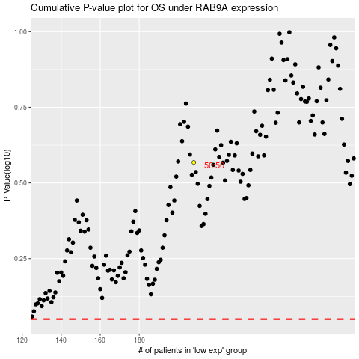

 |  |  |  |  |  | cases_OS | p_OS | rank | exp
 |  |  |  |  |  |  | cases_RFS | p_RFS | rank | exp

