RABAC1 _multivariate
Reported by Tex Li-Hsing Chi. tex@gate.sinica.edu.tw 2019-08-16

Table 2. The clinicopathological features of HNSCC cohort and RABAC1 expression. (Chi square test)
Cutoff at -0.225 (50.0%)
 |  | RABAC1 expression |  | RABAC1 expression |  | (Optimised)
 | Features | Low | (%) | High | (%) | Case no | P-value | Remark | Matthews
Gender | Female | 158 | 38.1 | 148 | 35.7 | 415 | 0.2774 | 0 | 0
2 | Male | 49 | 11.8 | 60 | 14.5
Age at diagnosis | <=65y | 139 | 33.5 | 135 | 32.5 | 415 | 0.7044 | 0 | 0
4 | >65y | 68 | 16.4 | 73 | 17.6
Clinical T Status | T1+T2 | 80 | 19.3 | 69 | 16.6 | 415 | 0.2891 | 0 | 0
6 | T3+T4 | 127 | 30.6 | 139 | 33.5
Clinical N Status | N0 | 112 | 27 | 104 | 25.1 | 415 | 0.4599 | 0 | 0
8 | N1-3 | 95 | 22.9 | 104 | 25.1
Clinical M Status | M0 | 206 | 49.6 | 206 | 49.6 | 415 | 1 | 0 | 0
10 | M1 | 1 | 0.2 | 2 | 0.5
Clinical Stage | Stage I+II | 53 | 12.8 | 49 | 11.8 | 415 | 0.7113 | 0 | 0
12 | Stage III+IV | 154 | 37.1 | 159 | 38.3
Surgical Margin status | Negative | 160 | 38.6 | 158 | 38.1 | 415 | 0.8167 | 0 | 0
14 | Positive | 47 | 11.3 | 50 | 12
Tobacco Exposure | Low | 87 | 21 | 74 | 17.8 | 415 | 0.1911 | 0 | 0
16 | High | 120 | 28.9 | 134 | 32.3

Table 3. Univariate/Multivariate Cox's proportional hazards regression analyses on OS time of RABAC1 gene expression in HNSCC

 |  | Univariate |  |  |  | Multivariate
 | Features | HR | CI95%(L) | CI95%(H) | P-value | HR | CI95%(L) | CI95%(H) | P-value
1 | Female | 1 |  |  |  | 1
Gender | Male | 1.157 | 0.843 | 1.587 | 0.367 | 1.225 | 0.875 | 1.715 | 0.237
11 | <=65y | 1 |  |  |  | 1
Age at diagnosis | >65y | 1.329 | 0.99 | 1.784 | 0.058 | 1.399 | 1.029 | 1.902 | 0.032
12 | T1+T2 | 1 |  |  |  | 1
Clinical T Status | T3+T4 | 1.409 | 1.028 | 1.931 | 0.033 | 2.264 | 1.194 | 4.294 | 0.012
13 | N0 | 1 |  |  |  | 1
Clinical N Status | N1-3 | 1.185 | 0.89 | 1.577 | 0.246 | 1.256 | 0.879 | 1.793 | 0.21
14 | M0 | 1 |  |  |  | 1
Clinical M Status | M1 | 4.097 | 1.009 | 16.644 | 0.049 | 10.097 | 2.187 | 46.606 | 0.003
15 | Stage I+II | 1 |  |  |  | 1
Clinical Stage | Stage III+IV | 1.245 | 0.882 | 1.759 | 0.213 | 0.487 | 0.226 | 1.049 | 0.066
16 | Negative | 1 |  |  |  | 1
Surgical Margin status | Positive | 1.591 | 1.155 | 2.191 | 0.004 | 1.677 | 1.213 | 2.318 | 0.002
17 | Low | 1 |  |  |  | 1
Tobacco Exposure | High | 1.364 | 1.008 | 1.844 | 0.044 | 1.484 | 1.074 | 2.051 | 0.017
18 | Low | 1 |  |  |  | 1
RNAseq(z-score) | High | 0.968 | 0.727 | 1.29 | 0.826 | 0.865 | 0.645 | 1.16 | 0.333

Table 4. Univariate/Multivariate Cox's proportional hazards regression analyses on RFS time of RABAC1 gene expression in HNSCC

 |  | Univariate |  |  |  | Multivariate
 | Features | HR | CI95%(L) | CI95%(H) | P-value | HR | CI95%(L) | CI95%(H) | P-value
1 | Female | 1 |  |  |  | 1
Gender | Male | 1.157 | 0.843 | 1.587 | 0.367 | 1.225 | 0.875 | 1.715 | 0.237
11 | <=65y | 1 |  |  |  | 1
Age at diagnosis | >65y | 1.329 | 0.99 | 1.784 | 0.058 | 1.399 | 1.029 | 1.902 | 0.032
12 | T1+T2 | 1 |  |  |  | 1
Clinical T Status | T3+T4 | 1.409 | 1.028 | 1.931 | 0.033 | 2.264 | 1.194 | 4.294 | 0.012
13 | N0 | 1 |  |  |  | 1
Clinical N Status | N1-3 | 1.185 | 0.89 | 1.577 | 0.246 | 1.256 | 0.879 | 1.793 | 0.21
14 | M0 | 1 |  |  |  | 1
Clinical M Status | M1 | 4.097 | 1.009 | 16.644 | 0.049 | 10.097 | 2.187 | 46.606 | 0.003
15 | Stage I+II | 1 |  |  |  | 1
Clinical Stage | Stage III+IV | 1.245 | 0.882 | 1.759 | 0.213 | 0.487 | 0.226 | 1.049 | 0.066
16 | Negative | 1 |  |  |  | 1
Surgical Margin status | Positive | 1.591 | 1.155 | 2.191 | 0.004 | 1.677 | 1.213 | 2.318 | 0.002
17 | Low | 1 |  |  |  | 1
Tobacco Exposure | High | 1.364 | 1.008 | 1.844 | 0.044 | 1.484 | 1.074 | 2.051 | 0.017
18 | Low | 1 |  |  |  | 1
RNAseq(z-score) | High | 0.968 | 0.727 | 1.29 | 0.826 | 0.865 | 0.645 | 1.16 | 0.333

Kaplan-Meier survival estimate: Cutoff at -0.225 (50.0%)



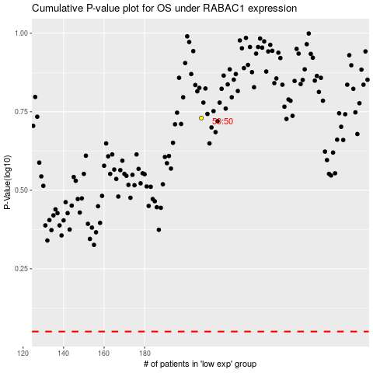

 |  |  |  |  |  | cases_OS | p_OS | rank | exp
 |  |  |  |  |  |  | cases_RFS | p_RFS | rank | exp

