RABEPK _multivariate
Reported by Tex Li-Hsing Chi. tex@gate.sinica.edu.tw 2019-08-16

Table 2. The clinicopathological features of HNSCC cohort and RABEPK expression. (Chi square test)
Cutoff at -0.164 (49.8%)
 |  | RABEPK expression |  | RABEPK expression |  | (Optimised)
 | Features | Low | (%) | High | (%) | Case no | P-value | Remark | Matthews
Gender | Female | 144 | 34.7 | 162 | 39 | 415 | 0.0697 | 0 | 0
2 | Male | 63 | 15.2 | 46 | 11.1
Age at diagnosis | <=65y | 136 | 32.8 | 138 | 33.3 | 415 | 0.9719 | 0 | 0
4 | >65y | 71 | 17.1 | 70 | 16.9
Clinical T Status | T1+T2 | 82 | 19.8 | 67 | 16.1 | 415 | 0.1417 | 0 | 0
6 | T3+T4 | 125 | 30.1 | 141 | 34
Clinical N Status | N0 | 113 | 27.2 | 103 | 24.8 | 415 | 0.3495 | 1 | 0
8 | N1-3 | 94 | 22.7 | 105 | 25.3
Clinical M Status | M0 | 207 | 49.9 | 205 | 49.4 | 415 | 0.2482 | 0 | 0
10 | M1 | 0 | 0 | 3 | 0.7
Clinical Stage | Stage I+II | 59 | 14.2 | 43 | 10.4 | 415 | 0.0822 | 0 | 0
12 | Stage III+IV | 148 | 35.7 | 165 | 39.8
Surgical Margin status | Negative | 160 | 38.6 | 158 | 38.1 | 415 | 0.8167 | 0 | 0
14 | Positive | 47 | 11.3 | 50 | 12
Tobacco Exposure | Low | 96 | 23.1 | 65 | 15.7 | 415 | 0.0018 | 1 | 0
16 | High | 111 | 26.7 | 143 | 34.5

Table 3. Univariate/Multivariate Cox's proportional hazards regression analyses on OS time of RABEPK gene expression in HNSCC

 |  | Univariate |  |  |  | Multivariate
 | Features | HR | CI95%(L) | CI95%(H) | P-value | HR | CI95%(L) | CI95%(H) | P-value
1 | Female | 1 |  |  |  | 1
Gender | Male | 1.157 | 0.843 | 1.587 | 0.367 | 1.201 | 0.86 | 1.679 | 0.282
11 | <=65y | 1 |  |  |  | 1
Age at diagnosis | >65y | 1.329 | 0.99 | 1.784 | 0.058 | 1.389 | 1.021 | 1.89 | 0.036
12 | T1+T2 | 1 |  |  |  | 1
Clinical T Status | T3+T4 | 1.409 | 1.028 | 1.931 | 0.033 | 2.199 | 1.162 | 4.159 | 0.015
13 | N0 | 1 |  |  |  | 1
Clinical N Status | N1-3 | 1.185 | 0.89 | 1.577 | 0.246 | 1.24 | 0.869 | 1.769 | 0.236
14 | M0 | 1 |  |  |  | 1
Clinical M Status | M1 | 4.097 | 1.009 | 16.644 | 0.049 | 9.297 | 2.01 | 42.998 | 0.004
15 | Stage I+II | 1 |  |  |  | 1
Clinical Stage | Stage III+IV | 1.245 | 0.882 | 1.759 | 0.213 | 0.505 | 0.235 | 1.084 | 0.08
16 | Negative | 1 |  |  |  | 1
Surgical Margin status | Positive | 1.591 | 1.155 | 2.191 | 0.004 | 1.669 | 1.207 | 2.308 | 0.002
17 | Low | 1 |  |  |  | 1
Tobacco Exposure | High | 1.364 | 1.008 | 1.844 | 0.044 | 1.448 | 1.048 | 2.002 | 0.025
18 | Low | 1 |  |  |  | 1
RNAseq(z-score) | High | 1.164 | 0.874 | 1.55 | 0.299 | 1.021 | 0.762 | 1.368 | 0.89

Table 4. Univariate/Multivariate Cox's proportional hazards regression analyses on RFS time of RABEPK gene expression in HNSCC

 |  | Univariate |  |  |  | Multivariate
 | Features | HR | CI95%(L) | CI95%(H) | P-value | HR | CI95%(L) | CI95%(H) | P-value
1 | Female | 1 |  |  |  | 1
Gender | Male | 1.157 | 0.843 | 1.587 | 0.367 | 1.201 | 0.86 | 1.679 | 0.282
11 | <=65y | 1 |  |  |  | 1
Age at diagnosis | >65y | 1.329 | 0.99 | 1.784 | 0.058 | 1.389 | 1.021 | 1.89 | 0.036
12 | T1+T2 | 1 |  |  |  | 1
Clinical T Status | T3+T4 | 1.409 | 1.028 | 1.931 | 0.033 | 2.199 | 1.162 | 4.159 | 0.015
13 | N0 | 1 |  |  |  | 1
Clinical N Status | N1-3 | 1.185 | 0.89 | 1.577 | 0.246 | 1.24 | 0.869 | 1.769 | 0.236
14 | M0 | 1 |  |  |  | 1
Clinical M Status | M1 | 4.097 | 1.009 | 16.644 | 0.049 | 9.297 | 2.01 | 42.998 | 0.004
15 | Stage I+II | 1 |  |  |  | 1
Clinical Stage | Stage III+IV | 1.245 | 0.882 | 1.759 | 0.213 | 0.505 | 0.235 | 1.084 | 0.08
16 | Negative | 1 |  |  |  | 1
Surgical Margin status | Positive | 1.591 | 1.155 | 2.191 | 0.004 | 1.669 | 1.207 | 2.308 | 0.002
17 | Low | 1 |  |  |  | 1
Tobacco Exposure | High | 1.364 | 1.008 | 1.844 | 0.044 | 1.448 | 1.048 | 2.002 | 0.025
18 | Low | 1 |  |  |  | 1
RNAseq(z-score) | High | 1.164 | 0.874 | 1.55 | 0.299 | 1.021 | 0.762 | 1.368 | 0.89

Kaplan-Meier survival estimate: Cutoff at -0.164 (49.8%)



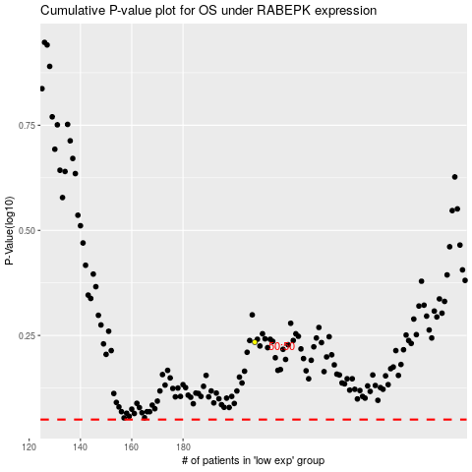

 |  |  |  |  |  | cases_OS | p_OS | rank | exp
 |  |  |  |  |  |  | cases_RFS | p_RFS | rank | exp

