RABGAP1L _multivariate
Reported by Tex Li-Hsing Chi. tex@gate.sinica.edu.tw 2019-08-16

Table 2. The clinicopathological features of HNSCC cohort and RABGAP1L expression. (Chi square test)
Cutoff at -0.052 (50.0%)
 |  | RABGAP1L expression |  | RABGAP1L expression |  | (Optimised)
 | Features | Low | (%) | High | (%) | Case no | P-value | Remark | Matthews
Gender | Female | 154 | 37.1 | 152 | 36.6 | 415 | 0.8463 | 0 | 0
2 | Male | 53 | 12.8 | 56 | 13.5
Age at diagnosis | <=65y | 139 | 33.5 | 135 | 32.5 | 415 | 0.7044 | 0 | 0
4 | >65y | 68 | 16.4 | 73 | 17.6
Clinical T Status | T1+T2 | 73 | 17.6 | 76 | 18.3 | 415 | 0.8666 | 0 | 0
6 | T3+T4 | 134 | 32.3 | 132 | 31.8
Clinical N Status | N0 | 111 | 26.7 | 105 | 25.3 | 415 | 0.5875 | 0 | 0
8 | N1-3 | 96 | 23.1 | 103 | 24.8
Clinical M Status | M0 | 204 | 49.2 | 208 | 50.1 | 415 | 0.1232 | 0 | 0
10 | M1 | 3 | 0.7 | 0 | 0
Clinical Stage | Stage I+II | 51 | 12.3 | 51 | 12.3 | 415 | 1 | 0 | 0
12 | Stage III+IV | 156 | 37.6 | 157 | 37.8
Surgical Margin status | Negative | 152 | 36.6 | 166 | 40 | 415 | 0.1329 | 0 | 0
14 | Positive | 55 | 13.3 | 42 | 10.1
Tobacco Exposure | Low | 78 | 18.8 | 83 | 20 | 415 | 0.6873 | 0 | 0
16 | High | 129 | 31.1 | 125 | 30.1

Table 3. Univariate/Multivariate Cox's proportional hazards regression analyses on OS time of RABGAP1L gene expression in HNSCC

 |  | Univariate |  |  |  | Multivariate
 | Features | HR | CI95%(L) | CI95%(H) | P-value | HR | CI95%(L) | CI95%(H) | P-value
1 | Female | 1 |  |  |  | 1
Gender | Male | 1.157 | 0.843 | 1.587 | 0.367 | 1.205 | 0.864 | 1.682 | 0.272
11 | <=65y | 1 |  |  |  | 1
Age at diagnosis | >65y | 1.329 | 0.99 | 1.784 | 0.058 | 1.407 | 1.035 | 1.914 | 0.029
12 | T1+T2 | 1 |  |  |  | 1
Clinical T Status | T3+T4 | 1.409 | 1.028 | 1.931 | 0.033 | 2.225 | 1.177 | 4.208 | 0.014
13 | N0 | 1 |  |  |  | 1
Clinical N Status | N1-3 | 1.185 | 0.89 | 1.577 | 0.246 | 1.231 | 0.862 | 1.758 | 0.252
14 | M0 | 1 |  |  |  | 1
Clinical M Status | M1 | 4.097 | 1.009 | 16.644 | 0.049 | 10.393 | 2.241 | 48.2 | 0.003
15 | Stage I+II | 1 |  |  |  | 1
Clinical Stage | Stage III+IV | 1.245 | 0.882 | 1.759 | 0.213 | 0.503 | 0.234 | 1.08 | 0.078
16 | Negative | 1 |  |  |  | 1
Surgical Margin status | Positive | 1.591 | 1.155 | 2.191 | 0.004 | 1.692 | 1.223 | 2.34 | 0.001
17 | Low | 1 |  |  |  | 1
Tobacco Exposure | High | 1.364 | 1.008 | 1.844 | 0.044 | 1.47 | 1.067 | 2.025 | 0.018
18 | Low | 1 |  |  |  | 1
RNAseq(z-score) | High | 1.061 | 0.796 | 1.414 | 0.685 | 1.173 | 0.876 | 1.572 | 0.283

Table 4. Univariate/Multivariate Cox's proportional hazards regression analyses on RFS time of RABGAP1L gene expression in HNSCC

 |  | Univariate |  |  |  | Multivariate
 | Features | HR | CI95%(L) | CI95%(H) | P-value | HR | CI95%(L) | CI95%(H) | P-value
1 | Female | 1 |  |  |  | 1
Gender | Male | 1.157 | 0.843 | 1.587 | 0.367 | 1.205 | 0.864 | 1.682 | 0.272
11 | <=65y | 1 |  |  |  | 1
Age at diagnosis | >65y | 1.329 | 0.99 | 1.784 | 0.058 | 1.407 | 1.035 | 1.914 | 0.029
12 | T1+T2 | 1 |  |  |  | 1
Clinical T Status | T3+T4 | 1.409 | 1.028 | 1.931 | 0.033 | 2.225 | 1.177 | 4.208 | 0.014
13 | N0 | 1 |  |  |  | 1
Clinical N Status | N1-3 | 1.185 | 0.89 | 1.577 | 0.246 | 1.231 | 0.862 | 1.758 | 0.252
14 | M0 | 1 |  |  |  | 1
Clinical M Status | M1 | 4.097 | 1.009 | 16.644 | 0.049 | 10.393 | 2.241 | 48.2 | 0.003
15 | Stage I+II | 1 |  |  |  | 1
Clinical Stage | Stage III+IV | 1.245 | 0.882 | 1.759 | 0.213 | 0.503 | 0.234 | 1.08 | 0.078
16 | Negative | 1 |  |  |  | 1
Surgical Margin status | Positive | 1.591 | 1.155 | 2.191 | 0.004 | 1.692 | 1.223 | 2.34 | 0.001
17 | Low | 1 |  |  |  | 1
Tobacco Exposure | High | 1.364 | 1.008 | 1.844 | 0.044 | 1.47 | 1.067 | 2.025 | 0.018
18 | Low | 1 |  |  |  | 1
RNAseq(z-score) | High | 1.061 | 0.796 | 1.414 | 0.685 | 1.173 | 0.876 | 1.572 | 0.283

Kaplan-Meier survival estimate: Cutoff at -0.052 (50.0%)



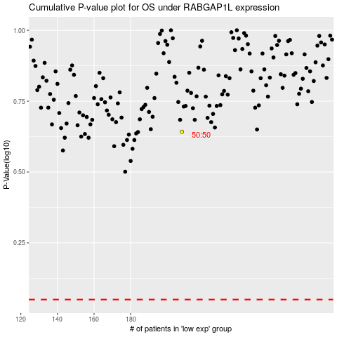

 |  |  |  |  |  | cases_OS | p_OS | rank | exp
 |  |  |  |  |  |  | cases_RFS | p_RFS | rank | exp

