RABGGTB _multivariate
Reported by Tex Li-Hsing Chi. tex@gate.sinica.edu.tw 2019-08-16

Table 2. The clinicopathological features of HNSCC cohort and RABGGTB expression. (Chi square test)
Cutoff at -0.155 (50.0%)
 |  | RABGGTB expression |  | RABGGTB expression |  | (Optimised)
 | Features | Low | (%) | High | (%) | Case no | P-value | Remark | Matthews
Gender | Female | 150 | 36.1 | 156 | 37.6 | 415 | 0.6344 | 0 | 0
2 | Male | 57 | 13.7 | 52 | 12.5
Age at diagnosis | <=65y | 136 | 32.8 | 138 | 33.3 | 415 | 0.9719 | 0 | 0
4 | >65y | 71 | 17.1 | 70 | 16.9
Clinical T Status | T1+T2 | 77 | 18.6 | 72 | 17.3 | 415 | 0.6556 | 0 | 0
6 | T3+T4 | 130 | 31.3 | 136 | 32.8
Clinical N Status | N0 | 116 | 28 | 100 | 24.1 | 415 | 0.1273 | 1 | 0
8 | N1-3 | 91 | 21.9 | 108 | 26
Clinical M Status | M0 | 207 | 49.9 | 205 | 49.4 | 415 | 0.2482 | 0 | 0
10 | M1 | 0 | 0 | 3 | 0.7
Clinical Stage | Stage I+II | 58 | 14 | 44 | 10.6 | 415 | 0.131 | 0 | 0
12 | Stage III+IV | 149 | 35.9 | 164 | 39.5
Surgical Margin status | Negative | 166 | 40 | 152 | 36.6 | 415 | 0.1042 | 0 | 0
14 | Positive | 41 | 9.9 | 56 | 13.5
Tobacco Exposure | Low | 84 | 20.2 | 77 | 18.6 | 415 | 0.4816 | 0 | 0
16 | High | 123 | 29.6 | 131 | 31.6

Table 3. Univariate/Multivariate Cox's proportional hazards regression analyses on OS time of RABGGTB gene expression in HNSCC

 |  | Univariate |  |  |  | Multivariate
 | Features | HR | CI95%(L) | CI95%(H) | P-value | HR | CI95%(L) | CI95%(H) | P-value
1 | Female | 1 |  |  |  | 1
Gender | Male | 1.157 | 0.843 | 1.587 | 0.367 | 1.209 | 0.866 | 1.688 | 0.264
11 | <=65y | 1 |  |  |  | 1
Age at diagnosis | >65y | 1.329 | 0.99 | 1.784 | 0.058 | 1.407 | 1.034 | 1.914 | 0.03
12 | T1+T2 | 1 |  |  |  | 1
Clinical T Status | T3+T4 | 1.409 | 1.028 | 1.931 | 0.033 | 2.175 | 1.149 | 4.114 | 0.017
13 | N0 | 1 |  |  |  | 1
Clinical N Status | N1-3 | 1.185 | 0.89 | 1.577 | 0.246 | 1.247 | 0.874 | 1.78 | 0.223
14 | M0 | 1 |  |  |  | 1
Clinical M Status | M1 | 4.097 | 1.009 | 16.644 | 0.049 | 10.083 | 2.186 | 46.51 | 0.003
15 | Stage I+II | 1 |  |  |  | 1
Clinical Stage | Stage III+IV | 1.245 | 0.882 | 1.759 | 0.213 | 0.516 | 0.24 | 1.108 | 0.09
16 | Negative | 1 |  |  |  | 1
Surgical Margin status | Positive | 1.591 | 1.155 | 2.191 | 0.004 | 1.692 | 1.223 | 2.34 | 0.001
17 | Low | 1 |  |  |  | 1
Tobacco Exposure | High | 1.364 | 1.008 | 1.844 | 0.044 | 1.471 | 1.067 | 2.028 | 0.018
18 | Low | 1 |  |  |  | 1
RNAseq(z-score) | High | 0.941 | 0.706 | 1.255 | 0.679 | 0.858 | 0.639 | 1.15 | 0.305

Table 4. Univariate/Multivariate Cox's proportional hazards regression analyses on RFS time of RABGGTB gene expression in HNSCC

 |  | Univariate |  |  |  | Multivariate
 | Features | HR | CI95%(L) | CI95%(H) | P-value | HR | CI95%(L) | CI95%(H) | P-value
1 | Female | 1 |  |  |  | 1
Gender | Male | 1.157 | 0.843 | 1.587 | 0.367 | 1.209 | 0.866 | 1.688 | 0.264
11 | <=65y | 1 |  |  |  | 1
Age at diagnosis | >65y | 1.329 | 0.99 | 1.784 | 0.058 | 1.407 | 1.034 | 1.914 | 0.03
12 | T1+T2 | 1 |  |  |  | 1
Clinical T Status | T3+T4 | 1.409 | 1.028 | 1.931 | 0.033 | 2.175 | 1.149 | 4.114 | 0.017
13 | N0 | 1 |  |  |  | 1
Clinical N Status | N1-3 | 1.185 | 0.89 | 1.577 | 0.246 | 1.247 | 0.874 | 1.78 | 0.223
14 | M0 | 1 |  |  |  | 1
Clinical M Status | M1 | 4.097 | 1.009 | 16.644 | 0.049 | 10.083 | 2.186 | 46.51 | 0.003
15 | Stage I+II | 1 |  |  |  | 1
Clinical Stage | Stage III+IV | 1.245 | 0.882 | 1.759 | 0.213 | 0.516 | 0.24 | 1.108 | 0.09
16 | Negative | 1 |  |  |  | 1
Surgical Margin status | Positive | 1.591 | 1.155 | 2.191 | 0.004 | 1.692 | 1.223 | 2.34 | 0.001
17 | Low | 1 |  |  |  | 1
Tobacco Exposure | High | 1.364 | 1.008 | 1.844 | 0.044 | 1.471 | 1.067 | 2.028 | 0.018
18 | Low | 1 |  |  |  | 1
RNAseq(z-score) | High | 0.941 | 0.706 | 1.255 | 0.679 | 0.858 | 0.639 | 1.15 | 0.305

Kaplan-Meier survival estimate: Cutoff at -0.155 (50.0%)



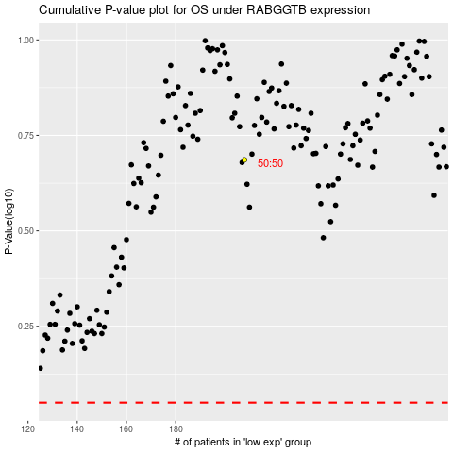

 |  |  |  |  |  | cases_OS | p_OS | rank | exp
 |  |  |  |  |  |  | cases_RFS | p_RFS | rank | exp

