RABL2B _multivariate
Reported by Tex Li-Hsing Chi. tex@gate.sinica.edu.tw 2019-08-16

Table 2. The clinicopathological features of HNSCC cohort and RABL2B expression. (Chi square test)
Cutoff at -0.183 (49.8%)
 |  | RABL2B expression |  | RABL2B expression |  | (Optimised)
 | Features | Low | (%) | High | (%) | Case no | P-value | Remark | Matthews
Gender | Female | 143 | 34.5 | 163 | 39.3 | 415 | 0.0416 | 1 | 0
2 | Male | 64 | 15.4 | 45 | 10.8
Age at diagnosis | <=65y | 133 | 32 | 141 | 34 | 415 | 0.5111 | 0 | 0
4 | >65y | 74 | 17.8 | 67 | 16.1
Clinical T Status | T1+T2 | 69 | 16.6 | 80 | 19.3 | 415 | 0.3239 | 0 | 0
6 | T3+T4 | 138 | 33.3 | 128 | 30.8
Clinical N Status | N0 | 113 | 27.2 | 103 | 24.8 | 415 | 0.3495 | 1 | 0
8 | N1-3 | 94 | 22.7 | 105 | 25.3
Clinical M Status | M0 | 207 | 49.9 | 205 | 49.4 | 415 | 0.2482 | 0 | 0
10 | M1 | 0 | 0 | 3 | 0.7
Clinical Stage | Stage I+II | 53 | 12.8 | 49 | 11.8 | 415 | 0.7113 | 0 | 0
12 | Stage III+IV | 154 | 37.1 | 159 | 38.3
Surgical Margin status | Negative | 166 | 40 | 152 | 36.6 | 415 | 0.1042 | 0 | 0
14 | Positive | 41 | 9.9 | 56 | 13.5
Tobacco Exposure | Low | 94 | 22.7 | 67 | 16.1 | 415 | 0.0065 | 1 | 0
16 | High | 113 | 27.2 | 141 | 34

Table 3. Univariate/Multivariate Cox's proportional hazards regression analyses on OS time of RABL2B gene expression in HNSCC

 |  | Univariate |  |  |  | Multivariate
 | Features | HR | CI95%(L) | CI95%(H) | P-value | HR | CI95%(L) | CI95%(H) | P-value
1 | Female | 1 |  |  |  | 1
Gender | Male | 1.157 | 0.843 | 1.587 | 0.367 | 1.212 | 0.867 | 1.695 | 0.261
11 | <=65y | 1 |  |  |  | 1
Age at diagnosis | >65y | 1.329 | 0.99 | 1.784 | 0.058 | 1.389 | 1.022 | 1.887 | 0.036
12 | T1+T2 | 1 |  |  |  | 1
Clinical T Status | T3+T4 | 1.409 | 1.028 | 1.931 | 0.033 | 2.241 | 1.183 | 4.246 | 0.013
13 | N0 | 1 |  |  |  | 1
Clinical N Status | N1-3 | 1.185 | 0.89 | 1.577 | 0.246 | 1.245 | 0.872 | 1.776 | 0.227
14 | M0 | 1 |  |  |  | 1
Clinical M Status | M1 | 4.097 | 1.009 | 16.644 | 0.049 | 9.083 | 1.975 | 41.785 | 0.005
15 | Stage I+II | 1 |  |  |  | 1
Clinical Stage | Stage III+IV | 1.245 | 0.882 | 1.759 | 0.213 | 0.498 | 0.232 | 1.07 | 0.074
16 | Negative | 1 |  |  |  | 1
Surgical Margin status | Positive | 1.591 | 1.155 | 2.191 | 0.004 | 1.65 | 1.191 | 2.285 | 0.003
17 | Low | 1 |  |  |  | 1
Tobacco Exposure | High | 1.364 | 1.008 | 1.844 | 0.044 | 1.429 | 1.033 | 1.976 | 0.031
18 | Low | 1 |  |  |  | 1
RNAseq(z-score) | High | 1.151 | 0.864 | 1.534 | 0.337 | 1.103 | 0.819 | 1.486 | 0.52

Table 4. Univariate/Multivariate Cox's proportional hazards regression analyses on RFS time of RABL2B gene expression in HNSCC

 |  | Univariate |  |  |  | Multivariate
 | Features | HR | CI95%(L) | CI95%(H) | P-value | HR | CI95%(L) | CI95%(H) | P-value
1 | Female | 1 |  |  |  | 1
Gender | Male | 1.157 | 0.843 | 1.587 | 0.367 | 1.212 | 0.867 | 1.695 | 0.261
11 | <=65y | 1 |  |  |  | 1
Age at diagnosis | >65y | 1.329 | 0.99 | 1.784 | 0.058 | 1.389 | 1.022 | 1.887 | 0.036
12 | T1+T2 | 1 |  |  |  | 1
Clinical T Status | T3+T4 | 1.409 | 1.028 | 1.931 | 0.033 | 2.241 | 1.183 | 4.246 | 0.013
13 | N0 | 1 |  |  |  | 1
Clinical N Status | N1-3 | 1.185 | 0.89 | 1.577 | 0.246 | 1.245 | 0.872 | 1.776 | 0.227
14 | M0 | 1 |  |  |  | 1
Clinical M Status | M1 | 4.097 | 1.009 | 16.644 | 0.049 | 9.083 | 1.975 | 41.785 | 0.005
15 | Stage I+II | 1 |  |  |  | 1
Clinical Stage | Stage III+IV | 1.245 | 0.882 | 1.759 | 0.213 | 0.498 | 0.232 | 1.07 | 0.074
16 | Negative | 1 |  |  |  | 1
Surgical Margin status | Positive | 1.591 | 1.155 | 2.191 | 0.004 | 1.65 | 1.191 | 2.285 | 0.003
17 | Low | 1 |  |  |  | 1
Tobacco Exposure | High | 1.364 | 1.008 | 1.844 | 0.044 | 1.429 | 1.033 | 1.976 | 0.031
18 | Low | 1 |  |  |  | 1
RNAseq(z-score) | High | 1.151 | 0.864 | 1.534 | 0.337 | 1.103 | 0.819 | 1.486 | 0.52

Kaplan-Meier survival estimate: Cutoff at -0.183 (49.8%)



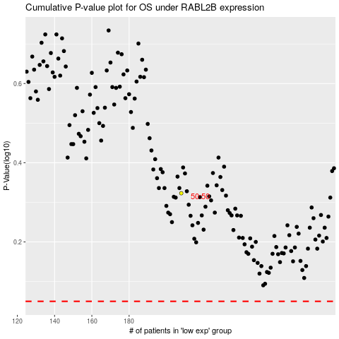

 |  |  |  |  |  | cases_OS | p_OS | rank | exp
 |  |  |  |  |  |  | cases_RFS | p_RFS | rank | exp

