RAC3 _multivariate
Reported by Tex Li-Hsing Chi. tex@gate.sinica.edu.tw 2019-08-16

Table 2. The clinicopathological features of HNSCC cohort and RAC3 expression. (Chi square test)
Cutoff at -0.263 (52.9%)
 |  | RAC3 expression |  | RAC3 expression |  | (Optimised)
 | Features | Low | (%) | High | (%) | Case no | P-value | Remark | Matthews
Gender | Female | 151 | 36.4 | 155 | 37.3 | 415 | 0.0166 | 1 | 0
2 | Male | 69 | 16.6 | 40 | 9.6
Age at diagnosis | <=65y | 138 | 33.3 | 136 | 32.8 | 415 | 0.1608 | 0 | 0
4 | >65y | 82 | 19.8 | 59 | 14.2
Clinical T Status | T1+T2 | 83 | 20 | 66 | 15.9 | 415 | 0.4715 | 0 | 0
6 | T3+T4 | 137 | 33 | 129 | 31.1
Clinical N Status | N0 | 115 | 27.7 | 101 | 24.3 | 415 | 1 | 0 | 0
8 | N1-3 | 105 | 25.3 | 94 | 22.7
Clinical M Status | M0 | 219 | 52.8 | 193 | 46.5 | 415 | 0.6028 | 0 | 0
10 | M1 | 1 | 0.2 | 2 | 0.5
Clinical Stage | Stage I+II | 59 | 14.2 | 43 | 10.4 | 415 | 0.3118 | 0 | 0
12 | Stage III+IV | 161 | 38.8 | 152 | 36.6
Surgical Margin status | Negative | 170 | 41 | 148 | 35.7 | 415 | 0.8163 | 0 | 0
14 | Positive | 50 | 12 | 47 | 11.3
Tobacco Exposure | Low | 106 | 25.5 | 55 | 13.3 | 415 | 0 | 1 | 0
16 | High | 114 | 27.5 | 140 | 33.7

Table 3. Univariate/Multivariate Cox's proportional hazards regression analyses on OS time of RAC3 gene expression in HNSCC

 |  | Univariate |  |  |  | Multivariate
 | Features | HR | CI95%(L) | CI95%(H) | P-value | HR | CI95%(L) | CI95%(H) | P-value
1 | Female | 1 |  |  |  | 1
Gender | Male | 1.157 | 0.843 | 1.587 | 0.367 | 1.21 | 0.866 | 1.692 | 0.264
11 | <=65y | 1 |  |  |  | 1
Age at diagnosis | >65y | 1.329 | 0.99 | 1.784 | 0.058 | 1.426 | 1.048 | 1.939 | 0.024
12 | T1+T2 | 1 |  |  |  | 1
Clinical T Status | T3+T4 | 1.409 | 1.028 | 1.931 | 0.033 | 2.21 | 1.169 | 4.176 | 0.015
13 | N0 | 1 |  |  |  | 1
Clinical N Status | N1-3 | 1.185 | 0.89 | 1.577 | 0.246 | 1.25 | 0.875 | 1.786 | 0.219
14 | M0 | 1 |  |  |  | 1
Clinical M Status | M1 | 4.097 | 1.009 | 16.644 | 0.049 | 9.075 | 1.977 | 41.649 | 0.005
15 | Stage I+II | 1 |  |  |  | 1
Clinical Stage | Stage III+IV | 1.245 | 0.882 | 1.759 | 0.213 | 0.485 | 0.226 | 1.041 | 0.063
16 | Negative | 1 |  |  |  | 1
Surgical Margin status | Positive | 1.591 | 1.155 | 2.191 | 0.004 | 1.681 | 1.216 | 2.325 | 0.002
17 | Low | 1 |  |  |  | 1
Tobacco Exposure | High | 1.364 | 1.008 | 1.844 | 0.044 | 1.376 | 0.994 | 1.906 | 0.055
18 | Low | 1 |  |  |  | 1
RNAseq(z-score) | High | 1.344 | 1.009 | 1.79 | 0.043 | 1.305 | 0.969 | 1.759 | 0.08

Table 4. Univariate/Multivariate Cox's proportional hazards regression analyses on RFS time of RAC3 gene expression in HNSCC

 |  | Univariate |  |  |  | Multivariate
 | Features | HR | CI95%(L) | CI95%(H) | P-value | HR | CI95%(L) | CI95%(H) | P-value
1 | Female | 1 |  |  |  | 1
Gender | Male | 1.157 | 0.843 | 1.587 | 0.367 | 1.21 | 0.866 | 1.692 | 0.264
11 | <=65y | 1 |  |  |  | 1
Age at diagnosis | >65y | 1.329 | 0.99 | 1.784 | 0.058 | 1.426 | 1.048 | 1.939 | 0.024
12 | T1+T2 | 1 |  |  |  | 1
Clinical T Status | T3+T4 | 1.409 | 1.028 | 1.931 | 0.033 | 2.21 | 1.169 | 4.176 | 0.015
13 | N0 | 1 |  |  |  | 1
Clinical N Status | N1-3 | 1.185 | 0.89 | 1.577 | 0.246 | 1.25 | 0.875 | 1.786 | 0.219
14 | M0 | 1 |  |  |  | 1
Clinical M Status | M1 | 4.097 | 1.009 | 16.644 | 0.049 | 9.075 | 1.977 | 41.649 | 0.005
15 | Stage I+II | 1 |  |  |  | 1
Clinical Stage | Stage III+IV | 1.245 | 0.882 | 1.759 | 0.213 | 0.485 | 0.226 | 1.041 | 0.063
16 | Negative | 1 |  |  |  | 1
Surgical Margin status | Positive | 1.591 | 1.155 | 2.191 | 0.004 | 1.681 | 1.216 | 2.325 | 0.002
17 | Low | 1 |  |  |  | 1
Tobacco Exposure | High | 1.364 | 1.008 | 1.844 | 0.044 | 1.376 | 0.994 | 1.906 | 0.055
18 | Low | 1 |  |  |  | 1
RNAseq(z-score) | High | 1.344 | 1.009 | 1.79 | 0.043 | 1.305 | 0.969 | 1.759 | 0.08

Kaplan-Meier survival estimate: Cutoff at -0.263 (52.9%)



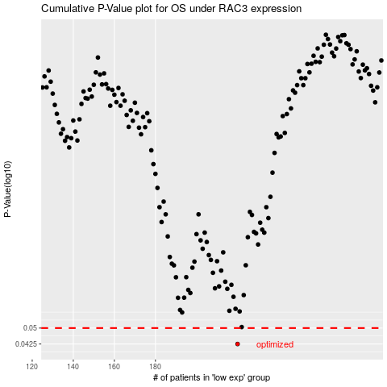

 |  |  |  |  |  | cases_OS | p_OS | rank | exp
 |  |  |  |  |  | 220 | 0.0425 | 413 | -0.26257757749
 |  |  |  |  |  |  | cases_RFS | p_RFS | rank | exp
 |  |  |  |  |  |  | 219 | 0.0425 | 272 | -0.26421902443

