RACGAP1P _multivariate
Reported by Tex Li-Hsing Chi. tex@gate.sinica.edu.tw 2019-08-16

Table 2. The clinicopathological features of HNSCC cohort and RACGAP1P expression. (Chi square test)
Cutoff at -0.561 (30.0%)
 |  | RACGAP1P expression |  | RACGAP1P expression |  | (Optimised)
 | Features | Low | (%) | High | (%) | Case no | P-value | Remark | Matthews
Gender | Female | 93 | 22.4 | 213 | 51.3 | 415 | 0.9358 | 0 | 0
2 | Male | 32 | 7.7 | 77 | 18.6
Age at diagnosis | <=65y | 88 | 21.2 | 186 | 44.8 | 415 | 0.2615 | 0 | 0
4 | >65y | 37 | 8.9 | 104 | 25.1
Clinical T Status | T1+T2 | 37 | 8.9 | 112 | 27 | 415 | 0.0998 | 0 | 0
6 | T3+T4 | 88 | 21.2 | 178 | 42.9
Clinical N Status | N0 | 68 | 16.4 | 148 | 35.7 | 415 | 0.6013 | 0 | 0
8 | N1-3 | 57 | 13.7 | 142 | 34.2
Clinical M Status | M0 | 125 | 30.1 | 287 | 69.2 | 415 | 0.5571 | 0 | 0
10 | M1 | 0 | 0 | 3 | 0.7
Clinical Stage | Stage I+II | 28 | 6.7 | 74 | 17.8 | 415 | 0.5807 | 0 | 0
12 | Stage III+IV | 97 | 23.4 | 216 | 52
Surgical Margin status | Negative | 103 | 24.8 | 215 | 51.8 | 415 | 0.077 | 0 | 0
14 | Positive | 22 | 5.3 | 75 | 18.1
Tobacco Exposure | Low | 54 | 13 | 107 | 25.8 | 415 | 0.2296 | 0 | 0
16 | High | 71 | 17.1 | 183 | 44.1

Table 3. Univariate/Multivariate Cox's proportional hazards regression analyses on OS time of RACGAP1P gene expression in HNSCC

 |  | Univariate |  |  |  | Multivariate
 | Features | HR | CI95%(L) | CI95%(H) | P-value | HR | CI95%(L) | CI95%(H) | P-value
1 | Female | 1 |  |  |  | 1
Gender | Male | 1.157 | 0.843 | 1.587 | 0.367 | 1.184 | 0.848 | 1.653 | 0.322
11 | <=65y | 1 |  |  |  | 1
Age at diagnosis | >65y | 1.329 | 0.99 | 1.784 | 0.058 | 1.352 | 0.993 | 1.842 | 0.055
12 | T1+T2 | 1 |  |  |  | 1
Clinical T Status | T3+T4 | 1.409 | 1.028 | 1.931 | 0.033 | 2.311 | 1.222 | 4.369 | 0.01
13 | N0 | 1 |  |  |  | 1
Clinical N Status | N1-3 | 1.185 | 0.89 | 1.577 | 0.246 | 1.226 | 0.859 | 1.749 | 0.262
14 | M0 | 1 |  |  |  | 1
Clinical M Status | M1 | 4.097 | 1.009 | 16.644 | 0.049 | 8.667 | 1.889 | 39.759 | 0.005
15 | Stage I+II | 1 |  |  |  | 1
Clinical Stage | Stage III+IV | 1.245 | 0.882 | 1.759 | 0.213 | 0.515 | 0.24 | 1.107 | 0.089
16 | Negative | 1 |  |  |  | 1
Surgical Margin status | Positive | 1.591 | 1.155 | 2.191 | 0.004 | 1.576 | 1.137 | 2.184 | 0.006
17 | Low | 1 |  |  |  | 1
Tobacco Exposure | High | 1.364 | 1.008 | 1.844 | 0.044 | 1.423 | 1.032 | 1.964 | 0.031
18 | Low | 1 |  |  |  | 1
RNAseq(z-score) | High | 1.531 | 1.1 | 2.13 | 0.012 | 1.483 | 1.053 | 2.087 | 0.024

Table 4. Univariate/Multivariate Cox's proportional hazards regression analyses on RFS time of RACGAP1P gene expression in HNSCC

 |  | Univariate |  |  |  | Multivariate
 | Features | HR | CI95%(L) | CI95%(H) | P-value | HR | CI95%(L) | CI95%(H) | P-value
1 | Female | 1 |  |  |  | 1
Gender | Male | 1.157 | 0.843 | 1.587 | 0.367 | 1.184 | 0.848 | 1.653 | 0.322
11 | <=65y | 1 |  |  |  | 1
Age at diagnosis | >65y | 1.329 | 0.99 | 1.784 | 0.058 | 1.352 | 0.993 | 1.842 | 0.055
12 | T1+T2 | 1 |  |  |  | 1
Clinical T Status | T3+T4 | 1.409 | 1.028 | 1.931 | 0.033 | 2.311 | 1.222 | 4.369 | 0.01
13 | N0 | 1 |  |  |  | 1
Clinical N Status | N1-3 | 1.185 | 0.89 | 1.577 | 0.246 | 1.226 | 0.859 | 1.749 | 0.262
14 | M0 | 1 |  |  |  | 1
Clinical M Status | M1 | 4.097 | 1.009 | 16.644 | 0.049 | 8.667 | 1.889 | 39.759 | 0.005
15 | Stage I+II | 1 |  |  |  | 1
Clinical Stage | Stage III+IV | 1.245 | 0.882 | 1.759 | 0.213 | 0.515 | 0.24 | 1.107 | 0.089
16 | Negative | 1 |  |  |  | 1
Surgical Margin status | Positive | 1.591 | 1.155 | 2.191 | 0.004 | 1.576 | 1.137 | 2.184 | 0.006
17 | Low | 1 |  |  |  | 1
Tobacco Exposure | High | 1.364 | 1.008 | 1.844 | 0.044 | 1.423 | 1.032 | 1.964 | 0.031
18 | Low | 1 |  |  |  | 1
RNAseq(z-score) | High | 1.531 | 1.1 | 2.13 | 0.012 | 1.483 | 1.053 | 2.087 | 0.024

Kaplan-Meier survival estimate: Cutoff at -0.561 (30.0%)

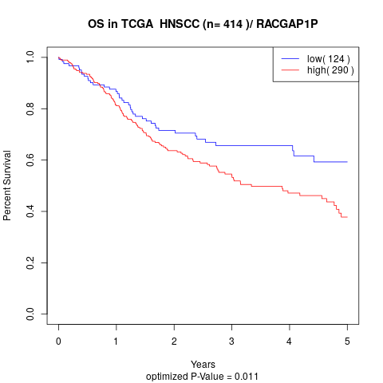

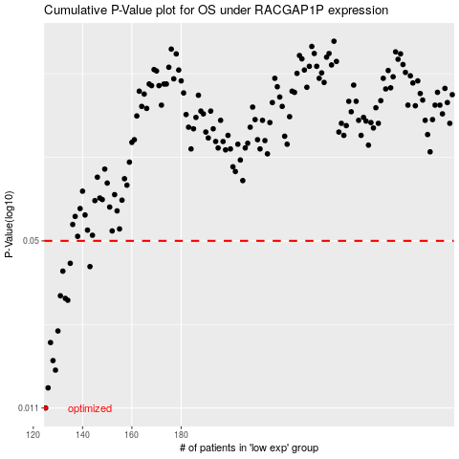

 |  |  |  |  |  | cases_OS | p_OS | rank | exp
 |  |  |  |  |  | 125 | 0.011 | 275 | -0.56096088347
 |  |  |  |  |  | 126 | 0.0132 | 99 | -0.55937250133
 |  |  |  |  |  | 129 | 0.0155 | 355 | -0.54110610682
 |  |  |  |  |  | 128 | 0.0169 | 374 | -0.54303485655
 |  |  |  |  |  | 127 | 0.0199 | 316 | -0.55384152784
 |  |  |  |  |  | 130 | 0.0221 | 221 | -0.54099265095
 |  |  |  |  |  | 134 | 0.0292 | 61 | -0.52666884779
 |  |  |  |  |  | 133 | 0.0297 | 13 | -0.52760485869
 |  |  |  |  |  | 131 | 0.0304 | 90 | -0.53344783582
 |  |  |  |  |  | 132 | 0.038 | 106 | -0.53137726626
 |  |  |  |  |  | 143 | 0.0396 | 227 | -0.4707918335
 |  |  |  |  |  | 135 | 0.0408 | 198 | -0.51447234214
 |  |  |  |  |  |  | cases_RFS | p_RFS | rank | exp
 |  |  |  |  |  |  |  | 0.011 | 194 | -0.56583948573
 |  |  |  |  |  |  | 125 | 0.0132 | 275 | -0.56096088347
 |  |  |  |  |  |  | 128 | 0.0155 | 374 | -0.54303485655
 |  |  |  |  |  |  | 127 | 0.0169 | 316 | -0.55384152784
 |  |  |  |  |  |  | 126 | 0.0199 | 99 | -0.55937250133
 |  |  |  |  |  |  | 129 | 0.0221 | 355 | -0.54110610682
 |  |  |  |  |  |  | 133 | 0.0292 | 13 | -0.52760485869
 |  |  |  |  |  |  | 132 | 0.0297 | 106 | -0.53137726626
 |  |  |  |  |  |  | 130 | 0.0304 | 221 | -0.54099265095
 |  |  |  |  |  |  | 131 | 0.038 | 90 | -0.53344783582
 |  |  |  |  |  |  | 142 | 0.0396 | 362 | -0.47618098717
 |  |  |  |  |  |  | 134 | 0.0408 | 61 | -0.52666884779

