RAD1 _multivariate
Reported by Tex Li-Hsing Chi. tex@gate.sinica.edu.tw 2019-08-16

Table 2. The clinicopathological features of HNSCC cohort and RAD1 expression. (Chi square test)
Cutoff at -0.242 (49.8%)
 |  | RAD1 expression |  | RAD1 expression |  | (Optimised)
 | Features | Low | (%) | High | (%) | Case no | P-value | Remark | Matthews
Gender | Female | 139 | 33.5 | 167 | 40.2 | 415 | 0.0034 | 1 | 0
2 | Male | 68 | 16.4 | 41 | 9.9
Age at diagnosis | <=65y | 123 | 29.6 | 151 | 36.4 | 415 | 0.0063 | 1 | 0
4 | >65y | 84 | 20.2 | 57 | 13.7
Clinical T Status | T1+T2 | 75 | 18.1 | 74 | 17.8 | 415 | 0.9707 | 0 | 0
6 | T3+T4 | 132 | 31.8 | 134 | 32.3
Clinical N Status | N0 | 116 | 28 | 100 | 24.1 | 415 | 0.1273 | 1 | 0
8 | N1-3 | 91 | 21.9 | 108 | 26
Clinical M Status | M0 | 205 | 49.4 | 207 | 49.9 | 415 | 0.6232 | 0 | 0
10 | M1 | 2 | 0.5 | 1 | 0.2
Clinical Stage | Stage I+II | 55 | 13.3 | 47 | 11.3 | 415 | 0.4087 | 0 | 0
12 | Stage III+IV | 152 | 36.6 | 161 | 38.8
Surgical Margin status | Negative | 160 | 38.6 | 158 | 38.1 | 415 | 0.8167 | 0 | 0
14 | Positive | 47 | 11.3 | 50 | 12
Tobacco Exposure | Low | 99 | 23.9 | 62 | 14.9 | 415 | 2e-04 | 1 | 0
16 | High | 108 | 26 | 146 | 35.2

Table 3. Univariate/Multivariate Cox's proportional hazards regression analyses on OS time of RAD1 gene expression in HNSCC

 |  | Univariate |  |  |  | Multivariate
 | Features | HR | CI95%(L) | CI95%(H) | P-value | HR | CI95%(L) | CI95%(H) | P-value
1 | Female | 1 |  |  |  | 1
Gender | Male | 1.157 | 0.843 | 1.587 | 0.367 | 1.189 | 0.849 | 1.665 | 0.313
11 | <=65y | 1 |  |  |  | 1
Age at diagnosis | >65y | 1.329 | 0.99 | 1.784 | 0.058 | 1.384 | 1.017 | 1.883 | 0.039
12 | T1+T2 | 1 |  |  |  | 1
Clinical T Status | T3+T4 | 1.409 | 1.028 | 1.931 | 0.033 | 2.2 | 1.163 | 4.159 | 0.015
13 | N0 | 1 |  |  |  | 1
Clinical N Status | N1-3 | 1.185 | 0.89 | 1.577 | 0.246 | 1.245 | 0.873 | 1.778 | 0.227
14 | M0 | 1 |  |  |  | 1
Clinical M Status | M1 | 4.097 | 1.009 | 16.644 | 0.049 | 9.291 | 2.026 | 42.614 | 0.004
15 | Stage I+II | 1 |  |  |  | 1
Clinical Stage | Stage III+IV | 1.245 | 0.882 | 1.759 | 0.213 | 0.503 | 0.234 | 1.08 | 0.078
16 | Negative | 1 |  |  |  | 1
Surgical Margin status | Positive | 1.591 | 1.155 | 2.191 | 0.004 | 1.689 | 1.22 | 2.338 | 0.002
17 | Low | 1 |  |  |  | 1
Tobacco Exposure | High | 1.364 | 1.008 | 1.844 | 0.044 | 1.48 | 1.067 | 2.053 | 0.019
18 | Low | 1 |  |  |  | 1
RNAseq(z-score) | High | 0.971 | 0.728 | 1.294 | 0.839 | 0.913 | 0.677 | 1.232 | 0.551

Table 4. Univariate/Multivariate Cox's proportional hazards regression analyses on RFS time of RAD1 gene expression in HNSCC

 |  | Univariate |  |  |  | Multivariate
 | Features | HR | CI95%(L) | CI95%(H) | P-value | HR | CI95%(L) | CI95%(H) | P-value
1 | Female | 1 |  |  |  | 1
Gender | Male | 1.157 | 0.843 | 1.587 | 0.367 | 1.189 | 0.849 | 1.665 | 0.313
11 | <=65y | 1 |  |  |  | 1
Age at diagnosis | >65y | 1.329 | 0.99 | 1.784 | 0.058 | 1.384 | 1.017 | 1.883 | 0.039
12 | T1+T2 | 1 |  |  |  | 1
Clinical T Status | T3+T4 | 1.409 | 1.028 | 1.931 | 0.033 | 2.2 | 1.163 | 4.159 | 0.015
13 | N0 | 1 |  |  |  | 1
Clinical N Status | N1-3 | 1.185 | 0.89 | 1.577 | 0.246 | 1.245 | 0.873 | 1.778 | 0.227
14 | M0 | 1 |  |  |  | 1
Clinical M Status | M1 | 4.097 | 1.009 | 16.644 | 0.049 | 9.291 | 2.026 | 42.614 | 0.004
15 | Stage I+II | 1 |  |  |  | 1
Clinical Stage | Stage III+IV | 1.245 | 0.882 | 1.759 | 0.213 | 0.503 | 0.234 | 1.08 | 0.078
16 | Negative | 1 |  |  |  | 1
Surgical Margin status | Positive | 1.591 | 1.155 | 2.191 | 0.004 | 1.689 | 1.22 | 2.338 | 0.002
17 | Low | 1 |  |  |  | 1
Tobacco Exposure | High | 1.364 | 1.008 | 1.844 | 0.044 | 1.48 | 1.067 | 2.053 | 0.019
18 | Low | 1 |  |  |  | 1
RNAseq(z-score) | High | 0.971 | 0.728 | 1.294 | 0.839 | 0.913 | 0.677 | 1.232 | 0.551

Kaplan-Meier survival estimate: Cutoff at -0.242 (49.8%)



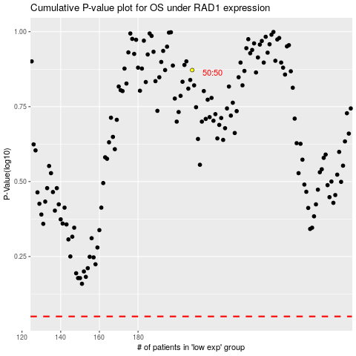

 |  |  |  |  |  | cases_OS | p_OS | rank | exp
 |  |  |  |  |  |  | cases_RFS | p_RFS | rank | exp

