RAD18 _multivariate
Reported by Tex Li-Hsing Chi. tex@gate.sinica.edu.tw 2019-08-16

Table 2. The clinicopathological features of HNSCC cohort and RAD18 expression. (Chi square test)
Cutoff at -0.256 (49.8%)
 |  | RAD18 expression |  | RAD18 expression |  | (Optimised)
 | Features | Low | (%) | High | (%) | Case no | P-value | Remark | Matthews
Gender | Female | 159 | 38.3 | 147 | 35.4 | 415 | 0.1905 | 0 | 0
2 | Male | 48 | 11.6 | 61 | 14.7
Age at diagnosis | <=65y | 137 | 33 | 137 | 33 | 415 | 1 | 0 | 0
4 | >65y | 70 | 16.9 | 71 | 17.1
Clinical T Status | T1+T2 | 69 | 16.6 | 80 | 19.3 | 415 | 0.3239 | 0 | 0
6 | T3+T4 | 138 | 33.3 | 128 | 30.8
Clinical N Status | N0 | 109 | 26.3 | 107 | 25.8 | 415 | 0.8812 | 0 | 0
8 | N1-3 | 98 | 23.6 | 101 | 24.3
Clinical M Status | M0 | 205 | 49.4 | 207 | 49.9 | 415 | 0.6232 | 0 | 0
10 | M1 | 2 | 0.5 | 1 | 0.2
Clinical Stage | Stage I+II | 47 | 11.3 | 55 | 13.3 | 415 | 0.4413 | 0 | 0
12 | Stage III+IV | 160 | 38.6 | 153 | 36.9
Surgical Margin status | Negative | 168 | 40.5 | 150 | 36.1 | 415 | 0.0366 | 1 | 0
14 | Positive | 39 | 9.4 | 58 | 14
Tobacco Exposure | Low | 74 | 17.8 | 87 | 21 | 415 | 0.227 | 0 | 0
16 | High | 133 | 32 | 121 | 29.2

Table 3. Univariate/Multivariate Cox's proportional hazards regression analyses on OS time of RAD18 gene expression in HNSCC

 |  | Univariate |  |  |  | Multivariate
 | Features | HR | CI95%(L) | CI95%(H) | P-value | HR | CI95%(L) | CI95%(H) | P-value
1 | Female | 1 |  |  |  | 1
Gender | Male | 1.157 | 0.843 | 1.587 | 0.367 | 1.195 | 0.855 | 1.669 | 0.297
11 | <=65y | 1 |  |  |  | 1
Age at diagnosis | >65y | 1.329 | 0.99 | 1.784 | 0.058 | 1.396 | 1.026 | 1.898 | 0.033
12 | T1+T2 | 1 |  |  |  | 1
Clinical T Status | T3+T4 | 1.409 | 1.028 | 1.931 | 0.033 | 2.228 | 1.178 | 4.216 | 0.014
13 | N0 | 1 |  |  |  | 1
Clinical N Status | N1-3 | 1.185 | 0.89 | 1.577 | 0.246 | 1.247 | 0.873 | 1.78 | 0.225
14 | M0 | 1 |  |  |  | 1
Clinical M Status | M1 | 4.097 | 1.009 | 16.644 | 0.049 | 9.781 | 2.126 | 44.992 | 0.003
15 | Stage I+II | 1 |  |  |  | 1
Clinical Stage | Stage III+IV | 1.245 | 0.882 | 1.759 | 0.213 | 0.501 | 0.233 | 1.077 | 0.077
16 | Negative | 1 |  |  |  | 1
Surgical Margin status | Positive | 1.591 | 1.155 | 2.191 | 0.004 | 1.64 | 1.183 | 2.274 | 0.003
17 | Low | 1 |  |  |  | 1
Tobacco Exposure | High | 1.364 | 1.008 | 1.844 | 0.044 | 1.458 | 1.059 | 2.009 | 0.021
18 | Low | 1 |  |  |  | 1
RNAseq(z-score) | High | 1.107 | 0.831 | 1.474 | 0.486 | 1.119 | 0.835 | 1.499 | 0.453

Table 4. Univariate/Multivariate Cox's proportional hazards regression analyses on RFS time of RAD18 gene expression in HNSCC

 |  | Univariate |  |  |  | Multivariate
 | Features | HR | CI95%(L) | CI95%(H) | P-value | HR | CI95%(L) | CI95%(H) | P-value
1 | Female | 1 |  |  |  | 1
Gender | Male | 1.157 | 0.843 | 1.587 | 0.367 | 1.195 | 0.855 | 1.669 | 0.297
11 | <=65y | 1 |  |  |  | 1
Age at diagnosis | >65y | 1.329 | 0.99 | 1.784 | 0.058 | 1.396 | 1.026 | 1.898 | 0.033
12 | T1+T2 | 1 |  |  |  | 1
Clinical T Status | T3+T4 | 1.409 | 1.028 | 1.931 | 0.033 | 2.228 | 1.178 | 4.216 | 0.014
13 | N0 | 1 |  |  |  | 1
Clinical N Status | N1-3 | 1.185 | 0.89 | 1.577 | 0.246 | 1.247 | 0.873 | 1.78 | 0.225
14 | M0 | 1 |  |  |  | 1
Clinical M Status | M1 | 4.097 | 1.009 | 16.644 | 0.049 | 9.781 | 2.126 | 44.992 | 0.003
15 | Stage I+II | 1 |  |  |  | 1
Clinical Stage | Stage III+IV | 1.245 | 0.882 | 1.759 | 0.213 | 0.501 | 0.233 | 1.077 | 0.077
16 | Negative | 1 |  |  |  | 1
Surgical Margin status | Positive | 1.591 | 1.155 | 2.191 | 0.004 | 1.64 | 1.183 | 2.274 | 0.003
17 | Low | 1 |  |  |  | 1
Tobacco Exposure | High | 1.364 | 1.008 | 1.844 | 0.044 | 1.458 | 1.059 | 2.009 | 0.021
18 | Low | 1 |  |  |  | 1
RNAseq(z-score) | High | 1.107 | 0.831 | 1.474 | 0.486 | 1.119 | 0.835 | 1.499 | 0.453

Kaplan-Meier survival estimate: Cutoff at -0.256 (49.8%)



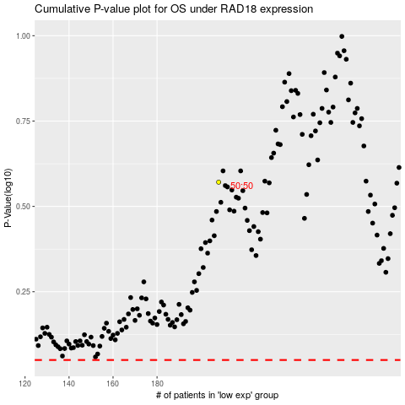

 |  |  |  |  |  | cases_OS | p_OS | rank | exp
 |  |  |  |  |  |  | cases_RFS | p_RFS | rank | exp

