RAD23A _multivariate
Reported by Tex Li-Hsing Chi. tex@gate.sinica.edu.tw 2019-08-16

Table 2. The clinicopathological features of HNSCC cohort and RAD23A expression. (Chi square test)
Cutoff at -0.178 (50.0%)
 |  | RAD23A expression |  | RAD23A expression |  | (Optimised)
 | Features | Low | (%) | High | (%) | Case no | P-value | Remark | Matthews
Gender | Female | 144 | 34.7 | 162 | 39 | 415 | 0.0697 | 0 | 0
2 | Male | 63 | 15.2 | 46 | 11.1
Age at diagnosis | <=65y | 130 | 31.3 | 144 | 34.7 | 415 | 0.2009 | 0 | 0
4 | >65y | 77 | 18.6 | 64 | 15.4
Clinical T Status | T1+T2 | 77 | 18.6 | 72 | 17.3 | 415 | 0.6556 | 0 | 0
6 | T3+T4 | 130 | 31.3 | 136 | 32.8
Clinical N Status | N0 | 120 | 28.9 | 96 | 23.1 | 415 | 0.0208 | 1 | 0
8 | N1-3 | 87 | 21 | 112 | 27
Clinical M Status | M0 | 206 | 49.6 | 206 | 49.6 | 415 | 1 | 0 | 0
10 | M1 | 1 | 0.2 | 2 | 0.5
Clinical Stage | Stage I+II | 61 | 14.7 | 41 | 9.9 | 415 | 0.0282 | 1 | 0
12 | Stage III+IV | 146 | 35.2 | 167 | 40.2
Surgical Margin status | Negative | 164 | 39.5 | 154 | 37.1 | 415 | 0.2462 | 0 | 0
14 | Positive | 43 | 10.4 | 54 | 13
Tobacco Exposure | Low | 95 | 22.9 | 66 | 15.9 | 415 | 0.0035 | 1 | 0
16 | High | 112 | 27 | 142 | 34.2

Table 3. Univariate/Multivariate Cox's proportional hazards regression analyses on OS time of RAD23A gene expression in HNSCC

 |  | Univariate |  |  |  | Multivariate
 | Features | HR | CI95%(L) | CI95%(H) | P-value | HR | CI95%(L) | CI95%(H) | P-value
1 | Female | 1 |  |  |  | 1
Gender | Male | 1.157 | 0.843 | 1.587 | 0.367 | 1.189 | 0.85 | 1.663 | 0.312
11 | <=65y | 1 |  |  |  | 1
Age at diagnosis | >65y | 1.329 | 0.99 | 1.784 | 0.058 | 1.397 | 1.027 | 1.899 | 0.033
12 | T1+T2 | 1 |  |  |  | 1
Clinical T Status | T3+T4 | 1.409 | 1.028 | 1.931 | 0.033 | 2.193 | 1.159 | 4.148 | 0.016
13 | N0 | 1 |  |  |  | 1
Clinical N Status | N1-3 | 1.185 | 0.89 | 1.577 | 0.246 | 1.25 | 0.876 | 1.785 | 0.218
14 | M0 | 1 |  |  |  | 1
Clinical M Status | M1 | 4.097 | 1.009 | 16.644 | 0.049 | 9.375 | 2.045 | 42.982 | 0.004
15 | Stage I+II | 1 |  |  |  | 1
Clinical Stage | Stage III+IV | 1.245 | 0.882 | 1.759 | 0.213 | 0.514 | 0.239 | 1.107 | 0.089
16 | Negative | 1 |  |  |  | 1
Surgical Margin status | Positive | 1.591 | 1.155 | 2.191 | 0.004 | 1.675 | 1.212 | 2.315 | 0.002
17 | Low | 1 |  |  |  | 1
Tobacco Exposure | High | 1.364 | 1.008 | 1.844 | 0.044 | 1.476 | 1.068 | 2.04 | 0.018
18 | Low | 1 |  |  |  | 1
RNAseq(z-score) | High | 0.982 | 0.737 | 1.309 | 0.903 | 0.904 | 0.67 | 1.22 | 0.51

Table 4. Univariate/Multivariate Cox's proportional hazards regression analyses on RFS time of RAD23A gene expression in HNSCC

 |  | Univariate |  |  |  | Multivariate
 | Features | HR | CI95%(L) | CI95%(H) | P-value | HR | CI95%(L) | CI95%(H) | P-value
1 | Female | 1 |  |  |  | 1
Gender | Male | 1.157 | 0.843 | 1.587 | 0.367 | 1.189 | 0.85 | 1.663 | 0.312
11 | <=65y | 1 |  |  |  | 1
Age at diagnosis | >65y | 1.329 | 0.99 | 1.784 | 0.058 | 1.397 | 1.027 | 1.899 | 0.033
12 | T1+T2 | 1 |  |  |  | 1
Clinical T Status | T3+T4 | 1.409 | 1.028 | 1.931 | 0.033 | 2.193 | 1.159 | 4.148 | 0.016
13 | N0 | 1 |  |  |  | 1
Clinical N Status | N1-3 | 1.185 | 0.89 | 1.577 | 0.246 | 1.25 | 0.876 | 1.785 | 0.218
14 | M0 | 1 |  |  |  | 1
Clinical M Status | M1 | 4.097 | 1.009 | 16.644 | 0.049 | 9.375 | 2.045 | 42.982 | 0.004
15 | Stage I+II | 1 |  |  |  | 1
Clinical Stage | Stage III+IV | 1.245 | 0.882 | 1.759 | 0.213 | 0.514 | 0.239 | 1.107 | 0.089
16 | Negative | 1 |  |  |  | 1
Surgical Margin status | Positive | 1.591 | 1.155 | 2.191 | 0.004 | 1.675 | 1.212 | 2.315 | 0.002
17 | Low | 1 |  |  |  | 1
Tobacco Exposure | High | 1.364 | 1.008 | 1.844 | 0.044 | 1.476 | 1.068 | 2.04 | 0.018
18 | Low | 1 |  |  |  | 1
RNAseq(z-score) | High | 0.982 | 0.737 | 1.309 | 0.903 | 0.904 | 0.67 | 1.22 | 0.51

Kaplan-Meier survival estimate: Cutoff at -0.178 (50.0%)

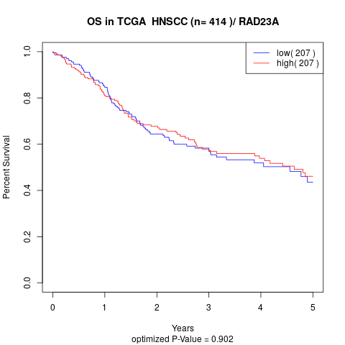

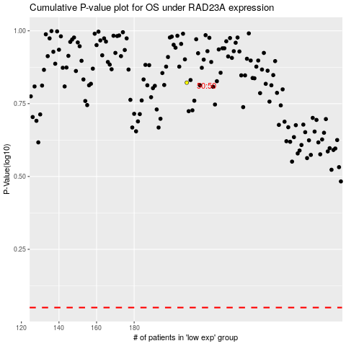

 |  |  |  |  |  | cases_OS | p_OS | rank | exp
 |  |  |  |  |  |  | cases_RFS | p_RFS | rank | exp

