RAD50 _multivariate
Reported by Tex Li-Hsing Chi. tex@gate.sinica.edu.tw 2019-08-16

Table 2. The clinicopathological features of HNSCC cohort and RAD50 expression. (Chi square test)
Cutoff at -0.191 (49.8%)
 |  | RAD50 expression |  | RAD50 expression |  | (Optimised)
 | Features | Low | (%) | High | (%) | Case no | P-value | Remark | Matthews
Gender | Female | 157 | 37.8 | 149 | 35.9 | 415 | 0.3881 | 0 | 0
2 | Male | 50 | 12 | 59 | 14.2
Age at diagnosis | <=65y | 142 | 34.2 | 132 | 31.8 | 415 | 0.3167 | 0 | 0
4 | >65y | 65 | 15.7 | 76 | 18.3
Clinical T Status | T1+T2 | 63 | 15.2 | 86 | 20.7 | 415 | 0.0268 | 1 | 0
6 | T3+T4 | 144 | 34.7 | 122 | 29.4
Clinical N Status | N0 | 102 | 24.6 | 114 | 27.5 | 415 | 0.3031 | 0 | 0
8 | N1-3 | 105 | 25.3 | 94 | 22.7
Clinical M Status | M0 | 206 | 49.6 | 206 | 49.6 | 415 | 1 | 0 | 0
10 | M1 | 1 | 0.2 | 2 | 0.5
Clinical Stage | Stage I+II | 42 | 10.1 | 60 | 14.5 | 415 | 0.0561 | 0 | 0
12 | Stage III+IV | 165 | 39.8 | 148 | 35.7
Surgical Margin status | Negative | 154 | 37.1 | 164 | 39.5 | 415 | 0.2984 | 0 | 0
14 | Positive | 53 | 12.8 | 44 | 10.6
Tobacco Exposure | Low | 74 | 17.8 | 87 | 21 | 415 | 0.227 | 0 | 0
16 | High | 133 | 32 | 121 | 29.2

Table 3. Univariate/Multivariate Cox's proportional hazards regression analyses on OS time of RAD50 gene expression in HNSCC

 |  | Univariate |  |  |  | Multivariate
 | Features | HR | CI95%(L) | CI95%(H) | P-value | HR | CI95%(L) | CI95%(H) | P-value
1 | Female | 1 |  |  |  | 1
Gender | Male | 1.157 | 0.843 | 1.587 | 0.367 | 1.211 | 0.866 | 1.692 | 0.263
11 | <=65y | 1 |  |  |  | 1
Age at diagnosis | >65y | 1.329 | 0.99 | 1.784 | 0.058 | 1.378 | 1.013 | 1.874 | 0.041
12 | T1+T2 | 1 |  |  |  | 1
Clinical T Status | T3+T4 | 1.409 | 1.028 | 1.931 | 0.033 | 2.241 | 1.185 | 4.24 | 0.013
13 | N0 | 1 |  |  |  | 1
Clinical N Status | N1-3 | 1.185 | 0.89 | 1.577 | 0.246 | 1.247 | 0.874 | 1.779 | 0.223
14 | M0 | 1 |  |  |  | 1
Clinical M Status | M1 | 4.097 | 1.009 | 16.644 | 0.049 | 9.371 | 2.045 | 42.948 | 0.004
15 | Stage I+II | 1 |  |  |  | 1
Clinical Stage | Stage III+IV | 1.245 | 0.882 | 1.759 | 0.213 | 0.507 | 0.236 | 1.088 | 0.081
16 | Negative | 1 |  |  |  | 1
Surgical Margin status | Positive | 1.591 | 1.155 | 2.191 | 0.004 | 1.683 | 1.218 | 2.325 | 0.002
17 | Low | 1 |  |  |  | 1
Tobacco Exposure | High | 1.364 | 1.008 | 1.844 | 0.044 | 1.482 | 1.073 | 2.048 | 0.017
18 | Low | 1 |  |  |  | 1
RNAseq(z-score) | High | 1.068 | 0.802 | 1.423 | 0.654 | 1.165 | 0.867 | 1.566 | 0.31

Table 4. Univariate/Multivariate Cox's proportional hazards regression analyses on RFS time of RAD50 gene expression in HNSCC

 |  | Univariate |  |  |  | Multivariate
 | Features | HR | CI95%(L) | CI95%(H) | P-value | HR | CI95%(L) | CI95%(H) | P-value
1 | Female | 1 |  |  |  | 1
Gender | Male | 1.157 | 0.843 | 1.587 | 0.367 | 1.211 | 0.866 | 1.692 | 0.263
11 | <=65y | 1 |  |  |  | 1
Age at diagnosis | >65y | 1.329 | 0.99 | 1.784 | 0.058 | 1.378 | 1.013 | 1.874 | 0.041
12 | T1+T2 | 1 |  |  |  | 1
Clinical T Status | T3+T4 | 1.409 | 1.028 | 1.931 | 0.033 | 2.241 | 1.185 | 4.24 | 0.013
13 | N0 | 1 |  |  |  | 1
Clinical N Status | N1-3 | 1.185 | 0.89 | 1.577 | 0.246 | 1.247 | 0.874 | 1.779 | 0.223
14 | M0 | 1 |  |  |  | 1
Clinical M Status | M1 | 4.097 | 1.009 | 16.644 | 0.049 | 9.371 | 2.045 | 42.948 | 0.004
15 | Stage I+II | 1 |  |  |  | 1
Clinical Stage | Stage III+IV | 1.245 | 0.882 | 1.759 | 0.213 | 0.507 | 0.236 | 1.088 | 0.081
16 | Negative | 1 |  |  |  | 1
Surgical Margin status | Positive | 1.591 | 1.155 | 2.191 | 0.004 | 1.683 | 1.218 | 2.325 | 0.002
17 | Low | 1 |  |  |  | 1
Tobacco Exposure | High | 1.364 | 1.008 | 1.844 | 0.044 | 1.482 | 1.073 | 2.048 | 0.017
18 | Low | 1 |  |  |  | 1
RNAseq(z-score) | High | 1.068 | 0.802 | 1.423 | 0.654 | 1.165 | 0.867 | 1.566 | 0.31

Kaplan-Meier survival estimate: Cutoff at -0.191 (49.8%)



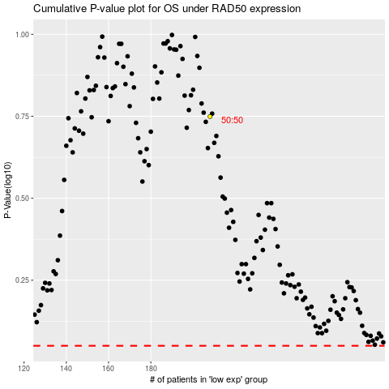

 |  |  |  |  |  | cases_OS | p_OS | rank | exp
 |  |  |  |  |  |  | cases_RFS | p_RFS | rank | exp

