RAD51AP1 _multivariate
Reported by Tex Li-Hsing Chi. tex@gate.sinica.edu.tw 2019-08-16

Table 2. The clinicopathological features of HNSCC cohort and RAD51AP1 expression. (Chi square test)
Cutoff at -0.304 (39.9%)
 |  | RAD51AP1 expression |  | RAD51AP1 expression |  | (Optimised)
 | Features | Low | (%) | High | (%) | Case no | P-value | Remark | Matthews
Gender | Female | 116 | 28 | 190 | 45.8 | 415 | 0.1792 | 0 | 0
2 | Male | 50 | 12 | 59 | 14.2
Age at diagnosis | <=65y | 107 | 25.8 | 167 | 40.2 | 415 | 0.6568 | 0 | 0
4 | >65y | 59 | 14.2 | 82 | 19.8
Clinical T Status | T1+T2 | 56 | 13.5 | 93 | 22.4 | 415 | 0.5173 | 0 | 0
6 | T3+T4 | 110 | 26.5 | 156 | 37.6
Clinical N Status | N0 | 89 | 21.4 | 127 | 30.6 | 415 | 0.6736 | 0 | 0
8 | N1-3 | 77 | 18.6 | 122 | 29.4
Clinical M Status | M0 | 165 | 39.8 | 247 | 59.5 | 415 | 1 | 0 | 0
10 | M1 | 1 | 0.2 | 2 | 0.5
Clinical Stage | Stage I+II | 37 | 8.9 | 65 | 15.7 | 415 | 0.4425 | 0 | 0
12 | Stage III+IV | 129 | 31.1 | 184 | 44.3
Surgical Margin status | Negative | 137 | 33 | 181 | 43.6 | 415 | 0.0243 | 1 | 0
14 | Positive | 29 | 7 | 68 | 16.4
Tobacco Exposure | Low | 75 | 18.1 | 86 | 20.7 | 415 | 0.0313 | 1 | 0
16 | High | 91 | 21.9 | 163 | 39.3

Table 3. Univariate/Multivariate Cox's proportional hazards regression analyses on OS time of RAD51AP1 gene expression in HNSCC

 |  | Univariate |  |  |  | Multivariate
 | Features | HR | CI95%(L) | CI95%(H) | P-value | HR | CI95%(L) | CI95%(H) | P-value
1 | Female | 1 |  |  |  | 1
Gender | Male | 1.157 | 0.843 | 1.587 | 0.367 | 1.227 | 0.877 | 1.715 | 0.232
11 | <=65y | 1 |  |  |  | 1
Age at diagnosis | >65y | 1.329 | 0.99 | 1.784 | 0.058 | 1.392 | 1.025 | 1.89 | 0.034
12 | T1+T2 | 1 |  |  |  | 1
Clinical T Status | T3+T4 | 1.409 | 1.028 | 1.931 | 0.033 | 2.195 | 1.161 | 4.15 | 0.016
13 | N0 | 1 |  |  |  | 1
Clinical N Status | N1-3 | 1.185 | 0.89 | 1.577 | 0.246 | 1.222 | 0.856 | 1.745 | 0.27
14 | M0 | 1 |  |  |  | 1
Clinical M Status | M1 | 4.097 | 1.009 | 16.644 | 0.049 | 9.365 | 2.043 | 42.937 | 0.004
15 | Stage I+II | 1 |  |  |  | 1
Clinical Stage | Stage III+IV | 1.245 | 0.882 | 1.759 | 0.213 | 0.518 | 0.241 | 1.112 | 0.091
16 | Negative | 1 |  |  |  | 1
Surgical Margin status | Positive | 1.591 | 1.155 | 2.191 | 0.004 | 1.621 | 1.17 | 2.245 | 0.004
17 | Low | 1 |  |  |  | 1
Tobacco Exposure | High | 1.364 | 1.008 | 1.844 | 0.044 | 1.399 | 1.012 | 1.933 | 0.042
18 | Low | 1 |  |  |  | 1
RNAseq(z-score) | High | 1.366 | 1.009 | 1.848 | 0.043 | 1.264 | 0.927 | 1.725 | 0.139

Table 4. Univariate/Multivariate Cox's proportional hazards regression analyses on RFS time of RAD51AP1 gene expression in HNSCC

 |  | Univariate |  |  |  | Multivariate
 | Features | HR | CI95%(L) | CI95%(H) | P-value | HR | CI95%(L) | CI95%(H) | P-value
1 | Female | 1 |  |  |  | 1
Gender | Male | 1.157 | 0.843 | 1.587 | 0.367 | 1.227 | 0.877 | 1.715 | 0.232
11 | <=65y | 1 |  |  |  | 1
Age at diagnosis | >65y | 1.329 | 0.99 | 1.784 | 0.058 | 1.392 | 1.025 | 1.89 | 0.034
12 | T1+T2 | 1 |  |  |  | 1
Clinical T Status | T3+T4 | 1.409 | 1.028 | 1.931 | 0.033 | 2.195 | 1.161 | 4.15 | 0.016
13 | N0 | 1 |  |  |  | 1
Clinical N Status | N1-3 | 1.185 | 0.89 | 1.577 | 0.246 | 1.222 | 0.856 | 1.745 | 0.27
14 | M0 | 1 |  |  |  | 1
Clinical M Status | M1 | 4.097 | 1.009 | 16.644 | 0.049 | 9.365 | 2.043 | 42.937 | 0.004
15 | Stage I+II | 1 |  |  |  | 1
Clinical Stage | Stage III+IV | 1.245 | 0.882 | 1.759 | 0.213 | 0.518 | 0.241 | 1.112 | 0.091
16 | Negative | 1 |  |  |  | 1
Surgical Margin status | Positive | 1.591 | 1.155 | 2.191 | 0.004 | 1.621 | 1.17 | 2.245 | 0.004
17 | Low | 1 |  |  |  | 1
Tobacco Exposure | High | 1.364 | 1.008 | 1.844 | 0.044 | 1.399 | 1.012 | 1.933 | 0.042
18 | Low | 1 |  |  |  | 1
RNAseq(z-score) | High | 1.366 | 1.009 | 1.848 | 0.043 | 1.264 | 0.927 | 1.725 | 0.139

Kaplan-Meier survival estimate: Cutoff at -0.304 (39.9%)



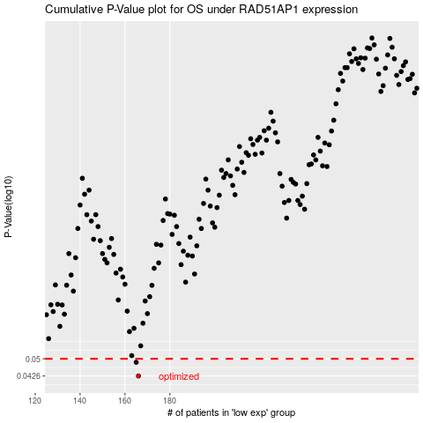

 |  |  |  |  |  | cases_OS | p_OS | rank | exp
 |  |  |  |  |  | 166 | 0.0426 | 62 | -0.30440649655
 |  |  |  |  |  | 165 | 0.0484 | 101 | -0.30559917132
 |  |  |  |  |  |  | cases_RFS | p_RFS | rank | exp
 |  |  |  |  |  |  | 165 | 0.0426 | 101 | -0.30559917132
 |  |  |  |  |  |  | 164 | 0.0484 | 403 | -0.30670913955

