RAD51C _multivariate
Reported by Tex Li-Hsing Chi. tex@gate.sinica.edu.tw 2019-08-16

Table 2. The clinicopathological features of HNSCC cohort and RAD51C expression. (Chi square test)
Cutoff at -0.244 (49.8%)
 |  | RAD51C expression |  | RAD51C expression |  | (Optimised)
 | Features | Low | (%) | High | (%) | Case no | P-value | Remark | Matthews
Gender | Female | 144 | 34.7 | 162 | 39 | 415 | 0.0697 | 0 | 0
2 | Male | 63 | 15.2 | 46 | 11.1
Age at diagnosis | <=65y | 133 | 32 | 141 | 34 | 415 | 0.5111 | 0 | 0
4 | >65y | 74 | 17.8 | 67 | 16.1
Clinical T Status | T1+T2 | 84 | 20.2 | 65 | 15.7 | 415 | 0.0603 | 0 | 0
6 | T3+T4 | 123 | 29.6 | 143 | 34.5
Clinical N Status | N0 | 111 | 26.7 | 105 | 25.3 | 415 | 0.5875 | 0 | 0
8 | N1-3 | 96 | 23.1 | 103 | 24.8
Clinical M Status | M0 | 206 | 49.6 | 206 | 49.6 | 415 | 1 | 0 | 0
10 | M1 | 1 | 0.2 | 2 | 0.5
Clinical Stage | Stage I+II | 65 | 15.7 | 37 | 8.9 | 415 | 0.0019 | 1 | 0
12 | Stage III+IV | 142 | 34.2 | 171 | 41.2
Surgical Margin status | Negative | 164 | 39.5 | 154 | 37.1 | 415 | 0.2462 | 0 | 0
14 | Positive | 43 | 10.4 | 54 | 13
Tobacco Exposure | Low | 93 | 22.4 | 68 | 16.4 | 415 | 0.0118 | 1 | 0
16 | High | 114 | 27.5 | 140 | 33.7

Table 3. Univariate/Multivariate Cox's proportional hazards regression analyses on OS time of RAD51C gene expression in HNSCC

 |  | Univariate |  |  |  | Multivariate
 | Features | HR | CI95%(L) | CI95%(H) | P-value | HR | CI95%(L) | CI95%(H) | P-value
1 | Female | 1 |  |  |  | 1
Gender | Male | 1.157 | 0.843 | 1.587 | 0.367 | 1.194 | 0.854 | 1.667 | 0.3
11 | <=65y | 1 |  |  |  | 1
Age at diagnosis | >65y | 1.329 | 0.99 | 1.784 | 0.058 | 1.404 | 1.032 | 1.912 | 0.031
12 | T1+T2 | 1 |  |  |  | 1
Clinical T Status | T3+T4 | 1.409 | 1.028 | 1.931 | 0.033 | 2.182 | 1.153 | 4.127 | 0.016
13 | N0 | 1 |  |  |  | 1
Clinical N Status | N1-3 | 1.185 | 0.89 | 1.577 | 0.246 | 1.236 | 0.866 | 1.764 | 0.244
14 | M0 | 1 |  |  |  | 1
Clinical M Status | M1 | 4.097 | 1.009 | 16.644 | 0.049 | 9.687 | 2.11 | 44.472 | 0.003
15 | Stage I+II | 1 |  |  |  | 1
Clinical Stage | Stage III+IV | 1.245 | 0.882 | 1.759 | 0.213 | 0.521 | 0.242 | 1.123 | 0.096
16 | Negative | 1 |  |  |  | 1
Surgical Margin status | Positive | 1.591 | 1.155 | 2.191 | 0.004 | 1.692 | 1.223 | 2.341 | 0.001
17 | Low | 1 |  |  |  | 1
Tobacco Exposure | High | 1.364 | 1.008 | 1.844 | 0.044 | 1.482 | 1.072 | 2.048 | 0.017
18 | Low | 1 |  |  |  | 1
RNAseq(z-score) | High | 0.96 | 0.721 | 1.279 | 0.782 | 0.873 | 0.65 | 1.172 | 0.365

Table 4. Univariate/Multivariate Cox's proportional hazards regression analyses on RFS time of RAD51C gene expression in HNSCC

 |  | Univariate |  |  |  | Multivariate
 | Features | HR | CI95%(L) | CI95%(H) | P-value | HR | CI95%(L) | CI95%(H) | P-value
1 | Female | 1 |  |  |  | 1
Gender | Male | 1.157 | 0.843 | 1.587 | 0.367 | 1.194 | 0.854 | 1.667 | 0.3
11 | <=65y | 1 |  |  |  | 1
Age at diagnosis | >65y | 1.329 | 0.99 | 1.784 | 0.058 | 1.404 | 1.032 | 1.912 | 0.031
12 | T1+T2 | 1 |  |  |  | 1
Clinical T Status | T3+T4 | 1.409 | 1.028 | 1.931 | 0.033 | 2.182 | 1.153 | 4.127 | 0.016
13 | N0 | 1 |  |  |  | 1
Clinical N Status | N1-3 | 1.185 | 0.89 | 1.577 | 0.246 | 1.236 | 0.866 | 1.764 | 0.244
14 | M0 | 1 |  |  |  | 1
Clinical M Status | M1 | 4.097 | 1.009 | 16.644 | 0.049 | 9.687 | 2.11 | 44.472 | 0.003
15 | Stage I+II | 1 |  |  |  | 1
Clinical Stage | Stage III+IV | 1.245 | 0.882 | 1.759 | 0.213 | 0.521 | 0.242 | 1.123 | 0.096
16 | Negative | 1 |  |  |  | 1
Surgical Margin status | Positive | 1.591 | 1.155 | 2.191 | 0.004 | 1.692 | 1.223 | 2.341 | 0.001
17 | Low | 1 |  |  |  | 1
Tobacco Exposure | High | 1.364 | 1.008 | 1.844 | 0.044 | 1.482 | 1.072 | 2.048 | 0.017
18 | Low | 1 |  |  |  | 1
RNAseq(z-score) | High | 0.96 | 0.721 | 1.279 | 0.782 | 0.873 | 0.65 | 1.172 | 0.365

Kaplan-Meier survival estimate: Cutoff at -0.244 (49.8%)



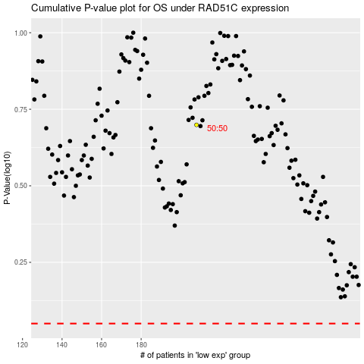

 |  |  |  |  |  | cases_OS | p_OS | rank | exp
 |  |  |  |  |  |  | cases_RFS | p_RFS | rank | exp

