RAD52 _multivariate
Reported by Tex Li-Hsing Chi. tex@gate.sinica.edu.tw 2019-08-16

Table 2. The clinicopathological features of HNSCC cohort and RAD52 expression. (Chi square test)
Cutoff at -0.238 (49.8%)
 |  | RAD52 expression |  | RAD52 expression |  | (Optimised)
 | Features | Low | (%) | High | (%) | Case no | P-value | Remark | Matthews
Gender | Female | 141 | 34 | 165 | 39.8 | 415 | 0.013 | 1 | 0
2 | Male | 66 | 15.9 | 43 | 10.4
Age at diagnosis | <=65y | 136 | 32.8 | 138 | 33.3 | 415 | 0.9719 | 0 | 0
4 | >65y | 71 | 17.1 | 70 | 16.9
Clinical T Status | T1+T2 | 69 | 16.6 | 80 | 19.3 | 415 | 0.3239 | 0 | 0
6 | T3+T4 | 138 | 33.3 | 128 | 30.8
Clinical N Status | N0 | 108 | 26 | 108 | 26 | 415 | 1 | 0 | 0
8 | N1-3 | 99 | 23.9 | 100 | 24.1
Clinical M Status | M0 | 206 | 49.6 | 206 | 49.6 | 415 | 1 | 0 | 0
10 | M1 | 1 | 0.2 | 2 | 0.5
Clinical Stage | Stage I+II | 51 | 12.3 | 51 | 12.3 | 415 | 1 | 0 | 0
12 | Stage III+IV | 156 | 37.6 | 157 | 37.8
Surgical Margin status | Negative | 163 | 39.3 | 155 | 37.3 | 415 | 0.3537 | 0 | 0
14 | Positive | 44 | 10.6 | 53 | 12.8
Tobacco Exposure | Low | 81 | 19.5 | 80 | 19.3 | 415 | 0.9199 | 0 | 0
16 | High | 126 | 30.4 | 128 | 30.8

Table 3. Univariate/Multivariate Cox's proportional hazards regression analyses on OS time of RAD52 gene expression in HNSCC

 |  | Univariate |  |  |  | Multivariate
 | Features | HR | CI95%(L) | CI95%(H) | P-value | HR | CI95%(L) | CI95%(H) | P-value
1 | Female | 1 |  |  |  | 1
Gender | Male | 1.157 | 0.843 | 1.587 | 0.367 | 1.169 | 0.834 | 1.637 | 0.365
11 | <=65y | 1 |  |  |  | 1
Age at diagnosis | >65y | 1.329 | 0.99 | 1.784 | 0.058 | 1.396 | 1.027 | 1.898 | 0.033
12 | T1+T2 | 1 |  |  |  | 1
Clinical T Status | T3+T4 | 1.409 | 1.028 | 1.931 | 0.033 | 2.14 | 1.129 | 4.055 | 0.02
13 | N0 | 1 |  |  |  | 1
Clinical N Status | N1-3 | 1.185 | 0.89 | 1.577 | 0.246 | 1.225 | 0.858 | 1.749 | 0.264
14 | M0 | 1 |  |  |  | 1
Clinical M Status | M1 | 4.097 | 1.009 | 16.644 | 0.049 | 9.399 | 2.05 | 43.091 | 0.004
15 | Stage I+II | 1 |  |  |  | 1
Clinical Stage | Stage III+IV | 1.245 | 0.882 | 1.759 | 0.213 | 0.516 | 0.24 | 1.108 | 0.09
16 | Negative | 1 |  |  |  | 1
Surgical Margin status | Positive | 1.591 | 1.155 | 2.191 | 0.004 | 1.721 | 1.24 | 2.387 | 0.001
17 | Low | 1 |  |  |  | 1
Tobacco Exposure | High | 1.364 | 1.008 | 1.844 | 0.044 | 1.469 | 1.065 | 2.027 | 0.019
18 | Low | 1 |  |  |  | 1
RNAseq(z-score) | High | 0.866 | 0.649 | 1.155 | 0.328 | 0.843 | 0.626 | 1.134 | 0.259

Table 4. Univariate/Multivariate Cox's proportional hazards regression analyses on RFS time of RAD52 gene expression in HNSCC

 |  | Univariate |  |  |  | Multivariate
 | Features | HR | CI95%(L) | CI95%(H) | P-value | HR | CI95%(L) | CI95%(H) | P-value
1 | Female | 1 |  |  |  | 1
Gender | Male | 1.157 | 0.843 | 1.587 | 0.367 | 1.169 | 0.834 | 1.637 | 0.365
11 | <=65y | 1 |  |  |  | 1
Age at diagnosis | >65y | 1.329 | 0.99 | 1.784 | 0.058 | 1.396 | 1.027 | 1.898 | 0.033
12 | T1+T2 | 1 |  |  |  | 1
Clinical T Status | T3+T4 | 1.409 | 1.028 | 1.931 | 0.033 | 2.14 | 1.129 | 4.055 | 0.02
13 | N0 | 1 |  |  |  | 1
Clinical N Status | N1-3 | 1.185 | 0.89 | 1.577 | 0.246 | 1.225 | 0.858 | 1.749 | 0.264
14 | M0 | 1 |  |  |  | 1
Clinical M Status | M1 | 4.097 | 1.009 | 16.644 | 0.049 | 9.399 | 2.05 | 43.091 | 0.004
15 | Stage I+II | 1 |  |  |  | 1
Clinical Stage | Stage III+IV | 1.245 | 0.882 | 1.759 | 0.213 | 0.516 | 0.24 | 1.108 | 0.09
16 | Negative | 1 |  |  |  | 1
Surgical Margin status | Positive | 1.591 | 1.155 | 2.191 | 0.004 | 1.721 | 1.24 | 2.387 | 0.001
17 | Low | 1 |  |  |  | 1
Tobacco Exposure | High | 1.364 | 1.008 | 1.844 | 0.044 | 1.469 | 1.065 | 2.027 | 0.019
18 | Low | 1 |  |  |  | 1
RNAseq(z-score) | High | 0.866 | 0.649 | 1.155 | 0.328 | 0.843 | 0.626 | 1.134 | 0.259

Kaplan-Meier survival estimate: Cutoff at -0.238 (49.8%)



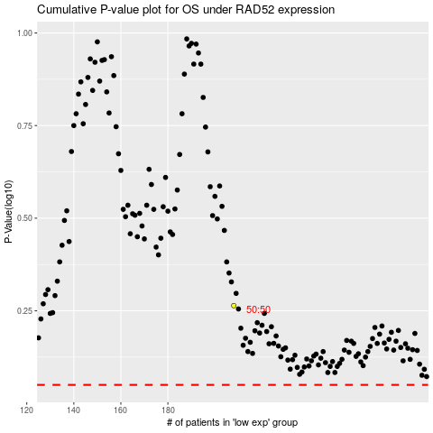

 |  |  |  |  |  | cases_OS | p_OS | rank | exp
 |  |  |  |  |  |  | cases_RFS | p_RFS | rank | exp

