RAD54L2 _multivariate
Reported by Tex Li-Hsing Chi. tex@gate.sinica.edu.tw 2019-08-16

Table 2. The clinicopathological features of HNSCC cohort and RAD54L2 expression. (Chi square test)
Cutoff at -0.203 (49.8%)
 |  | RAD54L2 expression |  | RAD54L2 expression |  | (Optimised)
 | Features | Low | (%) | High | (%) | Case no | P-value | Remark | Matthews
Gender | Female | 154 | 37.1 | 152 | 36.6 | 415 | 0.8463 | 0 | 0
2 | Male | 53 | 12.8 | 56 | 13.5
Age at diagnosis | <=65y | 137 | 33 | 137 | 33 | 415 | 1 | 0 | 0
4 | >65y | 70 | 16.9 | 71 | 17.1
Clinical T Status | T1+T2 | 75 | 18.1 | 74 | 17.8 | 415 | 0.9707 | 0 | 0
6 | T3+T4 | 132 | 31.8 | 134 | 32.3
Clinical N Status | N0 | 112 | 27 | 104 | 25.1 | 415 | 0.4599 | 0 | 0
8 | N1-3 | 95 | 22.9 | 104 | 25.1
Clinical M Status | M0 | 204 | 49.2 | 208 | 50.1 | 415 | 0.1232 | 0 | 0
10 | M1 | 3 | 0.7 | 0 | 0
Clinical Stage | Stage I+II | 54 | 13 | 48 | 11.6 | 415 | 0.5498 | 0 | 0
12 | Stage III+IV | 153 | 36.9 | 160 | 38.6
Surgical Margin status | Negative | 155 | 37.3 | 163 | 39.3 | 415 | 0.4187 | 0 | 0
14 | Positive | 52 | 12.5 | 45 | 10.8
Tobacco Exposure | Low | 85 | 20.5 | 76 | 18.3 | 415 | 0.3655 | 0 | 0
16 | High | 122 | 29.4 | 132 | 31.8

Table 3. Univariate/Multivariate Cox's proportional hazards regression analyses on OS time of RAD54L2 gene expression in HNSCC

 |  | Univariate |  |  |  | Multivariate
 | Features | HR | CI95%(L) | CI95%(H) | P-value | HR | CI95%(L) | CI95%(H) | P-value
1 | Female | 1 |  |  |  | 1
Gender | Male | 1.157 | 0.843 | 1.587 | 0.367 | 1.199 | 0.858 | 1.676 | 0.289
11 | <=65y | 1 |  |  |  | 1
Age at diagnosis | >65y | 1.329 | 0.99 | 1.784 | 0.058 | 1.394 | 1.025 | 1.895 | 0.034
12 | T1+T2 | 1 |  |  |  | 1
Clinical T Status | T3+T4 | 1.409 | 1.028 | 1.931 | 0.033 | 2.194 | 1.16 | 4.151 | 0.016
13 | N0 | 1 |  |  |  | 1
Clinical N Status | N1-3 | 1.185 | 0.89 | 1.577 | 0.246 | 1.241 | 0.87 | 1.771 | 0.234
14 | M0 | 1 |  |  |  | 1
Clinical M Status | M1 | 4.097 | 1.009 | 16.644 | 0.049 | 9.126 | 1.972 | 42.238 | 0.005
15 | Stage I+II | 1 |  |  |  | 1
Clinical Stage | Stage III+IV | 1.245 | 0.882 | 1.759 | 0.213 | 0.508 | 0.236 | 1.091 | 0.082
16 | Negative | 1 |  |  |  | 1
Surgical Margin status | Positive | 1.591 | 1.155 | 2.191 | 0.004 | 1.662 | 1.201 | 2.3 | 0.002
17 | Low | 1 |  |  |  | 1
Tobacco Exposure | High | 1.364 | 1.008 | 1.844 | 0.044 | 1.452 | 1.054 | 2.001 | 0.023
18 | Low | 1 |  |  |  | 1
RNAseq(z-score) | High | 0.893 | 0.67 | 1.191 | 0.442 | 0.95 | 0.71 | 1.272 | 0.732

Table 4. Univariate/Multivariate Cox's proportional hazards regression analyses on RFS time of RAD54L2 gene expression in HNSCC

 |  | Univariate |  |  |  | Multivariate
 | Features | HR | CI95%(L) | CI95%(H) | P-value | HR | CI95%(L) | CI95%(H) | P-value
1 | Female | 1 |  |  |  | 1
Gender | Male | 1.157 | 0.843 | 1.587 | 0.367 | 1.199 | 0.858 | 1.676 | 0.289
11 | <=65y | 1 |  |  |  | 1
Age at diagnosis | >65y | 1.329 | 0.99 | 1.784 | 0.058 | 1.394 | 1.025 | 1.895 | 0.034
12 | T1+T2 | 1 |  |  |  | 1
Clinical T Status | T3+T4 | 1.409 | 1.028 | 1.931 | 0.033 | 2.194 | 1.16 | 4.151 | 0.016
13 | N0 | 1 |  |  |  | 1
Clinical N Status | N1-3 | 1.185 | 0.89 | 1.577 | 0.246 | 1.241 | 0.87 | 1.771 | 0.234
14 | M0 | 1 |  |  |  | 1
Clinical M Status | M1 | 4.097 | 1.009 | 16.644 | 0.049 | 9.126 | 1.972 | 42.238 | 0.005
15 | Stage I+II | 1 |  |  |  | 1
Clinical Stage | Stage III+IV | 1.245 | 0.882 | 1.759 | 0.213 | 0.508 | 0.236 | 1.091 | 0.082
16 | Negative | 1 |  |  |  | 1
Surgical Margin status | Positive | 1.591 | 1.155 | 2.191 | 0.004 | 1.662 | 1.201 | 2.3 | 0.002
17 | Low | 1 |  |  |  | 1
Tobacco Exposure | High | 1.364 | 1.008 | 1.844 | 0.044 | 1.452 | 1.054 | 2.001 | 0.023
18 | Low | 1 |  |  |  | 1
RNAseq(z-score) | High | 0.893 | 0.67 | 1.191 | 0.442 | 0.95 | 0.71 | 1.272 | 0.732

Kaplan-Meier survival estimate: Cutoff at -0.203 (49.8%)



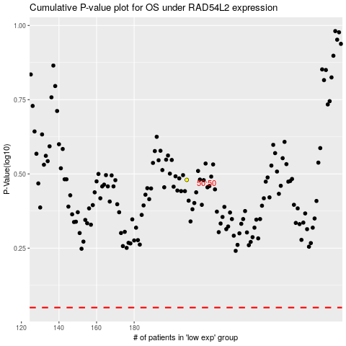

 |  |  |  |  |  | cases_OS | p_OS | rank | exp
 |  |  |  |  |  |  | cases_RFS | p_RFS | rank | exp

