RAE1 _multivariate
Reported by Tex Li-Hsing Chi. tex@gate.sinica.edu.tw 2019-08-16

Table 2. The clinicopathological features of HNSCC cohort and RAE1 expression. (Chi square test)
Cutoff at -0.109 (49.8%)
 |  | RAE1 expression |  | RAE1 expression |  | (Optimised)
 | Features | Low | (%) | High | (%) | Case no | P-value | Remark | Matthews
Gender | Female | 146 | 35.2 | 160 | 38.6 | 415 | 0.1714 | 0 | 0
2 | Male | 61 | 14.7 | 48 | 11.6
Age at diagnosis | <=65y | 132 | 31.8 | 142 | 34.2 | 415 | 0.3874 | 0 | 0
4 | >65y | 75 | 18.1 | 66 | 15.9
Clinical T Status | T1+T2 | 78 | 18.8 | 71 | 17.1 | 415 | 0.5152 | 0 | 0
6 | T3+T4 | 129 | 31.1 | 137 | 33
Clinical N Status | N0 | 119 | 28.7 | 97 | 23.4 | 415 | 0.0345 | 1 | 0
8 | N1-3 | 88 | 21.2 | 111 | 26.7
Clinical M Status | M0 | 207 | 49.9 | 205 | 49.4 | 415 | 0.2482 | 0 | 0
10 | M1 | 0 | 0 | 3 | 0.7
Clinical Stage | Stage I+II | 59 | 14.2 | 43 | 10.4 | 415 | 0.0822 | 0 | 0
12 | Stage III+IV | 148 | 35.7 | 165 | 39.8
Surgical Margin status | Negative | 165 | 39.8 | 153 | 36.9 | 415 | 0.1639 | 0 | 0
14 | Positive | 42 | 10.1 | 55 | 13.3
Tobacco Exposure | Low | 95 | 22.9 | 66 | 15.9 | 415 | 0.0035 | 1 | 0
16 | High | 112 | 27 | 142 | 34.2

Table 3. Univariate/Multivariate Cox's proportional hazards regression analyses on OS time of RAE1 gene expression in HNSCC

 |  | Univariate |  |  |  | Multivariate
 | Features | HR | CI95%(L) | CI95%(H) | P-value | HR | CI95%(L) | CI95%(H) | P-value
1 | Female | 1 |  |  |  | 1
Gender | Male | 1.157 | 0.843 | 1.587 | 0.367 | 1.192 | 0.852 | 1.667 | 0.306
11 | <=65y | 1 |  |  |  | 1
Age at diagnosis | >65y | 1.329 | 0.99 | 1.784 | 0.058 | 1.385 | 1.019 | 1.882 | 0.038
12 | T1+T2 | 1 |  |  |  | 1
Clinical T Status | T3+T4 | 1.409 | 1.028 | 1.931 | 0.033 | 2.22 | 1.174 | 4.2 | 0.014
13 | N0 | 1 |  |  |  | 1
Clinical N Status | N1-3 | 1.185 | 0.89 | 1.577 | 0.246 | 1.229 | 0.86 | 1.755 | 0.257
14 | M0 | 1 |  |  |  | 1
Clinical M Status | M1 | 4.097 | 1.009 | 16.644 | 0.049 | 8.848 | 1.921 | 40.758 | 0.005
15 | Stage I+II | 1 |  |  |  | 1
Clinical Stage | Stage III+IV | 1.245 | 0.882 | 1.759 | 0.213 | 0.498 | 0.232 | 1.07 | 0.074
16 | Negative | 1 |  |  |  | 1
Surgical Margin status | Positive | 1.591 | 1.155 | 2.191 | 0.004 | 1.643 | 1.187 | 2.275 | 0.003
17 | Low | 1 |  |  |  | 1
Tobacco Exposure | High | 1.364 | 1.008 | 1.844 | 0.044 | 1.417 | 1.024 | 1.961 | 0.036
18 | Low | 1 |  |  |  | 1
RNAseq(z-score) | High | 1.297 | 0.972 | 1.73 | 0.077 | 1.153 | 0.857 | 1.551 | 0.348

Table 4. Univariate/Multivariate Cox's proportional hazards regression analyses on RFS time of RAE1 gene expression in HNSCC

 |  | Univariate |  |  |  | Multivariate
 | Features | HR | CI95%(L) | CI95%(H) | P-value | HR | CI95%(L) | CI95%(H) | P-value
1 | Female | 1 |  |  |  | 1
Gender | Male | 1.157 | 0.843 | 1.587 | 0.367 | 1.192 | 0.852 | 1.667 | 0.306
11 | <=65y | 1 |  |  |  | 1
Age at diagnosis | >65y | 1.329 | 0.99 | 1.784 | 0.058 | 1.385 | 1.019 | 1.882 | 0.038
12 | T1+T2 | 1 |  |  |  | 1
Clinical T Status | T3+T4 | 1.409 | 1.028 | 1.931 | 0.033 | 2.22 | 1.174 | 4.2 | 0.014
13 | N0 | 1 |  |  |  | 1
Clinical N Status | N1-3 | 1.185 | 0.89 | 1.577 | 0.246 | 1.229 | 0.86 | 1.755 | 0.257
14 | M0 | 1 |  |  |  | 1
Clinical M Status | M1 | 4.097 | 1.009 | 16.644 | 0.049 | 8.848 | 1.921 | 40.758 | 0.005
15 | Stage I+II | 1 |  |  |  | 1
Clinical Stage | Stage III+IV | 1.245 | 0.882 | 1.759 | 0.213 | 0.498 | 0.232 | 1.07 | 0.074
16 | Negative | 1 |  |  |  | 1
Surgical Margin status | Positive | 1.591 | 1.155 | 2.191 | 0.004 | 1.643 | 1.187 | 2.275 | 0.003
17 | Low | 1 |  |  |  | 1
Tobacco Exposure | High | 1.364 | 1.008 | 1.844 | 0.044 | 1.417 | 1.024 | 1.961 | 0.036
18 | Low | 1 |  |  |  | 1
RNAseq(z-score) | High | 1.297 | 0.972 | 1.73 | 0.077 | 1.153 | 0.857 | 1.551 | 0.348

Kaplan-Meier survival estimate: Cutoff at -0.109 (49.8%)



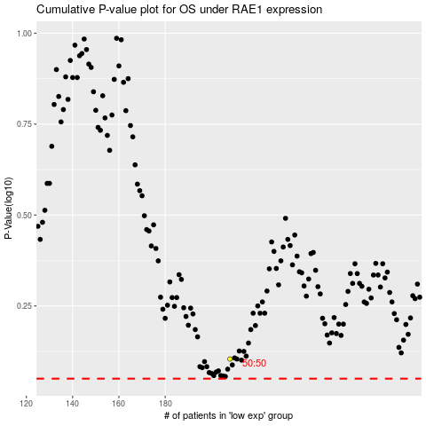

 |  |  |  |  |  | cases_OS | p_OS | rank | exp
 |  |  |  |  |  |  | cases_RFS | p_RFS | rank | exp

