RAET1E _multivariate
Reported by Tex Li-Hsing Chi. tex@gate.sinica.edu.tw 2019-08-16

Table 2. The clinicopathological features of HNSCC cohort and RAET1E expression. (Chi square test)
Cutoff at -0.168 (64.0%)
 |  | RAET1E expression |  | RAET1E expression |  | (Optimised)
 | Features | Low | (%) | High | (%) | Case no | P-value | Remark | Matthews
Gender | Female | 202 | 48.7 | 104 | 25.1 | 415 | 0.1565 | 0 | 0
2 | Male | 63 | 15.2 | 46 | 11.1
Age at diagnosis | <=65y | 173 | 41.7 | 101 | 24.3 | 415 | 0.7522 | 0 | 0
4 | >65y | 92 | 22.2 | 49 | 11.8
Clinical T Status | T1+T2 | 94 | 22.7 | 55 | 13.3 | 415 | 0.8908 | 0 | 0
6 | T3+T4 | 171 | 41.2 | 95 | 22.9
Clinical N Status | N0 | 136 | 32.8 | 80 | 19.3 | 415 | 0.7703 | 0 | 0
8 | N1-3 | 129 | 31.1 | 70 | 16.9
Clinical M Status | M0 | 262 | 63.1 | 150 | 36.1 | 415 | 0.5563 | 0 | 0
10 | M1 | 3 | 0.7 | 0 | 0
Clinical Stage | Stage I+II | 63 | 15.2 | 39 | 9.4 | 415 | 0.6984 | 0 | 0
12 | Stage III+IV | 202 | 48.7 | 111 | 26.7
Surgical Margin status | Negative | 201 | 48.4 | 117 | 28.2 | 415 | 0.7173 | 0 | 0
14 | Positive | 64 | 15.4 | 33 | 8
Tobacco Exposure | Low | 98 | 23.6 | 63 | 15.2 | 415 | 0.3457 | 0 | 0
16 | High | 167 | 40.2 | 87 | 21

Table 3. Univariate/Multivariate Cox's proportional hazards regression analyses on OS time of RAET1E gene expression in HNSCC

 |  | Univariate |  |  |  | Multivariate
 | Features | HR | CI95%(L) | CI95%(H) | P-value | HR | CI95%(L) | CI95%(H) | P-value
1 | Female | 1 |  |  |  | 1
Gender | Male | 1.157 | 0.843 | 1.587 | 0.367 | 1.241 | 0.886 | 1.739 | 0.209
11 | <=65y | 1 |  |  |  | 1
Age at diagnosis | >65y | 1.329 | 0.99 | 1.784 | 0.058 | 1.38 | 1.015 | 1.876 | 0.04
12 | T1+T2 | 1 |  |  |  | 1
Clinical T Status | T3+T4 | 1.409 | 1.028 | 1.931 | 0.033 | 2.158 | 1.142 | 4.078 | 0.018
13 | N0 | 1 |  |  |  | 1
Clinical N Status | N1-3 | 1.185 | 0.89 | 1.577 | 0.246 | 1.216 | 0.851 | 1.737 | 0.282
14 | M0 | 1 |  |  |  | 1
Clinical M Status | M1 | 4.097 | 1.009 | 16.644 | 0.049 | 8.554 | 1.862 | 39.305 | 0.006
15 | Stage I+II | 1 |  |  |  | 1
Clinical Stage | Stage III+IV | 1.245 | 0.882 | 1.759 | 0.213 | 0.509 | 0.237 | 1.092 | 0.083
16 | Negative | 1 |  |  |  | 1
Surgical Margin status | Positive | 1.591 | 1.155 | 2.191 | 0.004 | 1.67 | 1.209 | 2.306 | 0.002
17 | Low | 1 |  |  |  | 1
Tobacco Exposure | High | 1.364 | 1.008 | 1.844 | 0.044 | 1.452 | 1.054 | 2 | 0.022
18 | Low | 1 |  |  |  | 1
RNAseq(z-score) | High | 0.721 | 0.527 | 0.986 | 0.04 | 0.746 | 0.543 | 1.024 | 0.07

Table 4. Univariate/Multivariate Cox's proportional hazards regression analyses on RFS time of RAET1E gene expression in HNSCC

 |  | Univariate |  |  |  | Multivariate
 | Features | HR | CI95%(L) | CI95%(H) | P-value | HR | CI95%(L) | CI95%(H) | P-value
1 | Female | 1 |  |  |  | 1
Gender | Male | 1.157 | 0.843 | 1.587 | 0.367 | 1.241 | 0.886 | 1.739 | 0.209
11 | <=65y | 1 |  |  |  | 1
Age at diagnosis | >65y | 1.329 | 0.99 | 1.784 | 0.058 | 1.38 | 1.015 | 1.876 | 0.04
12 | T1+T2 | 1 |  |  |  | 1
Clinical T Status | T3+T4 | 1.409 | 1.028 | 1.931 | 0.033 | 2.158 | 1.142 | 4.078 | 0.018
13 | N0 | 1 |  |  |  | 1
Clinical N Status | N1-3 | 1.185 | 0.89 | 1.577 | 0.246 | 1.216 | 0.851 | 1.737 | 0.282
14 | M0 | 1 |  |  |  | 1
Clinical M Status | M1 | 4.097 | 1.009 | 16.644 | 0.049 | 8.554 | 1.862 | 39.305 | 0.006
15 | Stage I+II | 1 |  |  |  | 1
Clinical Stage | Stage III+IV | 1.245 | 0.882 | 1.759 | 0.213 | 0.509 | 0.237 | 1.092 | 0.083
16 | Negative | 1 |  |  |  | 1
Surgical Margin status | Positive | 1.591 | 1.155 | 2.191 | 0.004 | 1.67 | 1.209 | 2.306 | 0.002
17 | Low | 1 |  |  |  | 1
Tobacco Exposure | High | 1.364 | 1.008 | 1.844 | 0.044 | 1.452 | 1.054 | 2 | 0.022
18 | Low | 1 |  |  |  | 1
RNAseq(z-score) | High | 0.721 | 0.527 | 0.986 | 0.04 | 0.746 | 0.543 | 1.024 | 0.07

Kaplan-Meier survival estimate: Cutoff at -0.168 (64.0%)



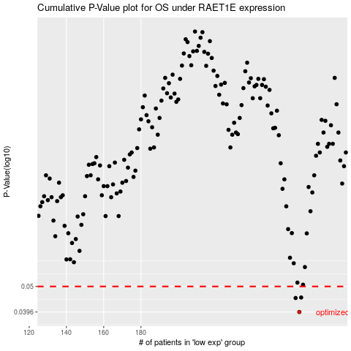

 |  |  |  |  |  | cases_OS | p_OS | rank | exp
 |  |  |  |  |  | 265 | 0.0396 | 16 | -0.16750625764
 |  |  |  |  |  | 263 | 0.045 | 96 | -0.17426251694
 |  |  |  |  |  | 266 | 0.0452 | 408 | -0.16465980351
 |  |  |  |  |  |  | cases_RFS | p_RFS | rank | exp
 |  |  |  |  |  |  | 264 | 0.0396 | 125 | -0.17407889114
 |  |  |  |  |  |  | 262 | 0.045 | 261 | -0.18249439514
 |  |  |  |  |  |  | 265 | 0.0452 | 16 | -0.16750625764

