RAET1G _multivariate
Reported by Tex Li-Hsing Chi. tex@gate.sinica.edu.tw 2019-08-16

Table 2. The clinicopathological features of HNSCC cohort and RAET1G expression. (Chi square test)
Cutoff at -0.299 (50.0%)
 |  | RAET1G expression |  | RAET1G expression |  | (Optimised)
 | Features | Low | (%) | High | (%) | Case no | P-value | Remark | Matthews
Gender | Female | 165 | 39.8 | 141 | 34 | 415 | 0.0081 | 1 | 0
2 | Male | 42 | 10.1 | 67 | 16.1
Age at diagnosis | <=65y | 141 | 34 | 133 | 32 | 415 | 0.4272 | 0 | 0
4 | >65y | 66 | 15.9 | 75 | 18.1
Clinical T Status | T1+T2 | 72 | 17.3 | 77 | 18.6 | 415 | 0.7095 | 0 | 0
6 | T3+T4 | 135 | 32.5 | 131 | 31.6
Clinical N Status | N0 | 101 | 24.3 | 115 | 27.7 | 415 | 0.2201 | 0 | 0
8 | N1-3 | 106 | 25.5 | 93 | 22.4
Clinical M Status | M0 | 206 | 49.6 | 206 | 49.6 | 415 | 1 | 0 | 0
10 | M1 | 1 | 0.2 | 2 | 0.5
Clinical Stage | Stage I+II | 52 | 12.5 | 50 | 12 | 415 | 0.8871 | 0 | 0
12 | Stage III+IV | 155 | 37.3 | 158 | 38.1
Surgical Margin status | Negative | 159 | 38.3 | 159 | 38.3 | 415 | 1 | 0 | 0
14 | Positive | 48 | 11.6 | 49 | 11.8
Tobacco Exposure | Low | 66 | 15.9 | 95 | 22.9 | 415 | 0.0048 | 1 | 0
16 | High | 141 | 34 | 113 | 27.2

Table 3. Univariate/Multivariate Cox's proportional hazards regression analyses on OS time of RAET1G gene expression in HNSCC

 |  | Univariate |  |  |  | Multivariate
 | Features | HR | CI95%(L) | CI95%(H) | P-value | HR | CI95%(L) | CI95%(H) | P-value
1 | Female | 1 |  |  |  | 1
Gender | Male | 1.157 | 0.843 | 1.587 | 0.367 | 1.233 | 0.879 | 1.729 | 0.225
11 | <=65y | 1 |  |  |  | 1
Age at diagnosis | >65y | 1.329 | 0.99 | 1.784 | 0.058 | 1.403 | 1.031 | 1.908 | 0.031
12 | T1+T2 | 1 |  |  |  | 1
Clinical T Status | T3+T4 | 1.409 | 1.028 | 1.931 | 0.033 | 2.154 | 1.137 | 4.08 | 0.019
13 | N0 | 1 |  |  |  | 1
Clinical N Status | N1-3 | 1.185 | 0.89 | 1.577 | 0.246 | 1.217 | 0.851 | 1.741 | 0.282
14 | M0 | 1 |  |  |  | 1
Clinical M Status | M1 | 4.097 | 1.009 | 16.644 | 0.049 | 9.813 | 2.136 | 45.089 | 0.003
15 | Stage I+II | 1 |  |  |  | 1
Clinical Stage | Stage III+IV | 1.245 | 0.882 | 1.759 | 0.213 | 0.519 | 0.241 | 1.117 | 0.094
16 | Negative | 1 |  |  |  | 1
Surgical Margin status | Positive | 1.591 | 1.155 | 2.191 | 0.004 | 1.678 | 1.214 | 2.319 | 0.002
17 | Low | 1 |  |  |  | 1
Tobacco Exposure | High | 1.364 | 1.008 | 1.844 | 0.044 | 1.425 | 1.032 | 1.967 | 0.031
18 | Low | 1 |  |  |  | 1
RNAseq(z-score) | High | 0.859 | 0.643 | 1.148 | 0.305 | 0.861 | 0.636 | 1.165 | 0.332

Table 4. Univariate/Multivariate Cox's proportional hazards regression analyses on RFS time of RAET1G gene expression in HNSCC

 |  | Univariate |  |  |  | Multivariate
 | Features | HR | CI95%(L) | CI95%(H) | P-value | HR | CI95%(L) | CI95%(H) | P-value
1 | Female | 1 |  |  |  | 1
Gender | Male | 1.157 | 0.843 | 1.587 | 0.367 | 1.233 | 0.879 | 1.729 | 0.225
11 | <=65y | 1 |  |  |  | 1
Age at diagnosis | >65y | 1.329 | 0.99 | 1.784 | 0.058 | 1.403 | 1.031 | 1.908 | 0.031
12 | T1+T2 | 1 |  |  |  | 1
Clinical T Status | T3+T4 | 1.409 | 1.028 | 1.931 | 0.033 | 2.154 | 1.137 | 4.08 | 0.019
13 | N0 | 1 |  |  |  | 1
Clinical N Status | N1-3 | 1.185 | 0.89 | 1.577 | 0.246 | 1.217 | 0.851 | 1.741 | 0.282
14 | M0 | 1 |  |  |  | 1
Clinical M Status | M1 | 4.097 | 1.009 | 16.644 | 0.049 | 9.813 | 2.136 | 45.089 | 0.003
15 | Stage I+II | 1 |  |  |  | 1
Clinical Stage | Stage III+IV | 1.245 | 0.882 | 1.759 | 0.213 | 0.519 | 0.241 | 1.117 | 0.094
16 | Negative | 1 |  |  |  | 1
Surgical Margin status | Positive | 1.591 | 1.155 | 2.191 | 0.004 | 1.678 | 1.214 | 2.319 | 0.002
17 | Low | 1 |  |  |  | 1
Tobacco Exposure | High | 1.364 | 1.008 | 1.844 | 0.044 | 1.425 | 1.032 | 1.967 | 0.031
18 | Low | 1 |  |  |  | 1
RNAseq(z-score) | High | 0.859 | 0.643 | 1.148 | 0.305 | 0.861 | 0.636 | 1.165 | 0.332

Kaplan-Meier survival estimate: Cutoff at -0.299 (50.0%)



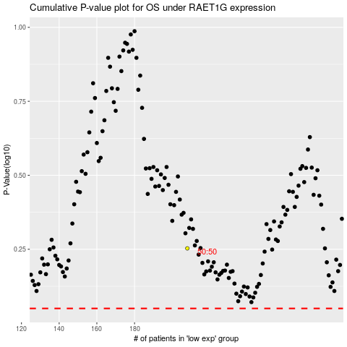

 |  |  |  |  |  | cases_OS | p_OS | rank | exp
 |  |  |  |  |  |  | cases_RFS | p_RFS | rank | exp

