RAF1 _multivariate
Reported by Tex Li-Hsing Chi. tex@gate.sinica.edu.tw 2019-08-16

Table 2. The clinicopathological features of HNSCC cohort and RAF1 expression. (Chi square test)
Cutoff at -0.542 (34.5%)
 |  | RAF1 expression |  | RAF1 expression |  | (Optimised)
 | Features | Low | (%) | High | (%) | Case no | P-value | Remark | Matthews
Gender | Female | 107 | 25.8 | 199 | 48 | 415 | 0.9399 | 0 | 0
2 | Male | 37 | 8.9 | 72 | 17.3
Age at diagnosis | <=65y | 93 | 22.4 | 181 | 43.6 | 415 | 0.7317 | 0 | 0
4 | >65y | 51 | 12.3 | 90 | 21.7
Clinical T Status | T1+T2 | 49 | 11.8 | 100 | 24.1 | 415 | 0.6361 | 0 | 0
6 | T3+T4 | 95 | 22.9 | 171 | 41.2
Clinical N Status | N0 | 71 | 17.1 | 145 | 34.9 | 415 | 0.4764 | 0 | 0
8 | N1-3 | 73 | 17.6 | 126 | 30.4
Clinical M Status | M0 | 142 | 34.2 | 270 | 65.1 | 415 | 0.2771 | 0 | 0
10 | M1 | 2 | 0.5 | 1 | 0.2
Clinical Stage | Stage I+II | 35 | 8.4 | 67 | 16.1 | 415 | 1 | 0 | 0
12 | Stage III+IV | 109 | 26.3 | 204 | 49.2
Surgical Margin status | Negative | 106 | 25.5 | 212 | 51.1 | 415 | 0.3298 | 0 | 0
14 | Positive | 38 | 9.2 | 59 | 14.2
Tobacco Exposure | Low | 50 | 12 | 111 | 26.7 | 415 | 0.2446 | 0 | 0
16 | High | 94 | 22.7 | 160 | 38.6

Table 3. Univariate/Multivariate Cox's proportional hazards regression analyses on OS time of RAF1 gene expression in HNSCC

 |  | Univariate |  |  |  | Multivariate
 | Features | HR | CI95%(L) | CI95%(H) | P-value | HR | CI95%(L) | CI95%(H) | P-value
1 | Female | 1 |  |  |  | 1
Gender | Male | 1.157 | 0.843 | 1.587 | 0.367 | 1.203 | 0.861 | 1.682 | 0.278
11 | <=65y | 1 |  |  |  | 1
Age at diagnosis | >65y | 1.329 | 0.99 | 1.784 | 0.058 | 1.385 | 1.019 | 1.881 | 0.037
12 | T1+T2 | 1 |  |  |  | 1
Clinical T Status | T3+T4 | 1.409 | 1.028 | 1.931 | 0.033 | 2.112 | 1.115 | 4 | 0.022
13 | N0 | 1 |  |  |  | 1
Clinical N Status | N1-3 | 1.185 | 0.89 | 1.577 | 0.246 | 1.197 | 0.836 | 1.713 | 0.325
14 | M0 | 1 |  |  |  | 1
Clinical M Status | M1 | 4.097 | 1.009 | 16.644 | 0.049 | 8.641 | 1.877 | 39.779 | 0.006
15 | Stage I+II | 1 |  |  |  | 1
Clinical Stage | Stage III+IV | 1.245 | 0.882 | 1.759 | 0.213 | 0.534 | 0.248 | 1.151 | 0.109
16 | Negative | 1 |  |  |  | 1
Surgical Margin status | Positive | 1.591 | 1.155 | 2.191 | 0.004 | 1.631 | 1.178 | 2.257 | 0.003
17 | Low | 1 |  |  |  | 1
Tobacco Exposure | High | 1.364 | 1.008 | 1.844 | 0.044 | 1.454 | 1.055 | 2.005 | 0.022
18 | Low | 1 |  |  |  | 1
RNAseq(z-score) | High | 0.736 | 0.549 | 0.988 | 0.042 | 0.804 | 0.595 | 1.085 | 0.154

Table 4. Univariate/Multivariate Cox's proportional hazards regression analyses on RFS time of RAF1 gene expression in HNSCC

 |  | Univariate |  |  |  | Multivariate
 | Features | HR | CI95%(L) | CI95%(H) | P-value | HR | CI95%(L) | CI95%(H) | P-value
1 | Female | 1 |  |  |  | 1
Gender | Male | 1.157 | 0.843 | 1.587 | 0.367 | 1.203 | 0.861 | 1.682 | 0.278
11 | <=65y | 1 |  |  |  | 1
Age at diagnosis | >65y | 1.329 | 0.99 | 1.784 | 0.058 | 1.385 | 1.019 | 1.881 | 0.037
12 | T1+T2 | 1 |  |  |  | 1
Clinical T Status | T3+T4 | 1.409 | 1.028 | 1.931 | 0.033 | 2.112 | 1.115 | 4 | 0.022
13 | N0 | 1 |  |  |  | 1
Clinical N Status | N1-3 | 1.185 | 0.89 | 1.577 | 0.246 | 1.197 | 0.836 | 1.713 | 0.325
14 | M0 | 1 |  |  |  | 1
Clinical M Status | M1 | 4.097 | 1.009 | 16.644 | 0.049 | 8.641 | 1.877 | 39.779 | 0.006
15 | Stage I+II | 1 |  |  |  | 1
Clinical Stage | Stage III+IV | 1.245 | 0.882 | 1.759 | 0.213 | 0.534 | 0.248 | 1.151 | 0.109
16 | Negative | 1 |  |  |  | 1
Surgical Margin status | Positive | 1.591 | 1.155 | 2.191 | 0.004 | 1.631 | 1.178 | 2.257 | 0.003
17 | Low | 1 |  |  |  | 1
Tobacco Exposure | High | 1.364 | 1.008 | 1.844 | 0.044 | 1.454 | 1.055 | 2.005 | 0.022
18 | Low | 1 |  |  |  | 1
RNAseq(z-score) | High | 0.736 | 0.549 | 0.988 | 0.042 | 0.804 | 0.595 | 1.085 | 0.154

Kaplan-Meier survival estimate: Cutoff at -0.542 (34.5%)



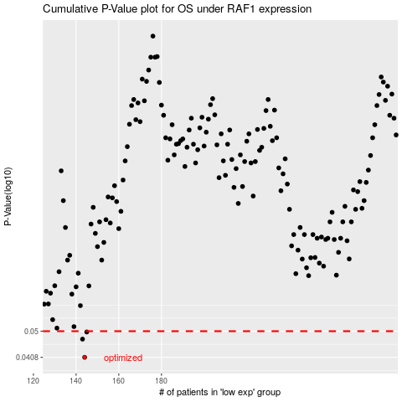

 |  |  |  |  |  | cases_OS | p_OS | rank | exp
 |  |  |  |  |  | 144 | 0.0408 | 158 | -0.54177136043
 |  |  |  |  |  | 143 | 0.047 | 3 | -0.54274139145
 |  |  |  |  |  | 145 | 0.0497 | 362 | -0.54075506613
 |  |  |  |  |  |  | cases_RFS | p_RFS | rank | exp
 |  |  |  |  |  |  | 143 | 0.0408 | 3 | -0.54274139145
 |  |  |  |  |  |  | 142 | 0.047 | 125 | -0.54390396422
 |  |  |  |  |  |  | 144 | 0.0497 | 158 | -0.54177136043

