RAG1AP1 _multivariate
Reported by Tex Li-Hsing Chi. tex@gate.sinica.edu.tw 2019-08-16

Table 2. The clinicopathological features of HNSCC cohort and RAG1AP1 expression. (Chi square test)
Cutoff at -0.235 (49.8%)
 |  | RAG1AP1 expression |  | RAG1AP1 expression |  | (Optimised)
 | Features | Low | (%) | High | (%) | Case no | P-value | Remark | Matthews
Gender | Female | 139 | 33.5 | 167 | 40.2 | 415 | 0.0034 | 1 | 0
2 | Male | 68 | 16.4 | 41 | 9.9
Age at diagnosis | <=65y | 133 | 32 | 141 | 34 | 415 | 0.5111 | 0 | 0
4 | >65y | 74 | 17.8 | 67 | 16.1
Clinical T Status | T1+T2 | 87 | 21 | 62 | 14.9 | 415 | 0.0127 | 1 | 0
6 | T3+T4 | 120 | 28.9 | 146 | 35.2
Clinical N Status | N0 | 108 | 26 | 108 | 26 | 415 | 1 | 0 | 0
8 | N1-3 | 99 | 23.9 | 100 | 24.1
Clinical M Status | M0 | 205 | 49.4 | 207 | 49.9 | 415 | 0.6232 | 0 | 0
10 | M1 | 2 | 0.5 | 1 | 0.2
Clinical Stage | Stage I+II | 63 | 15.2 | 39 | 9.4 | 415 | 0.008 | 1 | 0
12 | Stage III+IV | 144 | 34.7 | 169 | 40.7
Surgical Margin status | Negative | 163 | 39.3 | 155 | 37.3 | 415 | 0.3537 | 0 | 0
14 | Positive | 44 | 10.6 | 53 | 12.8
Tobacco Exposure | Low | 86 | 20.7 | 75 | 18.1 | 415 | 0.2687 | 0 | 0
16 | High | 121 | 29.2 | 133 | 32

Table 3. Univariate/Multivariate Cox's proportional hazards regression analyses on OS time of RAG1AP1 gene expression in HNSCC

 |  | Univariate |  |  |  | Multivariate
 | Features | HR | CI95%(L) | CI95%(H) | P-value | HR | CI95%(L) | CI95%(H) | P-value
1 | Female | 1 |  |  |  | 1
Gender | Male | 1.157 | 0.843 | 1.587 | 0.367 | 1.197 | 0.856 | 1.673 | 0.294
11 | <=65y | 1 |  |  |  | 1
Age at diagnosis | >65y | 1.329 | 0.99 | 1.784 | 0.058 | 1.388 | 1.02 | 1.887 | 0.037
12 | T1+T2 | 1 |  |  |  | 1
Clinical T Status | T3+T4 | 1.409 | 1.028 | 1.931 | 0.033 | 2.217 | 1.172 | 4.196 | 0.014
13 | N0 | 1 |  |  |  | 1
Clinical N Status | N1-3 | 1.185 | 0.89 | 1.577 | 0.246 | 1.234 | 0.864 | 1.762 | 0.247
14 | M0 | 1 |  |  |  | 1
Clinical M Status | M1 | 4.097 | 1.009 | 16.644 | 0.049 | 9.406 | 2.052 | 43.113 | 0.004
15 | Stage I+II | 1 |  |  |  | 1
Clinical Stage | Stage III+IV | 1.245 | 0.882 | 1.759 | 0.213 | 0.506 | 0.236 | 1.086 | 0.081
16 | Negative | 1 |  |  |  | 1
Surgical Margin status | Positive | 1.591 | 1.155 | 2.191 | 0.004 | 1.684 | 1.217 | 2.331 | 0.002
17 | Low | 1 |  |  |  | 1
Tobacco Exposure | High | 1.364 | 1.008 | 1.844 | 0.044 | 1.459 | 1.058 | 2.011 | 0.021
18 | Low | 1 |  |  |  | 1
RNAseq(z-score) | High | 0.989 | 0.741 | 1.318 | 0.937 | 0.939 | 0.7 | 1.258 | 0.671

Table 4. Univariate/Multivariate Cox's proportional hazards regression analyses on RFS time of RAG1AP1 gene expression in HNSCC

 |  | Univariate |  |  |  | Multivariate
 | Features | HR | CI95%(L) | CI95%(H) | P-value | HR | CI95%(L) | CI95%(H) | P-value
1 | Female | 1 |  |  |  | 1
Gender | Male | 1.157 | 0.843 | 1.587 | 0.367 | 1.197 | 0.856 | 1.673 | 0.294
11 | <=65y | 1 |  |  |  | 1
Age at diagnosis | >65y | 1.329 | 0.99 | 1.784 | 0.058 | 1.388 | 1.02 | 1.887 | 0.037
12 | T1+T2 | 1 |  |  |  | 1
Clinical T Status | T3+T4 | 1.409 | 1.028 | 1.931 | 0.033 | 2.217 | 1.172 | 4.196 | 0.014
13 | N0 | 1 |  |  |  | 1
Clinical N Status | N1-3 | 1.185 | 0.89 | 1.577 | 0.246 | 1.234 | 0.864 | 1.762 | 0.247
14 | M0 | 1 |  |  |  | 1
Clinical M Status | M1 | 4.097 | 1.009 | 16.644 | 0.049 | 9.406 | 2.052 | 43.113 | 0.004
15 | Stage I+II | 1 |  |  |  | 1
Clinical Stage | Stage III+IV | 1.245 | 0.882 | 1.759 | 0.213 | 0.506 | 0.236 | 1.086 | 0.081
16 | Negative | 1 |  |  |  | 1
Surgical Margin status | Positive | 1.591 | 1.155 | 2.191 | 0.004 | 1.684 | 1.217 | 2.331 | 0.002
17 | Low | 1 |  |  |  | 1
Tobacco Exposure | High | 1.364 | 1.008 | 1.844 | 0.044 | 1.459 | 1.058 | 2.011 | 0.021
18 | Low | 1 |  |  |  | 1
RNAseq(z-score) | High | 0.989 | 0.741 | 1.318 | 0.937 | 0.939 | 0.7 | 1.258 | 0.671

Kaplan-Meier survival estimate: Cutoff at -0.235 (49.8%)



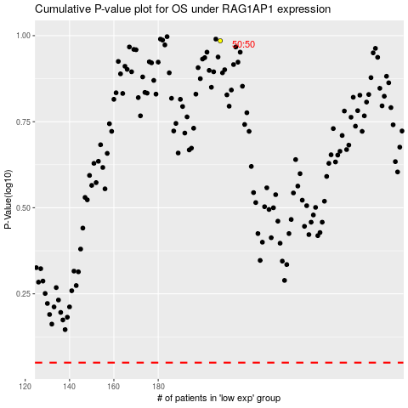

 |  |  |  |  |  | cases_OS | p_OS | rank | exp
 |  |  |  |  |  |  | cases_RFS | p_RFS | rank | exp

