RAGE _multivariate
Reported by Tex Li-Hsing Chi. tex@gate.sinica.edu.tw 2019-08-16

Table 2. The clinicopathological features of HNSCC cohort and RAGE expression. (Chi square test)
Cutoff at -0.297 (49.8%)
 |  | RAGE expression |  | RAGE expression |  | (Optimised)
 | Features | Low | (%) | High | (%) | Case no | P-value | Remark | Matthews
Gender | Female | 143 | 34.5 | 163 | 39.3 | 415 | 0.0416 | 1 | 0
2 | Male | 64 | 15.4 | 45 | 10.8
Age at diagnosis | <=65y | 132 | 31.8 | 142 | 34.2 | 415 | 0.3874 | 0 | 0
4 | >65y | 75 | 18.1 | 66 | 15.9
Clinical T Status | T1+T2 | 82 | 19.8 | 67 | 16.1 | 415 | 0.1417 | 0 | 0
6 | T3+T4 | 125 | 30.1 | 141 | 34
Clinical N Status | N0 | 112 | 27 | 104 | 25.1 | 415 | 0.4599 | 0 | 0
8 | N1-3 | 95 | 22.9 | 104 | 25.1
Clinical M Status | M0 | 206 | 49.6 | 206 | 49.6 | 415 | 1 | 0 | 0
10 | M1 | 1 | 0.2 | 2 | 0.5
Clinical Stage | Stage I+II | 59 | 14.2 | 43 | 10.4 | 415 | 0.0822 | 0 | 0
12 | Stage III+IV | 148 | 35.7 | 165 | 39.8
Surgical Margin status | Negative | 169 | 40.7 | 149 | 35.9 | 415 | 0.0201 | 1 | 0
14 | Positive | 38 | 9.2 | 59 | 14.2
Tobacco Exposure | Low | 93 | 22.4 | 68 | 16.4 | 415 | 0.0118 | 1 | 0
16 | High | 114 | 27.5 | 140 | 33.7

Table 3. Univariate/Multivariate Cox's proportional hazards regression analyses on OS time of RAGE gene expression in HNSCC

 |  | Univariate |  |  |  | Multivariate
 | Features | HR | CI95%(L) | CI95%(H) | P-value | HR | CI95%(L) | CI95%(H) | P-value
1 | Female | 1 |  |  |  | 1
Gender | Male | 1.157 | 0.843 | 1.587 | 0.367 | 1.195 | 0.856 | 1.667 | 0.295
11 | <=65y | 1 |  |  |  | 1
Age at diagnosis | >65y | 1.329 | 0.99 | 1.784 | 0.058 | 1.416 | 1.04 | 1.928 | 0.027
12 | T1+T2 | 1 |  |  |  | 1
Clinical T Status | T3+T4 | 1.409 | 1.028 | 1.931 | 0.033 | 2.208 | 1.168 | 4.178 | 0.015
13 | N0 | 1 |  |  |  | 1
Clinical N Status | N1-3 | 1.185 | 0.89 | 1.577 | 0.246 | 1.241 | 0.87 | 1.77 | 0.234
14 | M0 | 1 |  |  |  | 1
Clinical M Status | M1 | 4.097 | 1.009 | 16.644 | 0.049 | 9.756 | 2.128 | 44.729 | 0.003
15 | Stage I+II | 1 |  |  |  | 1
Clinical Stage | Stage III+IV | 1.245 | 0.882 | 1.759 | 0.213 | 0.511 | 0.238 | 1.096 | 0.085
16 | Negative | 1 |  |  |  | 1
Surgical Margin status | Positive | 1.591 | 1.155 | 2.191 | 0.004 | 1.732 | 1.251 | 2.397 | 0.001
17 | Low | 1 |  |  |  | 1
Tobacco Exposure | High | 1.364 | 1.008 | 1.844 | 0.044 | 1.542 | 1.113 | 2.136 | 0.009
18 | Low | 1 |  |  |  | 1
RNAseq(z-score) | High | 0.83 | 0.622 | 1.106 | 0.203 | 0.73 | 0.544 | 0.98 | 0.036

Table 4. Univariate/Multivariate Cox's proportional hazards regression analyses on RFS time of RAGE gene expression in HNSCC

 |  | Univariate |  |  |  | Multivariate
 | Features | HR | CI95%(L) | CI95%(H) | P-value | HR | CI95%(L) | CI95%(H) | P-value
1 | Female | 1 |  |  |  | 1
Gender | Male | 1.157 | 0.843 | 1.587 | 0.367 | 1.195 | 0.856 | 1.667 | 0.295
11 | <=65y | 1 |  |  |  | 1
Age at diagnosis | >65y | 1.329 | 0.99 | 1.784 | 0.058 | 1.416 | 1.04 | 1.928 | 0.027
12 | T1+T2 | 1 |  |  |  | 1
Clinical T Status | T3+T4 | 1.409 | 1.028 | 1.931 | 0.033 | 2.208 | 1.168 | 4.178 | 0.015
13 | N0 | 1 |  |  |  | 1
Clinical N Status | N1-3 | 1.185 | 0.89 | 1.577 | 0.246 | 1.241 | 0.87 | 1.77 | 0.234
14 | M0 | 1 |  |  |  | 1
Clinical M Status | M1 | 4.097 | 1.009 | 16.644 | 0.049 | 9.756 | 2.128 | 44.729 | 0.003
15 | Stage I+II | 1 |  |  |  | 1
Clinical Stage | Stage III+IV | 1.245 | 0.882 | 1.759 | 0.213 | 0.511 | 0.238 | 1.096 | 0.085
16 | Negative | 1 |  |  |  | 1
Surgical Margin status | Positive | 1.591 | 1.155 | 2.191 | 0.004 | 1.732 | 1.251 | 2.397 | 0.001
17 | Low | 1 |  |  |  | 1
Tobacco Exposure | High | 1.364 | 1.008 | 1.844 | 0.044 | 1.542 | 1.113 | 2.136 | 0.009
18 | Low | 1 |  |  |  | 1
RNAseq(z-score) | High | 0.83 | 0.622 | 1.106 | 0.203 | 0.73 | 0.544 | 0.98 | 0.036

Kaplan-Meier survival estimate: Cutoff at -0.297 (49.8%)



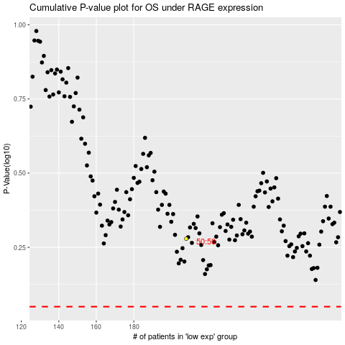

 |  |  |  |  |  | cases_OS | p_OS | rank | exp
 |  |  |  |  |  |  | cases_RFS | p_RFS | rank | exp

