RAI1 _multivariate
Reported by Tex Li-Hsing Chi. tex@gate.sinica.edu.tw 2019-08-16

Table 2. The clinicopathological features of HNSCC cohort and RAI1 expression. (Chi square test)
Cutoff at -0.085 (50.0%)
 |  | RAI1 expression |  | RAI1 expression |  | (Optimised)
 | Features | Low | (%) | High | (%) | Case no | P-value | Remark | Matthews
Gender | Female | 145 | 34.9 | 161 | 38.8 | 415 | 0.1116 | 0 | 0
2 | Male | 62 | 14.9 | 47 | 11.3
Age at diagnosis | <=65y | 136 | 32.8 | 138 | 33.3 | 415 | 0.9719 | 0 | 0
4 | >65y | 71 | 17.1 | 70 | 16.9
Clinical T Status | T1+T2 | 86 | 20.7 | 63 | 15.2 | 415 | 0.0221 | 1 | 0
6 | T3+T4 | 121 | 29.2 | 145 | 34.9
Clinical N Status | N0 | 108 | 26 | 108 | 26 | 415 | 1 | 0 | 0
8 | N1-3 | 99 | 23.9 | 100 | 24.1
Clinical M Status | M0 | 205 | 49.4 | 207 | 49.9 | 415 | 0.6232 | 0 | 0
10 | M1 | 2 | 0.5 | 1 | 0.2
Clinical Stage | Stage I+II | 58 | 14 | 44 | 10.6 | 415 | 0.131 | 0 | 0
12 | Stage III+IV | 149 | 35.9 | 164 | 39.5
Surgical Margin status | Negative | 156 | 37.6 | 162 | 39 | 415 | 0.5636 | 0 | 0
14 | Positive | 51 | 12.3 | 46 | 11.1
Tobacco Exposure | Low | 87 | 21 | 74 | 17.8 | 415 | 0.1911 | 0 | 0
16 | High | 120 | 28.9 | 134 | 32.3

Table 3. Univariate/Multivariate Cox's proportional hazards regression analyses on OS time of RAI1 gene expression in HNSCC

 |  | Univariate |  |  |  | Multivariate
 | Features | HR | CI95%(L) | CI95%(H) | P-value | HR | CI95%(L) | CI95%(H) | P-value
1 | Female | 1 |  |  |  | 1
Gender | Male | 1.157 | 0.843 | 1.587 | 0.367 | 1.161 | 0.826 | 1.632 | 0.389
11 | <=65y | 1 |  |  |  | 1
Age at diagnosis | >65y | 1.329 | 0.99 | 1.784 | 0.058 | 1.398 | 1.028 | 1.9 | 0.033
12 | T1+T2 | 1 |  |  |  | 1
Clinical T Status | T3+T4 | 1.409 | 1.028 | 1.931 | 0.033 | 2.24 | 1.184 | 4.238 | 0.013
13 | N0 | 1 |  |  |  | 1
Clinical N Status | N1-3 | 1.185 | 0.89 | 1.577 | 0.246 | 1.222 | 0.856 | 1.746 | 0.27
14 | M0 | 1 |  |  |  | 1
Clinical M Status | M1 | 4.097 | 1.009 | 16.644 | 0.049 | 9.04 | 1.969 | 41.506 | 0.005
15 | Stage I+II | 1 |  |  |  | 1
Clinical Stage | Stage III+IV | 1.245 | 0.882 | 1.759 | 0.213 | 0.507 | 0.236 | 1.088 | 0.081
16 | Negative | 1 |  |  |  | 1
Surgical Margin status | Positive | 1.591 | 1.155 | 2.191 | 0.004 | 1.652 | 1.195 | 2.284 | 0.002
17 | Low | 1 |  |  |  | 1
Tobacco Exposure | High | 1.364 | 1.008 | 1.844 | 0.044 | 1.46 | 1.059 | 2.011 | 0.021
18 | Low | 1 |  |  |  | 1
RNAseq(z-score) | High | 0.833 | 0.624 | 1.111 | 0.213 | 0.85 | 0.631 | 1.147 | 0.288

Table 4. Univariate/Multivariate Cox's proportional hazards regression analyses on RFS time of RAI1 gene expression in HNSCC

 |  | Univariate |  |  |  | Multivariate
 | Features | HR | CI95%(L) | CI95%(H) | P-value | HR | CI95%(L) | CI95%(H) | P-value
1 | Female | 1 |  |  |  | 1
Gender | Male | 1.157 | 0.843 | 1.587 | 0.367 | 1.161 | 0.826 | 1.632 | 0.389
11 | <=65y | 1 |  |  |  | 1
Age at diagnosis | >65y | 1.329 | 0.99 | 1.784 | 0.058 | 1.398 | 1.028 | 1.9 | 0.033
12 | T1+T2 | 1 |  |  |  | 1
Clinical T Status | T3+T4 | 1.409 | 1.028 | 1.931 | 0.033 | 2.24 | 1.184 | 4.238 | 0.013
13 | N0 | 1 |  |  |  | 1
Clinical N Status | N1-3 | 1.185 | 0.89 | 1.577 | 0.246 | 1.222 | 0.856 | 1.746 | 0.27
14 | M0 | 1 |  |  |  | 1
Clinical M Status | M1 | 4.097 | 1.009 | 16.644 | 0.049 | 9.04 | 1.969 | 41.506 | 0.005
15 | Stage I+II | 1 |  |  |  | 1
Clinical Stage | Stage III+IV | 1.245 | 0.882 | 1.759 | 0.213 | 0.507 | 0.236 | 1.088 | 0.081
16 | Negative | 1 |  |  |  | 1
Surgical Margin status | Positive | 1.591 | 1.155 | 2.191 | 0.004 | 1.652 | 1.195 | 2.284 | 0.002
17 | Low | 1 |  |  |  | 1
Tobacco Exposure | High | 1.364 | 1.008 | 1.844 | 0.044 | 1.46 | 1.059 | 2.011 | 0.021
18 | Low | 1 |  |  |  | 1
RNAseq(z-score) | High | 0.833 | 0.624 | 1.111 | 0.213 | 0.85 | 0.631 | 1.147 | 0.288

Kaplan-Meier survival estimate: Cutoff at -0.085 (50.0%)



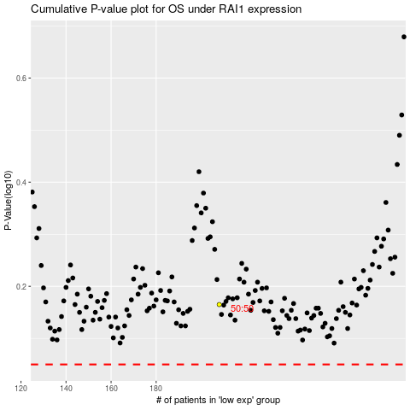

 |  |  |  |  |  | cases_OS | p_OS | rank | exp
 |  |  |  |  |  |  | cases_RFS | p_RFS | rank | exp

