RALBP1 _multivariate
Reported by Tex Li-Hsing Chi. tex@gate.sinica.edu.tw 2019-08-16

Table 2. The clinicopathological features of HNSCC cohort and RALBP1 expression. (Chi square test)
Cutoff at -0.175 (49.8%)
 |  | RALBP1 expression |  | RALBP1 expression |  | (Optimised)
 | Features | Low | (%) | High | (%) | Case no | P-value | Remark | Matthews
Gender | Female | 155 | 37.3 | 151 | 36.4 | 415 | 0.6768 | 0 | 0
2 | Male | 52 | 12.5 | 57 | 13.7
Age at diagnosis | <=65y | 134 | 32.3 | 140 | 33.7 | 415 | 0.6529 | 0 | 0
4 | >65y | 73 | 17.6 | 68 | 16.4
Clinical T Status | T1+T2 | 81 | 19.5 | 68 | 16.4 | 415 | 0.206 | 0 | 0
6 | T3+T4 | 126 | 30.4 | 140 | 33.7
Clinical N Status | N0 | 102 | 24.6 | 114 | 27.5 | 415 | 0.3031 | 0 | 0
8 | N1-3 | 105 | 25.3 | 94 | 22.7
Clinical M Status | M0 | 206 | 49.6 | 206 | 49.6 | 415 | 1 | 0 | 0
10 | M1 | 1 | 0.2 | 2 | 0.5
Clinical Stage | Stage I+II | 54 | 13 | 48 | 11.6 | 415 | 0.5498 | 0 | 0
12 | Stage III+IV | 153 | 36.9 | 160 | 38.6
Surgical Margin status | Negative | 151 | 36.4 | 167 | 40.2 | 415 | 0.0828 | 0 | 0
14 | Positive | 56 | 13.5 | 41 | 9.9
Tobacco Exposure | Low | 81 | 19.5 | 80 | 19.3 | 415 | 0.9199 | 0 | 0
16 | High | 126 | 30.4 | 128 | 30.8

Table 3. Univariate/Multivariate Cox's proportional hazards regression analyses on OS time of RALBP1 gene expression in HNSCC

 |  | Univariate |  |  |  | Multivariate
 | Features | HR | CI95%(L) | CI95%(H) | P-value | HR | CI95%(L) | CI95%(H) | P-value
1 | Female | 1 |  |  |  | 1
Gender | Male | 1.157 | 0.843 | 1.587 | 0.367 | 1.202 | 0.86 | 1.679 | 0.282
11 | <=65y | 1 |  |  |  | 1
Age at diagnosis | >65y | 1.329 | 0.99 | 1.784 | 0.058 | 1.389 | 1.02 | 1.89 | 0.037
12 | T1+T2 | 1 |  |  |  | 1
Clinical T Status | T3+T4 | 1.409 | 1.028 | 1.931 | 0.033 | 2.204 | 1.166 | 4.168 | 0.015
13 | N0 | 1 |  |  |  | 1
Clinical N Status | N1-3 | 1.185 | 0.89 | 1.577 | 0.246 | 1.237 | 0.865 | 1.769 | 0.244
14 | M0 | 1 |  |  |  | 1
Clinical M Status | M1 | 4.097 | 1.009 | 16.644 | 0.049 | 9.483 | 2.062 | 43.623 | 0.004
15 | Stage I+II | 1 |  |  |  | 1
Clinical Stage | Stage III+IV | 1.245 | 0.882 | 1.759 | 0.213 | 0.505 | 0.235 | 1.085 | 0.08
16 | Negative | 1 |  |  |  | 1
Surgical Margin status | Positive | 1.591 | 1.155 | 2.191 | 0.004 | 1.668 | 1.205 | 2.307 | 0.002
17 | Low | 1 |  |  |  | 1
Tobacco Exposure | High | 1.364 | 1.008 | 1.844 | 0.044 | 1.452 | 1.054 | 2.001 | 0.023
18 | Low | 1 |  |  |  | 1
RNAseq(z-score) | High | 0.937 | 0.703 | 1.248 | 0.654 | 0.977 | 0.73 | 1.308 | 0.878

Table 4. Univariate/Multivariate Cox's proportional hazards regression analyses on RFS time of RALBP1 gene expression in HNSCC

 |  | Univariate |  |  |  | Multivariate
 | Features | HR | CI95%(L) | CI95%(H) | P-value | HR | CI95%(L) | CI95%(H) | P-value
1 | Female | 1 |  |  |  | 1
Gender | Male | 1.157 | 0.843 | 1.587 | 0.367 | 1.202 | 0.86 | 1.679 | 0.282
11 | <=65y | 1 |  |  |  | 1
Age at diagnosis | >65y | 1.329 | 0.99 | 1.784 | 0.058 | 1.389 | 1.02 | 1.89 | 0.037
12 | T1+T2 | 1 |  |  |  | 1
Clinical T Status | T3+T4 | 1.409 | 1.028 | 1.931 | 0.033 | 2.204 | 1.166 | 4.168 | 0.015
13 | N0 | 1 |  |  |  | 1
Clinical N Status | N1-3 | 1.185 | 0.89 | 1.577 | 0.246 | 1.237 | 0.865 | 1.769 | 0.244
14 | M0 | 1 |  |  |  | 1
Clinical M Status | M1 | 4.097 | 1.009 | 16.644 | 0.049 | 9.483 | 2.062 | 43.623 | 0.004
15 | Stage I+II | 1 |  |  |  | 1
Clinical Stage | Stage III+IV | 1.245 | 0.882 | 1.759 | 0.213 | 0.505 | 0.235 | 1.085 | 0.08
16 | Negative | 1 |  |  |  | 1
Surgical Margin status | Positive | 1.591 | 1.155 | 2.191 | 0.004 | 1.668 | 1.205 | 2.307 | 0.002
17 | Low | 1 |  |  |  | 1
Tobacco Exposure | High | 1.364 | 1.008 | 1.844 | 0.044 | 1.452 | 1.054 | 2.001 | 0.023
18 | Low | 1 |  |  |  | 1
RNAseq(z-score) | High | 0.937 | 0.703 | 1.248 | 0.654 | 0.977 | 0.73 | 1.308 | 0.878

Kaplan-Meier survival estimate: Cutoff at -0.175 (49.8%)



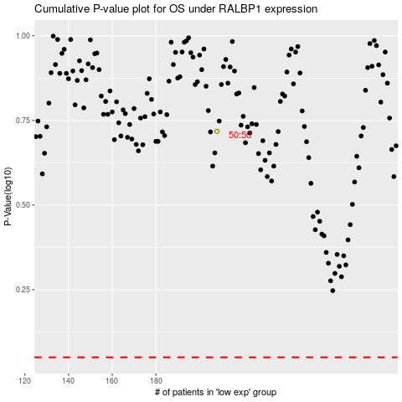

 |  |  |  |  |  | cases_OS | p_OS | rank | exp
 |  |  |  |  |  |  | cases_RFS | p_RFS | rank | exp

