RALGAPA1 _multivariate
Reported by Tex Li-Hsing Chi. tex@gate.sinica.edu.tw 2019-08-16

Table 2. The clinicopathological features of HNSCC cohort and RALGAPA1 expression. (Chi square test)
Cutoff at -0.249 (49.8%)
 |  | RALGAPA1 expression |  | RALGAPA1 expression |  | (Optimised)
 | Features | Low | (%) | High | (%) | Case no | P-value | Remark | Matthews
Gender | Female | 154 | 37.1 | 152 | 36.6 | 415 | 0.8463 | 0 | 0
2 | Male | 53 | 12.8 | 56 | 13.5
Age at diagnosis | <=65y | 139 | 33.5 | 135 | 32.5 | 415 | 0.7044 | 0 | 0
4 | >65y | 68 | 16.4 | 73 | 17.6
Clinical T Status | T1+T2 | 79 | 19 | 70 | 16.9 | 415 | 0.3924 | 0 | 0
6 | T3+T4 | 128 | 30.8 | 138 | 33.3
Clinical N Status | N0 | 102 | 24.6 | 114 | 27.5 | 415 | 0.3031 | 0 | 0
8 | N1-3 | 105 | 25.3 | 94 | 22.7
Clinical M Status | M0 | 205 | 49.4 | 207 | 49.9 | 415 | 0.6232 | 0 | 0
10 | M1 | 2 | 0.5 | 1 | 0.2
Clinical Stage | Stage I+II | 56 | 13.5 | 46 | 11.1 | 415 | 0.2918 | 0 | 0
12 | Stage III+IV | 151 | 36.4 | 162 | 39
Surgical Margin status | Negative | 159 | 38.3 | 159 | 38.3 | 415 | 1 | 0 | 0
14 | Positive | 48 | 11.6 | 49 | 11.8
Tobacco Exposure | Low | 81 | 19.5 | 80 | 19.3 | 415 | 0.9199 | 0 | 0
16 | High | 126 | 30.4 | 128 | 30.8

Table 3. Univariate/Multivariate Cox's proportional hazards regression analyses on OS time of RALGAPA1 gene expression in HNSCC

 |  | Univariate |  |  |  | Multivariate
 | Features | HR | CI95%(L) | CI95%(H) | P-value | HR | CI95%(L) | CI95%(H) | P-value
1 | Female | 1 |  |  |  | 1
Gender | Male | 1.157 | 0.843 | 1.587 | 0.367 | 1.209 | 0.865 | 1.69 | 0.266
11 | <=65y | 1 |  |  |  | 1
Age at diagnosis | >65y | 1.329 | 0.99 | 1.784 | 0.058 | 1.401 | 1.029 | 1.907 | 0.032
12 | T1+T2 | 1 |  |  |  | 1
Clinical T Status | T3+T4 | 1.409 | 1.028 | 1.931 | 0.033 | 2.168 | 1.146 | 4.1 | 0.017
13 | N0 | 1 |  |  |  | 1
Clinical N Status | N1-3 | 1.185 | 0.89 | 1.577 | 0.246 | 1.199 | 0.837 | 1.717 | 0.323
14 | M0 | 1 |  |  |  | 1
Clinical M Status | M1 | 4.097 | 1.009 | 16.644 | 0.049 | 8.877 | 1.932 | 40.795 | 0.005
15 | Stage I+II | 1 |  |  |  | 1
Clinical Stage | Stage III+IV | 1.245 | 0.882 | 1.759 | 0.213 | 0.534 | 0.248 | 1.152 | 0.11
16 | Negative | 1 |  |  |  | 1
Surgical Margin status | Positive | 1.591 | 1.155 | 2.191 | 0.004 | 1.675 | 1.213 | 2.314 | 0.002
17 | Low | 1 |  |  |  | 1
Tobacco Exposure | High | 1.364 | 1.008 | 1.844 | 0.044 | 1.465 | 1.062 | 2.021 | 0.02
18 | Low | 1 |  |  |  | 1
RNAseq(z-score) | High | 0.836 | 0.627 | 1.113 | 0.22 | 0.829 | 0.618 | 1.111 | 0.209

Table 4. Univariate/Multivariate Cox's proportional hazards regression analyses on RFS time of RALGAPA1 gene expression in HNSCC

 |  | Univariate |  |  |  | Multivariate
 | Features | HR | CI95%(L) | CI95%(H) | P-value | HR | CI95%(L) | CI95%(H) | P-value
1 | Female | 1 |  |  |  | 1
Gender | Male | 1.157 | 0.843 | 1.587 | 0.367 | 1.209 | 0.865 | 1.69 | 0.266
11 | <=65y | 1 |  |  |  | 1
Age at diagnosis | >65y | 1.329 | 0.99 | 1.784 | 0.058 | 1.401 | 1.029 | 1.907 | 0.032
12 | T1+T2 | 1 |  |  |  | 1
Clinical T Status | T3+T4 | 1.409 | 1.028 | 1.931 | 0.033 | 2.168 | 1.146 | 4.1 | 0.017
13 | N0 | 1 |  |  |  | 1
Clinical N Status | N1-3 | 1.185 | 0.89 | 1.577 | 0.246 | 1.199 | 0.837 | 1.717 | 0.323
14 | M0 | 1 |  |  |  | 1
Clinical M Status | M1 | 4.097 | 1.009 | 16.644 | 0.049 | 8.877 | 1.932 | 40.795 | 0.005
15 | Stage I+II | 1 |  |  |  | 1
Clinical Stage | Stage III+IV | 1.245 | 0.882 | 1.759 | 0.213 | 0.534 | 0.248 | 1.152 | 0.11
16 | Negative | 1 |  |  |  | 1
Surgical Margin status | Positive | 1.591 | 1.155 | 2.191 | 0.004 | 1.675 | 1.213 | 2.314 | 0.002
17 | Low | 1 |  |  |  | 1
Tobacco Exposure | High | 1.364 | 1.008 | 1.844 | 0.044 | 1.465 | 1.062 | 2.021 | 0.02
18 | Low | 1 |  |  |  | 1
RNAseq(z-score) | High | 0.836 | 0.627 | 1.113 | 0.22 | 0.829 | 0.618 | 1.111 | 0.209

Kaplan-Meier survival estimate: Cutoff at -0.249 (49.8%)



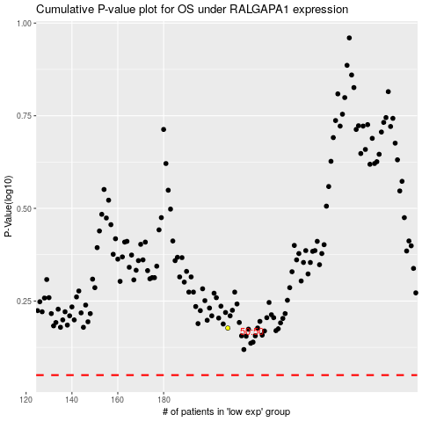

 |  |  |  |  |  | cases_OS | p_OS | rank | exp
 |  |  |  |  |  |  | cases_RFS | p_RFS | rank | exp

