RALGAPA2 _multivariate
Reported by Tex Li-Hsing Chi. tex@gate.sinica.edu.tw 2019-08-16

Table 2. The clinicopathological features of HNSCC cohort and RALGAPA2 expression. (Chi square test)
Cutoff at -0.282 (49.8%)
 |  | RALGAPA2 expression |  | RALGAPA2 expression |  | (Optimised)
 | Features | Low | (%) | High | (%) | Case no | P-value | Remark | Matthews
Gender | Female | 162 | 39 | 144 | 34.7 | 415 | 0.0479 | 1 | 0
2 | Male | 45 | 10.8 | 64 | 15.4
Age at diagnosis | <=65y | 138 | 33.3 | 136 | 32.8 | 415 | 0.8634 | 0 | 0
4 | >65y | 69 | 16.6 | 72 | 17.3
Clinical T Status | T1+T2 | 66 | 15.9 | 83 | 20 | 415 | 0.1095 | 0 | 0
6 | T3+T4 | 141 | 34 | 125 | 30.1
Clinical N Status | N0 | 107 | 25.8 | 109 | 26.3 | 415 | 0.9624 | 0 | 0
8 | N1-3 | 100 | 24.1 | 99 | 23.9
Clinical M Status | M0 | 204 | 49.2 | 208 | 50.1 | 415 | 0.1232 | 0 | 0
10 | M1 | 3 | 0.7 | 0 | 0
Clinical Stage | Stage I+II | 47 | 11.3 | 55 | 13.3 | 415 | 0.4413 | 0 | 0
12 | Stage III+IV | 160 | 38.6 | 153 | 36.9
Surgical Margin status | Negative | 150 | 36.1 | 168 | 40.5 | 415 | 0.0492 | 1 | 0
14 | Positive | 57 | 13.7 | 40 | 9.6
Tobacco Exposure | Low | 74 | 17.8 | 87 | 21 | 415 | 0.227 | 0 | 0
16 | High | 133 | 32 | 121 | 29.2

Table 3. Univariate/Multivariate Cox's proportional hazards regression analyses on OS time of RALGAPA2 gene expression in HNSCC

 |  | Univariate |  |  |  | Multivariate
 | Features | HR | CI95%(L) | CI95%(H) | P-value | HR | CI95%(L) | CI95%(H) | P-value
1 | Female | 1 |  |  |  | 1
Gender | Male | 1.157 | 0.843 | 1.587 | 0.367 | 1.201 | 0.86 | 1.679 | 0.283
11 | <=65y | 1 |  |  |  | 1
Age at diagnosis | >65y | 1.329 | 0.99 | 1.784 | 0.058 | 1.391 | 1.024 | 1.892 | 0.035
12 | T1+T2 | 1 |  |  |  | 1
Clinical T Status | T3+T4 | 1.409 | 1.028 | 1.931 | 0.033 | 2.207 | 1.161 | 4.194 | 0.016
13 | N0 | 1 |  |  |  | 1
Clinical N Status | N1-3 | 1.185 | 0.89 | 1.577 | 0.246 | 1.24 | 0.869 | 1.77 | 0.235
14 | M0 | 1 |  |  |  | 1
Clinical M Status | M1 | 4.097 | 1.009 | 16.644 | 0.049 | 9.457 | 2.029 | 44.085 | 0.004
15 | Stage I+II | 1 |  |  |  | 1
Clinical Stage | Stage III+IV | 1.245 | 0.882 | 1.759 | 0.213 | 0.504 | 0.234 | 1.084 | 0.08
16 | Negative | 1 |  |  |  | 1
Surgical Margin status | Positive | 1.591 | 1.155 | 2.191 | 0.004 | 1.674 | 1.206 | 2.322 | 0.002
17 | Low | 1 |  |  |  | 1
Tobacco Exposure | High | 1.364 | 1.008 | 1.844 | 0.044 | 1.454 | 1.053 | 2.008 | 0.023
18 | Low | 1 |  |  |  | 1
RNAseq(z-score) | High | 0.88 | 0.661 | 1.172 | 0.383 | 1.007 | 0.747 | 1.358 | 0.963

Table 4. Univariate/Multivariate Cox's proportional hazards regression analyses on RFS time of RALGAPA2 gene expression in HNSCC

 |  | Univariate |  |  |  | Multivariate
 | Features | HR | CI95%(L) | CI95%(H) | P-value | HR | CI95%(L) | CI95%(H) | P-value
1 | Female | 1 |  |  |  | 1
Gender | Male | 1.157 | 0.843 | 1.587 | 0.367 | 1.201 | 0.86 | 1.679 | 0.283
11 | <=65y | 1 |  |  |  | 1
Age at diagnosis | >65y | 1.329 | 0.99 | 1.784 | 0.058 | 1.391 | 1.024 | 1.892 | 0.035
12 | T1+T2 | 1 |  |  |  | 1
Clinical T Status | T3+T4 | 1.409 | 1.028 | 1.931 | 0.033 | 2.207 | 1.161 | 4.194 | 0.016
13 | N0 | 1 |  |  |  | 1
Clinical N Status | N1-3 | 1.185 | 0.89 | 1.577 | 0.246 | 1.24 | 0.869 | 1.77 | 0.235
14 | M0 | 1 |  |  |  | 1
Clinical M Status | M1 | 4.097 | 1.009 | 16.644 | 0.049 | 9.457 | 2.029 | 44.085 | 0.004
15 | Stage I+II | 1 |  |  |  | 1
Clinical Stage | Stage III+IV | 1.245 | 0.882 | 1.759 | 0.213 | 0.504 | 0.234 | 1.084 | 0.08
16 | Negative | 1 |  |  |  | 1
Surgical Margin status | Positive | 1.591 | 1.155 | 2.191 | 0.004 | 1.674 | 1.206 | 2.322 | 0.002
17 | Low | 1 |  |  |  | 1
Tobacco Exposure | High | 1.364 | 1.008 | 1.844 | 0.044 | 1.454 | 1.053 | 2.008 | 0.023
18 | Low | 1 |  |  |  | 1
RNAseq(z-score) | High | 0.88 | 0.661 | 1.172 | 0.383 | 1.007 | 0.747 | 1.358 | 0.963

Kaplan-Meier survival estimate: Cutoff at -0.282 (49.8%)



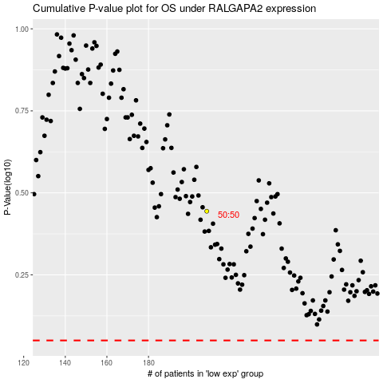

 |  |  |  |  |  | cases_OS | p_OS | rank | exp
 |  |  |  |  |  |  | cases_RFS | p_RFS | rank | exp

