RALGPS1 _multivariate
Reported by Tex Li-Hsing Chi. tex@gate.sinica.edu.tw 2019-08-16

Table 2. The clinicopathological features of HNSCC cohort and RALGPS1 expression. (Chi square test)
Cutoff at -0.424 (49.8%)
 |  | RALGPS1 expression |  | RALGPS1 expression |  | (Optimised)
 | Features | Low | (%) | High | (%) | Case no | P-value | Remark | Matthews
Gender | Female | 142 | 34.2 | 164 | 39.5 | 415 | 0.0238 | 1 | 0
2 | Male | 65 | 15.7 | 44 | 10.6
Age at diagnosis | <=65y | 129 | 31.1 | 145 | 34.9 | 415 | 0.1372 | 0 | 0
4 | >65y | 78 | 18.8 | 63 | 15.2
Clinical T Status | T1+T2 | 72 | 17.3 | 77 | 18.6 | 415 | 0.7095 | 0 | 0
6 | T3+T4 | 135 | 32.5 | 131 | 31.6
Clinical N Status | N0 | 110 | 26.5 | 106 | 25.5 | 415 | 0.7294 | 0 | 0
8 | N1-3 | 97 | 23.4 | 102 | 24.6
Clinical M Status | M0 | 204 | 49.2 | 208 | 50.1 | 415 | 0.1232 | 0 | 0
10 | M1 | 3 | 0.7 | 0 | 0
Clinical Stage | Stage I+II | 56 | 13.5 | 46 | 11.1 | 415 | 0.2918 | 0 | 0
12 | Stage III+IV | 151 | 36.4 | 162 | 39
Surgical Margin status | Negative | 164 | 39.5 | 154 | 37.1 | 415 | 0.2462 | 0 | 0
14 | Positive | 43 | 10.4 | 54 | 13
Tobacco Exposure | Low | 93 | 22.4 | 68 | 16.4 | 415 | 0.0118 | 1 | 0
16 | High | 114 | 27.5 | 140 | 33.7

Table 3. Univariate/Multivariate Cox's proportional hazards regression analyses on OS time of RALGPS1 gene expression in HNSCC

 |  | Univariate |  |  |  | Multivariate
 | Features | HR | CI95%(L) | CI95%(H) | P-value | HR | CI95%(L) | CI95%(H) | P-value
1 | Female | 1 |  |  |  | 1
Gender | Male | 1.157 | 0.843 | 1.587 | 0.367 | 1.178 | 0.841 | 1.651 | 0.341
11 | <=65y | 1 |  |  |  | 1
Age at diagnosis | >65y | 1.329 | 0.99 | 1.784 | 0.058 | 1.381 | 1.015 | 1.878 | 0.04
12 | T1+T2 | 1 |  |  |  | 1
Clinical T Status | T3+T4 | 1.409 | 1.028 | 1.931 | 0.033 | 2.117 | 1.114 | 4.023 | 0.022
13 | N0 | 1 |  |  |  | 1
Clinical N Status | N1-3 | 1.185 | 0.89 | 1.577 | 0.246 | 1.224 | 0.857 | 1.748 | 0.266
14 | M0 | 1 |  |  |  | 1
Clinical M Status | M1 | 4.097 | 1.009 | 16.644 | 0.049 | 8.413 | 1.805 | 39.212 | 0.007
15 | Stage I+II | 1 |  |  |  | 1
Clinical Stage | Stage III+IV | 1.245 | 0.882 | 1.759 | 0.213 | 0.536 | 0.247 | 1.163 | 0.115
16 | Negative | 1 |  |  |  | 1
Surgical Margin status | Positive | 1.591 | 1.155 | 2.191 | 0.004 | 1.68 | 1.216 | 2.321 | 0.002
17 | Low | 1 |  |  |  | 1
Tobacco Exposure | High | 1.364 | 1.008 | 1.844 | 0.044 | 1.471 | 1.066 | 2.029 | 0.019
18 | Low | 1 |  |  |  | 1
RNAseq(z-score) | High | 0.829 | 0.622 | 1.104 | 0.2 | 0.865 | 0.642 | 1.167 | 0.344

Table 4. Univariate/Multivariate Cox's proportional hazards regression analyses on RFS time of RALGPS1 gene expression in HNSCC

 |  | Univariate |  |  |  | Multivariate
 | Features | HR | CI95%(L) | CI95%(H) | P-value | HR | CI95%(L) | CI95%(H) | P-value
1 | Female | 1 |  |  |  | 1
Gender | Male | 1.157 | 0.843 | 1.587 | 0.367 | 1.178 | 0.841 | 1.651 | 0.341
11 | <=65y | 1 |  |  |  | 1
Age at diagnosis | >65y | 1.329 | 0.99 | 1.784 | 0.058 | 1.381 | 1.015 | 1.878 | 0.04
12 | T1+T2 | 1 |  |  |  | 1
Clinical T Status | T3+T4 | 1.409 | 1.028 | 1.931 | 0.033 | 2.117 | 1.114 | 4.023 | 0.022
13 | N0 | 1 |  |  |  | 1
Clinical N Status | N1-3 | 1.185 | 0.89 | 1.577 | 0.246 | 1.224 | 0.857 | 1.748 | 0.266
14 | M0 | 1 |  |  |  | 1
Clinical M Status | M1 | 4.097 | 1.009 | 16.644 | 0.049 | 8.413 | 1.805 | 39.212 | 0.007
15 | Stage I+II | 1 |  |  |  | 1
Clinical Stage | Stage III+IV | 1.245 | 0.882 | 1.759 | 0.213 | 0.536 | 0.247 | 1.163 | 0.115
16 | Negative | 1 |  |  |  | 1
Surgical Margin status | Positive | 1.591 | 1.155 | 2.191 | 0.004 | 1.68 | 1.216 | 2.321 | 0.002
17 | Low | 1 |  |  |  | 1
Tobacco Exposure | High | 1.364 | 1.008 | 1.844 | 0.044 | 1.471 | 1.066 | 2.029 | 0.019
18 | Low | 1 |  |  |  | 1
RNAseq(z-score) | High | 0.829 | 0.622 | 1.104 | 0.2 | 0.865 | 0.642 | 1.167 | 0.344

Kaplan-Meier survival estimate: Cutoff at -0.424 (49.8%)



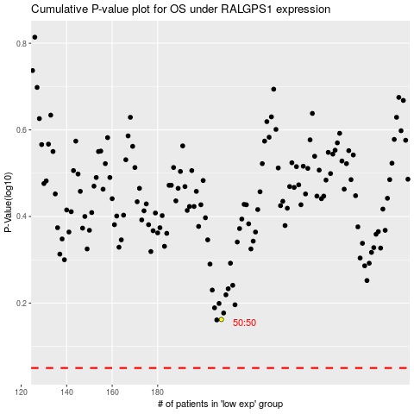

 |  |  |  |  |  | cases_OS | p_OS | rank | exp
 |  |  |  |  |  |  | cases_RFS | p_RFS | rank | exp

