RAMP1 _multivariate
Reported by Tex Li-Hsing Chi. tex@gate.sinica.edu.tw 2019-08-16

Table 2. The clinicopathological features of HNSCC cohort and RAMP1 expression. (Chi square test)
Cutoff at -0.238 (50.0%)
 |  | RAMP1 expression |  | RAMP1 expression |  | (Optimised)
 | Features | Low | (%) | High | (%) | Case no | P-value | Remark | Matthews
Gender | Female | 144 | 34.7 | 162 | 39 | 415 | 0.0697 | 0 | 0
2 | Male | 63 | 15.2 | 46 | 11.1
Age at diagnosis | <=65y | 129 | 31.1 | 145 | 34.9 | 415 | 0.1372 | 0 | 0
4 | >65y | 78 | 18.8 | 63 | 15.2
Clinical T Status | T1+T2 | 65 | 15.7 | 84 | 20.2 | 415 | 0.0711 | 0 | 0
6 | T3+T4 | 142 | 34.2 | 124 | 29.9
Clinical N Status | N0 | 110 | 26.5 | 106 | 25.5 | 415 | 0.7294 | 0 | 0
8 | N1-3 | 97 | 23.4 | 102 | 24.6
Clinical M Status | M0 | 205 | 49.4 | 207 | 49.9 | 415 | 0.6232 | 0 | 0
10 | M1 | 2 | 0.5 | 1 | 0.2
Clinical Stage | Stage I+II | 44 | 10.6 | 58 | 14 | 415 | 0.1459 | 0 | 0
12 | Stage III+IV | 163 | 39.3 | 150 | 36.1
Surgical Margin status | Negative | 165 | 39.8 | 153 | 36.9 | 415 | 0.1639 | 0 | 0
14 | Positive | 42 | 10.1 | 55 | 13.3
Tobacco Exposure | Low | 81 | 19.5 | 80 | 19.3 | 415 | 0.9199 | 0 | 0
16 | High | 126 | 30.4 | 128 | 30.8

Table 3. Univariate/Multivariate Cox's proportional hazards regression analyses on OS time of RAMP1 gene expression in HNSCC

 |  | Univariate |  |  |  | Multivariate
 | Features | HR | CI95%(L) | CI95%(H) | P-value | HR | CI95%(L) | CI95%(H) | P-value
1 | Female | 1 |  |  |  | 1
Gender | Male | 1.157 | 0.843 | 1.587 | 0.367 | 1.213 | 0.866 | 1.699 | 0.262
11 | <=65y | 1 |  |  |  | 1
Age at diagnosis | >65y | 1.329 | 0.99 | 1.784 | 0.058 | 1.402 | 1.029 | 1.909 | 0.032
12 | T1+T2 | 1 |  |  |  | 1
Clinical T Status | T3+T4 | 1.409 | 1.028 | 1.931 | 0.033 | 2.204 | 1.166 | 4.168 | 0.015
13 | N0 | 1 |  |  |  | 1
Clinical N Status | N1-3 | 1.185 | 0.89 | 1.577 | 0.246 | 1.236 | 0.866 | 1.764 | 0.243
14 | M0 | 1 |  |  |  | 1
Clinical M Status | M1 | 4.097 | 1.009 | 16.644 | 0.049 | 9.494 | 2.07 | 43.544 | 0.004
15 | Stage I+II | 1 |  |  |  | 1
Clinical Stage | Stage III+IV | 1.245 | 0.882 | 1.759 | 0.213 | 0.507 | 0.236 | 1.09 | 0.082
16 | Negative | 1 |  |  |  | 1
Surgical Margin status | Positive | 1.591 | 1.155 | 2.191 | 0.004 | 1.66 | 1.2 | 2.297 | 0.002
17 | Low | 1 |  |  |  | 1
Tobacco Exposure | High | 1.364 | 1.008 | 1.844 | 0.044 | 1.461 | 1.059 | 2.015 | 0.021
18 | Low | 1 |  |  |  | 1
RNAseq(z-score) | High | 1.035 | 0.777 | 1.378 | 0.816 | 1.068 | 0.796 | 1.433 | 0.663

Table 4. Univariate/Multivariate Cox's proportional hazards regression analyses on RFS time of RAMP1 gene expression in HNSCC

 |  | Univariate |  |  |  | Multivariate
 | Features | HR | CI95%(L) | CI95%(H) | P-value | HR | CI95%(L) | CI95%(H) | P-value
1 | Female | 1 |  |  |  | 1
Gender | Male | 1.157 | 0.843 | 1.587 | 0.367 | 1.213 | 0.866 | 1.699 | 0.262
11 | <=65y | 1 |  |  |  | 1
Age at diagnosis | >65y | 1.329 | 0.99 | 1.784 | 0.058 | 1.402 | 1.029 | 1.909 | 0.032
12 | T1+T2 | 1 |  |  |  | 1
Clinical T Status | T3+T4 | 1.409 | 1.028 | 1.931 | 0.033 | 2.204 | 1.166 | 4.168 | 0.015
13 | N0 | 1 |  |  |  | 1
Clinical N Status | N1-3 | 1.185 | 0.89 | 1.577 | 0.246 | 1.236 | 0.866 | 1.764 | 0.243
14 | M0 | 1 |  |  |  | 1
Clinical M Status | M1 | 4.097 | 1.009 | 16.644 | 0.049 | 9.494 | 2.07 | 43.544 | 0.004
15 | Stage I+II | 1 |  |  |  | 1
Clinical Stage | Stage III+IV | 1.245 | 0.882 | 1.759 | 0.213 | 0.507 | 0.236 | 1.09 | 0.082
16 | Negative | 1 |  |  |  | 1
Surgical Margin status | Positive | 1.591 | 1.155 | 2.191 | 0.004 | 1.66 | 1.2 | 2.297 | 0.002
17 | Low | 1 |  |  |  | 1
Tobacco Exposure | High | 1.364 | 1.008 | 1.844 | 0.044 | 1.461 | 1.059 | 2.015 | 0.021
18 | Low | 1 |  |  |  | 1
RNAseq(z-score) | High | 1.035 | 0.777 | 1.378 | 0.816 | 1.068 | 0.796 | 1.433 | 0.663

Kaplan-Meier survival estimate: Cutoff at -0.238 (50.0%)



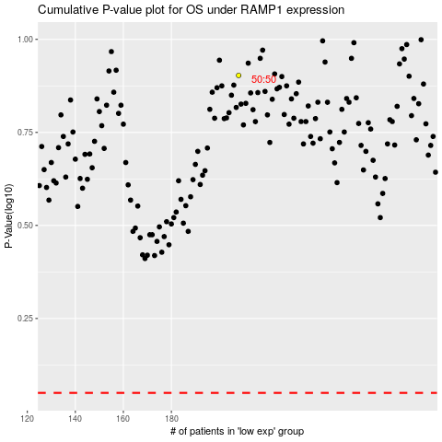

 |  |  |  |  |  | cases_OS | p_OS | rank | exp
 |  |  |  |  |  |  | cases_RFS | p_RFS | rank | exp

