RANBP2 _multivariate
Reported by Tex Li-Hsing Chi. tex@gate.sinica.edu.tw 2019-08-16

Table 2. The clinicopathological features of HNSCC cohort and RANBP2 expression. (Chi square test)
Cutoff at -0.082 (49.8%)
 |  | RANBP2 expression |  | RANBP2 expression |  | (Optimised)
 | Features | Low | (%) | High | (%) | Case no | P-value | Remark | Matthews
Gender | Female | 159 | 38.3 | 147 | 35.4 | 415 | 0.1905 | 0 | 0
2 | Male | 48 | 11.6 | 61 | 14.7
Age at diagnosis | <=65y | 137 | 33 | 137 | 33 | 415 | 1 | 0 | 0
4 | >65y | 70 | 16.9 | 71 | 17.1
Clinical T Status | T1+T2 | 76 | 18.3 | 73 | 17.6 | 415 | 0.8092 | 0 | 0
6 | T3+T4 | 131 | 31.6 | 135 | 32.5
Clinical N Status | N0 | 106 | 25.5 | 110 | 26.5 | 415 | 0.8075 | 0 | 0
8 | N1-3 | 101 | 24.3 | 98 | 23.6
Clinical M Status | M0 | 205 | 49.4 | 207 | 49.9 | 415 | 0.6232 | 0 | 0
10 | M1 | 2 | 0.5 | 1 | 0.2
Clinical Stage | Stage I+II | 55 | 13.3 | 47 | 11.3 | 415 | 0.4087 | 0 | 0
12 | Stage III+IV | 152 | 36.6 | 161 | 38.8
Surgical Margin status | Negative | 160 | 38.6 | 158 | 38.1 | 415 | 0.8167 | 0 | 0
14 | Positive | 47 | 11.3 | 50 | 12
Tobacco Exposure | Low | 79 | 19 | 82 | 19.8 | 415 | 0.8405 | 0 | 0
16 | High | 128 | 30.8 | 126 | 30.4

Table 3. Univariate/Multivariate Cox's proportional hazards regression analyses on OS time of RANBP2 gene expression in HNSCC

 |  | Univariate |  |  |  | Multivariate
 | Features | HR | CI95%(L) | CI95%(H) | P-value | HR | CI95%(L) | CI95%(H) | P-value
1 | Female | 1 |  |  |  | 1
Gender | Male | 1.157 | 0.843 | 1.587 | 0.367 | 1.193 | 0.854 | 1.665 | 0.301
11 | <=65y | 1 |  |  |  | 1
Age at diagnosis | >65y | 1.329 | 0.99 | 1.784 | 0.058 | 1.399 | 1.029 | 1.902 | 0.032
12 | T1+T2 | 1 |  |  |  | 1
Clinical T Status | T3+T4 | 1.409 | 1.028 | 1.931 | 0.033 | 2.261 | 1.194 | 4.281 | 0.012
13 | N0 | 1 |  |  |  | 1
Clinical N Status | N1-3 | 1.185 | 0.89 | 1.577 | 0.246 | 1.259 | 0.882 | 1.797 | 0.205
14 | M0 | 1 |  |  |  | 1
Clinical M Status | M1 | 4.097 | 1.009 | 16.644 | 0.049 | 10.201 | 2.215 | 46.981 | 0.003
15 | Stage I+II | 1 |  |  |  | 1
Clinical Stage | Stage III+IV | 1.245 | 0.882 | 1.759 | 0.213 | 0.48 | 0.223 | 1.035 | 0.061
16 | Negative | 1 |  |  |  | 1
Surgical Margin status | Positive | 1.591 | 1.155 | 2.191 | 0.004 | 1.686 | 1.22 | 2.331 | 0.002
17 | Low | 1 |  |  |  | 1
Tobacco Exposure | High | 1.364 | 1.008 | 1.844 | 0.044 | 1.471 | 1.067 | 2.027 | 0.018
18 | Low | 1 |  |  |  | 1
RNAseq(z-score) | High | 1.131 | 0.849 | 1.507 | 0.4 | 1.218 | 0.911 | 1.628 | 0.183

Table 4. Univariate/Multivariate Cox's proportional hazards regression analyses on RFS time of RANBP2 gene expression in HNSCC

 |  | Univariate |  |  |  | Multivariate
 | Features | HR | CI95%(L) | CI95%(H) | P-value | HR | CI95%(L) | CI95%(H) | P-value
1 | Female | 1 |  |  |  | 1
Gender | Male | 1.157 | 0.843 | 1.587 | 0.367 | 1.193 | 0.854 | 1.665 | 0.301
11 | <=65y | 1 |  |  |  | 1
Age at diagnosis | >65y | 1.329 | 0.99 | 1.784 | 0.058 | 1.399 | 1.029 | 1.902 | 0.032
12 | T1+T2 | 1 |  |  |  | 1
Clinical T Status | T3+T4 | 1.409 | 1.028 | 1.931 | 0.033 | 2.261 | 1.194 | 4.281 | 0.012
13 | N0 | 1 |  |  |  | 1
Clinical N Status | N1-3 | 1.185 | 0.89 | 1.577 | 0.246 | 1.259 | 0.882 | 1.797 | 0.205
14 | M0 | 1 |  |  |  | 1
Clinical M Status | M1 | 4.097 | 1.009 | 16.644 | 0.049 | 10.201 | 2.215 | 46.981 | 0.003
15 | Stage I+II | 1 |  |  |  | 1
Clinical Stage | Stage III+IV | 1.245 | 0.882 | 1.759 | 0.213 | 0.48 | 0.223 | 1.035 | 0.061
16 | Negative | 1 |  |  |  | 1
Surgical Margin status | Positive | 1.591 | 1.155 | 2.191 | 0.004 | 1.686 | 1.22 | 2.331 | 0.002
17 | Low | 1 |  |  |  | 1
Tobacco Exposure | High | 1.364 | 1.008 | 1.844 | 0.044 | 1.471 | 1.067 | 2.027 | 0.018
18 | Low | 1 |  |  |  | 1
RNAseq(z-score) | High | 1.131 | 0.849 | 1.507 | 0.4 | 1.218 | 0.911 | 1.628 | 0.183

Kaplan-Meier survival estimate: Cutoff at -0.082 (49.8%)



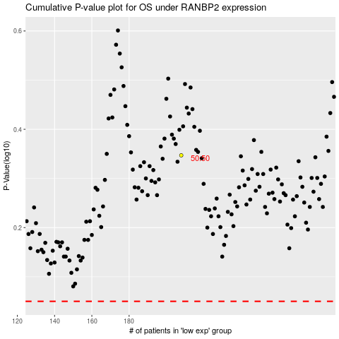

 |  |  |  |  |  | cases_OS | p_OS | rank | exp
 |  |  |  |  |  |  | cases_RFS | p_RFS | rank | exp

