RANBP6 _multivariate
Reported by Tex Li-Hsing Chi. tex@gate.sinica.edu.tw 2019-08-16

Table 2. The clinicopathological features of HNSCC cohort and RANBP6 expression. (Chi square test)
Cutoff at -0.066 (59.2%)
 |  | RANBP6 expression |  | RANBP6 expression |  | (Optimised)
 | Features | Low | (%) | High | (%) | Case no | P-value | Remark | Matthews
Gender | Female | 188 | 45.3 | 118 | 28.4 | 415 | 0.1652 | 0 | 0
2 | Male | 58 | 14 | 51 | 12.3
Age at diagnosis | <=65y | 166 | 40 | 108 | 26 | 415 | 0.5158 | 0 | 0
4 | >65y | 80 | 19.3 | 61 | 14.7
Clinical T Status | T1+T2 | 83 | 20 | 66 | 15.9 | 415 | 0.3152 | 0 | 0
6 | T3+T4 | 163 | 39.3 | 103 | 24.8
Clinical N Status | N0 | 129 | 31.1 | 87 | 21 | 415 | 0.9265 | 0 | 0
8 | N1-3 | 117 | 28.2 | 82 | 19.8
Clinical M Status | M0 | 245 | 59 | 167 | 40.2 | 415 | 0.5694 | 0 | 0
10 | M1 | 1 | 0.2 | 2 | 0.5
Clinical Stage | Stage I+II | 55 | 13.3 | 47 | 11.3 | 415 | 0.2495 | 0 | 0
12 | Stage III+IV | 191 | 46 | 122 | 29.4
Surgical Margin status | Negative | 192 | 46.3 | 126 | 30.4 | 415 | 0.4115 | 0 | 0
14 | Positive | 54 | 13 | 43 | 10.4
Tobacco Exposure | Low | 82 | 19.8 | 79 | 19 | 415 | 0.0076 | 1 | 0
16 | High | 164 | 39.5 | 90 | 21.7

Table 3. Univariate/Multivariate Cox's proportional hazards regression analyses on OS time of RANBP6 gene expression in HNSCC

 |  | Univariate |  |  |  | Multivariate
 | Features | HR | CI95%(L) | CI95%(H) | P-value | HR | CI95%(L) | CI95%(H) | P-value
1 | Female | 1 |  |  |  | 1
Gender | Male | 1.157 | 0.843 | 1.587 | 0.367 | 1.174 | 0.841 | 1.638 | 0.346
11 | <=65y | 1 |  |  |  | 1
Age at diagnosis | >65y | 1.329 | 0.99 | 1.784 | 0.058 | 1.415 | 1.04 | 1.926 | 0.027
12 | T1+T2 | 1 |  |  |  | 1
Clinical T Status | T3+T4 | 1.409 | 1.028 | 1.931 | 0.033 | 2.22 | 1.174 | 4.199 | 0.014
13 | N0 | 1 |  |  |  | 1
Clinical N Status | N1-3 | 1.185 | 0.89 | 1.577 | 0.246 | 1.214 | 0.851 | 1.731 | 0.285
14 | M0 | 1 |  |  |  | 1
Clinical M Status | M1 | 4.097 | 1.009 | 16.644 | 0.049 | 8.689 | 1.891 | 39.923 | 0.005
15 | Stage I+II | 1 |  |  |  | 1
Clinical Stage | Stage III+IV | 1.245 | 0.882 | 1.759 | 0.213 | 0.537 | 0.25 | 1.154 | 0.111
16 | Negative | 1 |  |  |  | 1
Surgical Margin status | Positive | 1.591 | 1.155 | 2.191 | 0.004 | 1.587 | 1.146 | 2.198 | 0.005
17 | Low | 1 |  |  |  | 1
Tobacco Exposure | High | 1.364 | 1.008 | 1.844 | 0.044 | 1.589 | 1.146 | 2.204 | 0.006
18 | Low | 1 |  |  |  | 1
RNAseq(z-score) | High | 1.407 | 1.056 | 1.874 | 0.02 | 1.511 | 1.118 | 2.04 | 0.007

Table 4. Univariate/Multivariate Cox's proportional hazards regression analyses on RFS time of RANBP6 gene expression in HNSCC

 |  | Univariate |  |  |  | Multivariate
 | Features | HR | CI95%(L) | CI95%(H) | P-value | HR | CI95%(L) | CI95%(H) | P-value
1 | Female | 1 |  |  |  | 1
Gender | Male | 1.157 | 0.843 | 1.587 | 0.367 | 1.174 | 0.841 | 1.638 | 0.346
11 | <=65y | 1 |  |  |  | 1
Age at diagnosis | >65y | 1.329 | 0.99 | 1.784 | 0.058 | 1.415 | 1.04 | 1.926 | 0.027
12 | T1+T2 | 1 |  |  |  | 1
Clinical T Status | T3+T4 | 1.409 | 1.028 | 1.931 | 0.033 | 2.22 | 1.174 | 4.199 | 0.014
13 | N0 | 1 |  |  |  | 1
Clinical N Status | N1-3 | 1.185 | 0.89 | 1.577 | 0.246 | 1.214 | 0.851 | 1.731 | 0.285
14 | M0 | 1 |  |  |  | 1
Clinical M Status | M1 | 4.097 | 1.009 | 16.644 | 0.049 | 8.689 | 1.891 | 39.923 | 0.005
15 | Stage I+II | 1 |  |  |  | 1
Clinical Stage | Stage III+IV | 1.245 | 0.882 | 1.759 | 0.213 | 0.537 | 0.25 | 1.154 | 0.111
16 | Negative | 1 |  |  |  | 1
Surgical Margin status | Positive | 1.591 | 1.155 | 2.191 | 0.004 | 1.587 | 1.146 | 2.198 | 0.005
17 | Low | 1 |  |  |  | 1
Tobacco Exposure | High | 1.364 | 1.008 | 1.844 | 0.044 | 1.589 | 1.146 | 2.204 | 0.006
18 | Low | 1 |  |  |  | 1
RNAseq(z-score) | High | 1.407 | 1.056 | 1.874 | 0.02 | 1.511 | 1.118 | 2.04 | 0.007

Kaplan-Meier survival estimate: Cutoff at -0.066 (59.2%)

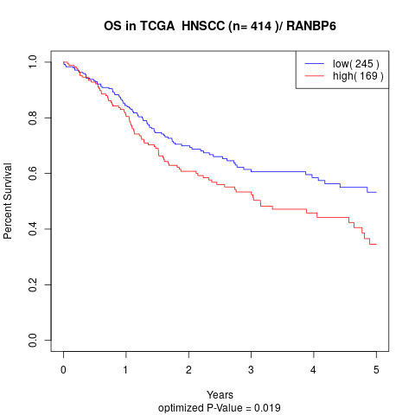

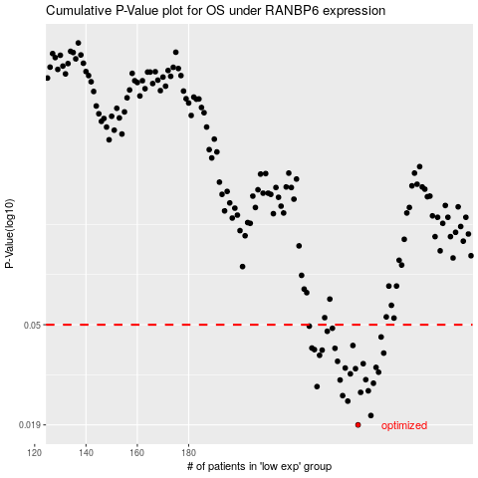

 |  |  |  |  |  | cases_OS | p_OS | rank | exp
 |  |  |  |  |  | 246 | 0.019 | 67 | -0.066029082852
 |  |  |  |  |  | 251 | 0.0208 | 88 | -0.055737228231
 |  |  |  |  |  | 242 | 0.0239 | 65 | -0.092896955646
 |  |  |  |  |  | 240 | 0.0252 | 117 | -0.1031724843
 |  |  |  |  |  | 247 | 0.026 | 54 | -0.060368637777
 |  |  |  |  |  | 250 | 0.0264 | 139 | -0.057599054535
 |  |  |  |  |  | 230 | 0.0275 | 133 | -0.13343432518
 |  |  |  |  |  | 252 | 0.0284 | 266 | -0.055232289476
 |  |  |  |  |  | 239 | 0.0293 | 292 | -0.10695860871
 |  |  |  |  |  | 249 | 0.0294 | 331 | -0.057900585102
 |  |  |  |  |  | 243 | 0.0311 | 137 | -0.0830783874
 |  |  |  |  |  | 254 | 0.0316 | 224 | -0.053533389632
 |  |  |  |  |  | 245 | 0.0327 | 219 | -0.066690117818
 |  |  |  |  |  | 241 | 0.0329 | 111 | -0.099291402752
 |  |  |  |  |  | 253 | 0.0331 | 27 | -0.054448809777
 |  |  |  |  |  | 248 | 0.0343 | 336 | -0.058077838429
 |  |  |  |  |  | 238 | 0.0351 | 334 | -0.11110157206
 |  |  |  |  |  | 231 | 0.0372 | 218 | -0.12978264009
 |  |  |  |  |  | 256 | 0.038 | 370 | -0.049122547197
 |  |  |  |  |  | 232 | 0.0391 | 191 | -0.12848722479
 |  |  |  |  |  | 229 | 0.0393 | 368 | -0.13346431164
 |  |  |  |  |  | 237 | 0.0398 | 353 | -0.11139310714
 |  |  |  |  |  | 228 | 0.0399 | 13 | -0.13374102008
 |  |  |  |  |  | 244 | 0.0409 | 150 | -0.080945016994
 |  |  |  |  |  | 255 | 0.0444 | 178 | -0.049465892223
 |  |  |  |  |  | 234 | 0.0469 | 264 | -0.12414901624
 |  |  |  |  |  | 236 | 0.0483 | 119 | -0.11261822083
 |  |  |  |  |  | 227 | 0.0493 | 34 | -0.13463611607
 |  |  |  |  |  |  | cases_RFS | p_RFS | rank | exp
 |  |  |  |  |  |  | 245 | 0.019 | 219 | -0.066690117818
 |  |  |  |  |  |  | 250 | 0.0208 | 139 | -0.057599054535
 |  |  |  |  |  |  | 241 | 0.0239 | 111 | -0.099291402752
 |  |  |  |  |  |  | 239 | 0.0252 | 292 | -0.10695860871
 |  |  |  |  |  |  | 246 | 0.026 | 67 | -0.066029082852
 |  |  |  |  |  |  | 249 | 0.0264 | 331 | -0.057900585102
 |  |  |  |  |  |  | 229 | 0.0275 | 368 | -0.13346431164
 |  |  |  |  |  |  | 251 | 0.0284 | 88 | -0.055737228231
 |  |  |  |  |  |  | 238 | 0.0293 | 334 | -0.11110157206
 |  |  |  |  |  |  | 248 | 0.0294 | 336 | -0.058077838429
 |  |  |  |  |  |  | 242 | 0.0311 | 65 | -0.092896955646
 |  |  |  |  |  |  | 253 | 0.0316 | 27 | -0.054448809777
 |  |  |  |  |  |  | 244 | 0.0327 | 150 | -0.080945016994
 |  |  |  |  |  |  | 240 | 0.0329 | 117 | -0.1031724843
 |  |  |  |  |  |  | 252 | 0.0331 | 266 | -0.055232289476
 |  |  |  |  |  |  | 247 | 0.0343 | 54 | -0.060368637777
 |  |  |  |  |  |  | 237 | 0.0351 | 353 | -0.11139310714
 |  |  |  |  |  |  | 230 | 0.0372 | 133 | -0.13343432518
 |  |  |  |  |  |  | 255 | 0.038 | 178 | -0.049465892223
 |  |  |  |  |  |  | 231 | 0.0391 | 218 | -0.12978264009
 |  |  |  |  |  |  | 228 | 0.0393 | 13 | -0.13374102008
 |  |  |  |  |  |  | 236 | 0.0398 | 119 | -0.11261822083
 |  |  |  |  |  |  | 227 | 0.0399 | 34 | -0.13463611607
 |  |  |  |  |  |  | 243 | 0.0409 | 137 | -0.0830783874
 |  |  |  |  |  |  | 254 | 0.0444 | 224 | -0.053533389632
 |  |  |  |  |  |  | 233 | 0.0469 | 9 | -0.12737572648
 |  |  |  |  |  |  | 235 | 0.0483 | 195 | -0.1208361782
 |  |  |  |  |  |  | 226 | 0.0493 | 63 | -0.13792129992

