RANBP9 _multivariate
Reported by Tex Li-Hsing Chi. tex@gate.sinica.edu.tw 2019-08-16

Table 2. The clinicopathological features of HNSCC cohort and RANBP9 expression. (Chi square test)
Cutoff at 0.072 (69.1%)
 |  | RANBP9 expression |  | RANBP9 expression |  | (Optimised)
 | Features | Low | (%) | High | (%) | Case no | P-value | Remark | Matthews
Gender | Female | 214 | 51.6 | 92 | 22.2 | 415 | 0.5281 | 0 | 0
2 | Male | 72 | 17.3 | 37 | 8.9
Age at diagnosis | <=65y | 186 | 44.8 | 88 | 21.2 | 415 | 0.602 | 0 | 0
4 | >65y | 100 | 24.1 | 41 | 9.9
Clinical T Status | T1+T2 | 109 | 26.3 | 40 | 9.6 | 415 | 0.1985 | 0 | 0
6 | T3+T4 | 177 | 42.7 | 89 | 21.4
Clinical N Status | N0 | 145 | 34.9 | 71 | 17.1 | 415 | 0.4759 | 0 | 0
8 | N1-3 | 141 | 34 | 58 | 14
Clinical M Status | M0 | 283 | 68.2 | 129 | 31.1 | 415 | 0.5554 | 0 | 0
10 | M1 | 3 | 0.7 | 0 | 0
Clinical Stage | Stage I+II | 76 | 18.3 | 26 | 6.3 | 415 | 0.1997 | 0 | 0
12 | Stage III+IV | 210 | 50.6 | 103 | 24.8
Surgical Margin status | Negative | 218 | 52.5 | 100 | 24.1 | 415 | 0.8034 | 0 | 0
14 | Positive | 68 | 16.4 | 29 | 7
Tobacco Exposure | Low | 109 | 26.3 | 52 | 12.5 | 415 | 0.7441 | 0 | 0
16 | High | 177 | 42.7 | 77 | 18.6

Table 3. Univariate/Multivariate Cox's proportional hazards regression analyses on OS time of RANBP9 gene expression in HNSCC

 |  | Univariate |  |  |  | Multivariate
 | Features | HR | CI95%(L) | CI95%(H) | P-value | HR | CI95%(L) | CI95%(H) | P-value
1 | Female | 1 |  |  |  | 1
Gender | Male | 1.157 | 0.843 | 1.587 | 0.367 | 1.215 | 0.869 | 1.699 | 0.255
11 | <=65y | 1 |  |  |  | 1
Age at diagnosis | >65y | 1.329 | 0.99 | 1.784 | 0.058 | 1.366 | 1.005 | 1.855 | 0.046
12 | T1+T2 | 1 |  |  |  | 1
Clinical T Status | T3+T4 | 1.409 | 1.028 | 1.931 | 0.033 | 2.187 | 1.158 | 4.129 | 0.016
13 | N0 | 1 |  |  |  | 1
Clinical N Status | N1-3 | 1.185 | 0.89 | 1.577 | 0.246 | 1.188 | 0.831 | 1.699 | 0.344
14 | M0 | 1 |  |  |  | 1
Clinical M Status | M1 | 4.097 | 1.009 | 16.644 | 0.049 | 8.582 | 1.868 | 39.432 | 0.006
15 | Stage I+II | 1 |  |  |  | 1
Clinical Stage | Stage III+IV | 1.245 | 0.882 | 1.759 | 0.213 | 0.543 | 0.252 | 1.167 | 0.118
16 | Negative | 1 |  |  |  | 1
Surgical Margin status | Positive | 1.591 | 1.155 | 2.191 | 0.004 | 1.653 | 1.197 | 2.282 | 0.002
17 | Low | 1 |  |  |  | 1
Tobacco Exposure | High | 1.364 | 1.008 | 1.844 | 0.044 | 1.441 | 1.046 | 1.985 | 0.025
18 | Low | 1 |  |  |  | 1
RNAseq(z-score) | High | 0.704 | 0.508 | 0.975 | 0.035 | 0.723 | 0.519 | 1.007 | 0.055

Table 4. Univariate/Multivariate Cox's proportional hazards regression analyses on RFS time of RANBP9 gene expression in HNSCC

 |  | Univariate |  |  |  | Multivariate
 | Features | HR | CI95%(L) | CI95%(H) | P-value | HR | CI95%(L) | CI95%(H) | P-value
1 | Female | 1 |  |  |  | 1
Gender | Male | 1.157 | 0.843 | 1.587 | 0.367 | 1.215 | 0.869 | 1.699 | 0.255
11 | <=65y | 1 |  |  |  | 1
Age at diagnosis | >65y | 1.329 | 0.99 | 1.784 | 0.058 | 1.366 | 1.005 | 1.855 | 0.046
12 | T1+T2 | 1 |  |  |  | 1
Clinical T Status | T3+T4 | 1.409 | 1.028 | 1.931 | 0.033 | 2.187 | 1.158 | 4.129 | 0.016
13 | N0 | 1 |  |  |  | 1
Clinical N Status | N1-3 | 1.185 | 0.89 | 1.577 | 0.246 | 1.188 | 0.831 | 1.699 | 0.344
14 | M0 | 1 |  |  |  | 1
Clinical M Status | M1 | 4.097 | 1.009 | 16.644 | 0.049 | 8.582 | 1.868 | 39.432 | 0.006
15 | Stage I+II | 1 |  |  |  | 1
Clinical Stage | Stage III+IV | 1.245 | 0.882 | 1.759 | 0.213 | 0.543 | 0.252 | 1.167 | 0.118
16 | Negative | 1 |  |  |  | 1
Surgical Margin status | Positive | 1.591 | 1.155 | 2.191 | 0.004 | 1.653 | 1.197 | 2.282 | 0.002
17 | Low | 1 |  |  |  | 1
Tobacco Exposure | High | 1.364 | 1.008 | 1.844 | 0.044 | 1.441 | 1.046 | 1.985 | 0.025
18 | Low | 1 |  |  |  | 1
RNAseq(z-score) | High | 0.704 | 0.508 | 0.975 | 0.035 | 0.723 | 0.519 | 1.007 | 0.055

Kaplan-Meier survival estimate: Cutoff at 0.072 (69.1%)



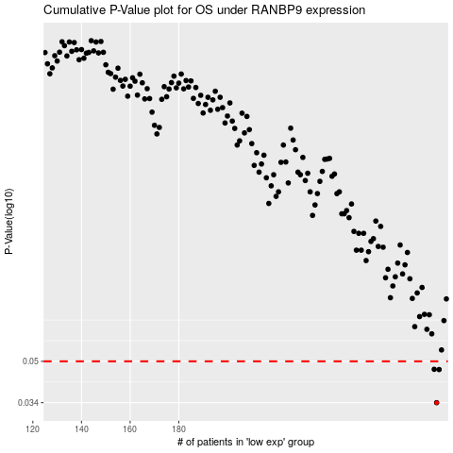

 |  |  |  |  |  | cases_OS | p_OS | rank | exp
 |  |  |  |  |  | 286 | 0.034 | 120 | 0.072408759784
 |  |  |  |  |  | 287 | 0.0463 | 31 | 0.075776912563
 |  |  |  |  |  | 285 | 0.0464 | 68 | 0.062708566856
 |  |  |  |  |  |  | cases_RFS | p_RFS | rank | exp
 |  |  |  |  |  |  | 285 | 0.034 | 68 | 0.062708566856
 |  |  |  |  |  |  | 286 | 0.0463 | 120 | 0.072408759784
 |  |  |  |  |  |  | 284 | 0.0464 | 210 | 0.061193815477

