RANGRF _multivariate
Reported by Tex Li-Hsing Chi. tex@gate.sinica.edu.tw 2019-08-16

Table 2. The clinicopathological features of HNSCC cohort and RANGRF expression. (Chi square test)
Cutoff at -0.193 (50.0%)
 |  | RANGRF expression |  | RANGRF expression |  | (Optimised)
 | Features | Low | (%) | High | (%) | Case no | P-value | Remark | Matthews
Gender | Female | 150 | 36.1 | 156 | 37.6 | 415 | 0.6344 | 0 | 0
2 | Male | 57 | 13.7 | 52 | 12.5
Age at diagnosis | <=65y | 140 | 33.7 | 134 | 32.3 | 415 | 0.5574 | 0 | 0
4 | >65y | 67 | 16.1 | 74 | 17.8
Clinical T Status | T1+T2 | 76 | 18.3 | 73 | 17.6 | 415 | 0.8092 | 0 | 0
6 | T3+T4 | 131 | 31.6 | 135 | 32.5
Clinical N Status | N0 | 106 | 25.5 | 110 | 26.5 | 415 | 0.8075 | 0 | 0
8 | N1-3 | 101 | 24.3 | 98 | 23.6
Clinical M Status | M0 | 205 | 49.4 | 207 | 49.9 | 415 | 0.6232 | 0 | 0
10 | M1 | 2 | 0.5 | 1 | 0.2
Clinical Stage | Stage I+II | 54 | 13 | 48 | 11.6 | 415 | 0.5498 | 0 | 0
12 | Stage III+IV | 153 | 36.9 | 160 | 38.6
Surgical Margin status | Negative | 159 | 38.3 | 159 | 38.3 | 415 | 1 | 0 | 0
14 | Positive | 48 | 11.6 | 49 | 11.8
Tobacco Exposure | Low | 83 | 20 | 78 | 18.8 | 415 | 0.6152 | 0 | 0
16 | High | 124 | 29.9 | 130 | 31.3

Table 3. Univariate/Multivariate Cox's proportional hazards regression analyses on OS time of RANGRF gene expression in HNSCC

 |  | Univariate |  |  |  | Multivariate
 | Features | HR | CI95%(L) | CI95%(H) | P-value | HR | CI95%(L) | CI95%(H) | P-value
1 | Female | 1 |  |  |  | 1
Gender | Male | 1.157 | 0.843 | 1.587 | 0.367 | 1.203 | 0.861 | 1.681 | 0.279
11 | <=65y | 1 |  |  |  | 1
Age at diagnosis | >65y | 1.329 | 0.99 | 1.784 | 0.058 | 1.39 | 1.023 | 1.89 | 0.035
12 | T1+T2 | 1 |  |  |  | 1
Clinical T Status | T3+T4 | 1.409 | 1.028 | 1.931 | 0.033 | 2.211 | 1.169 | 4.183 | 0.015
13 | N0 | 1 |  |  |  | 1
Clinical N Status | N1-3 | 1.185 | 0.89 | 1.577 | 0.246 | 1.246 | 0.872 | 1.779 | 0.226
14 | M0 | 1 |  |  |  | 1
Clinical M Status | M1 | 4.097 | 1.009 | 16.644 | 0.049 | 9.475 | 2.066 | 43.461 | 0.004
15 | Stage I+II | 1 |  |  |  | 1
Clinical Stage | Stage III+IV | 1.245 | 0.882 | 1.759 | 0.213 | 0.502 | 0.234 | 1.078 | 0.077
16 | Negative | 1 |  |  |  | 1
Surgical Margin status | Positive | 1.591 | 1.155 | 2.191 | 0.004 | 1.669 | 1.208 | 2.306 | 0.002
17 | Low | 1 |  |  |  | 1
Tobacco Exposure | High | 1.364 | 1.008 | 1.844 | 0.044 | 1.449 | 1.051 | 1.998 | 0.023
18 | Low | 1 |  |  |  | 1
RNAseq(z-score) | High | 1.031 | 0.772 | 1.375 | 0.838 | 1.049 | 0.784 | 1.402 | 0.748

Table 4. Univariate/Multivariate Cox's proportional hazards regression analyses on RFS time of RANGRF gene expression in HNSCC

 |  | Univariate |  |  |  | Multivariate
 | Features | HR | CI95%(L) | CI95%(H) | P-value | HR | CI95%(L) | CI95%(H) | P-value
1 | Female | 1 |  |  |  | 1
Gender | Male | 1.157 | 0.843 | 1.587 | 0.367 | 1.203 | 0.861 | 1.681 | 0.279
11 | <=65y | 1 |  |  |  | 1
Age at diagnosis | >65y | 1.329 | 0.99 | 1.784 | 0.058 | 1.39 | 1.023 | 1.89 | 0.035
12 | T1+T2 | 1 |  |  |  | 1
Clinical T Status | T3+T4 | 1.409 | 1.028 | 1.931 | 0.033 | 2.211 | 1.169 | 4.183 | 0.015
13 | N0 | 1 |  |  |  | 1
Clinical N Status | N1-3 | 1.185 | 0.89 | 1.577 | 0.246 | 1.246 | 0.872 | 1.779 | 0.226
14 | M0 | 1 |  |  |  | 1
Clinical M Status | M1 | 4.097 | 1.009 | 16.644 | 0.049 | 9.475 | 2.066 | 43.461 | 0.004
15 | Stage I+II | 1 |  |  |  | 1
Clinical Stage | Stage III+IV | 1.245 | 0.882 | 1.759 | 0.213 | 0.502 | 0.234 | 1.078 | 0.077
16 | Negative | 1 |  |  |  | 1
Surgical Margin status | Positive | 1.591 | 1.155 | 2.191 | 0.004 | 1.669 | 1.208 | 2.306 | 0.002
17 | Low | 1 |  |  |  | 1
Tobacco Exposure | High | 1.364 | 1.008 | 1.844 | 0.044 | 1.449 | 1.051 | 1.998 | 0.023
18 | Low | 1 |  |  |  | 1
RNAseq(z-score) | High | 1.031 | 0.772 | 1.375 | 0.838 | 1.049 | 0.784 | 1.402 | 0.748

Kaplan-Meier survival estimate: Cutoff at -0.193 (50.0%)



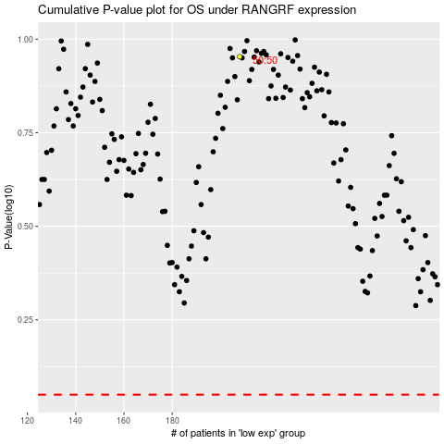

 |  |  |  |  |  | cases_OS | p_OS | rank | exp
 |  |  |  |  |  |  | cases_RFS | p_RFS | rank | exp

