RAP1A _multivariate
Reported by Tex Li-Hsing Chi. tex@gate.sinica.edu.tw 2019-08-16

Table 2. The clinicopathological features of HNSCC cohort and RAP1A expression. (Chi square test)
Cutoff at -0.601 (30.9%)
 |  | RAP1A expression |  | RAP1A expression |  | (Optimised)
 | Features | Low | (%) | High | (%) | Case no | P-value | Remark | Matthews
Gender | Female | 106 | 25.5 | 200 | 48.2 | 415 | 0.0072 | 1 | 0
2 | Male | 22 | 5.3 | 87 | 21
Age at diagnosis | <=65y | 77 | 18.6 | 197 | 47.5 | 415 | 0.1156 | 0 | 0
4 | >65y | 51 | 12.3 | 90 | 21.7
Clinical T Status | T1+T2 | 37 | 8.9 | 112 | 27 | 415 | 0.061 | 0 | 0
6 | T3+T4 | 91 | 21.9 | 175 | 42.2
Clinical N Status | N0 | 75 | 18.1 | 141 | 34 | 415 | 0.0937 | 0 | 0
8 | N1-3 | 53 | 12.8 | 146 | 35.2
Clinical M Status | M0 | 126 | 30.4 | 286 | 68.9 | 415 | 0.2261 | 0 | 0
10 | M1 | 2 | 0.5 | 1 | 0.2
Clinical Stage | Stage I+II | 26 | 6.3 | 76 | 18.3 | 415 | 0.2208 | 0 | 0
12 | Stage III+IV | 102 | 24.6 | 211 | 50.8
Surgical Margin status | Negative | 101 | 24.3 | 217 | 52.3 | 415 | 0.5305 | 0 | 0
14 | Positive | 27 | 6.5 | 70 | 16.9
Tobacco Exposure | Low | 39 | 9.4 | 122 | 29.4 | 415 | 0.0221 | 1 | 0
16 | High | 89 | 21.4 | 165 | 39.8

Table 3. Univariate/Multivariate Cox's proportional hazards regression analyses on OS time of RAP1A gene expression in HNSCC

 |  | Univariate |  |  |  | Multivariate
 | Features | HR | CI95%(L) | CI95%(H) | P-value | HR | CI95%(L) | CI95%(H) | P-value
1 | Female | 1 |  |  |  | 1
Gender | Male | 1.157 | 0.843 | 1.587 | 0.367 | 1.123 | 0.804 | 1.569 | 0.496
11 | <=65y | 1 |  |  |  | 1
Age at diagnosis | >65y | 1.329 | 0.99 | 1.784 | 0.058 | 1.513 | 1.106 | 2.07 | 0.01
12 | T1+T2 | 1 |  |  |  | 1
Clinical T Status | T3+T4 | 1.409 | 1.028 | 1.931 | 0.033 | 2.378 | 1.256 | 4.503 | 0.008
13 | N0 | 1 |  |  |  | 1
Clinical N Status | N1-3 | 1.185 | 0.89 | 1.577 | 0.246 | 1.214 | 0.851 | 1.731 | 0.284
14 | M0 | 1 |  |  |  | 1
Clinical M Status | M1 | 4.097 | 1.009 | 16.644 | 0.049 | 11.735 | 2.547 | 54.068 | 0.002
15 | Stage I+II | 1 |  |  |  | 1
Clinical Stage | Stage III+IV | 1.245 | 0.882 | 1.759 | 0.213 | 0.518 | 0.241 | 1.112 | 0.091
16 | Negative | 1 |  |  |  | 1
Surgical Margin status | Positive | 1.591 | 1.155 | 2.191 | 0.004 | 1.651 | 1.195 | 2.281 | 0.002
17 | Low | 1 |  |  |  | 1
Tobacco Exposure | High | 1.364 | 1.008 | 1.844 | 0.044 | 1.502 | 1.088 | 2.073 | 0.013
18 | Low | 1 |  |  |  | 1
RNAseq(z-score) | High | 1.551 | 1.117 | 2.155 | 0.009 | 1.792 | 1.276 | 2.516 | 0.001

Table 4. Univariate/Multivariate Cox's proportional hazards regression analyses on RFS time of RAP1A gene expression in HNSCC

 |  | Univariate |  |  |  | Multivariate
 | Features | HR | CI95%(L) | CI95%(H) | P-value | HR | CI95%(L) | CI95%(H) | P-value
1 | Female | 1 |  |  |  | 1
Gender | Male | 1.157 | 0.843 | 1.587 | 0.367 | 1.123 | 0.804 | 1.569 | 0.496
11 | <=65y | 1 |  |  |  | 1
Age at diagnosis | >65y | 1.329 | 0.99 | 1.784 | 0.058 | 1.513 | 1.106 | 2.07 | 0.01
12 | T1+T2 | 1 |  |  |  | 1
Clinical T Status | T3+T4 | 1.409 | 1.028 | 1.931 | 0.033 | 2.378 | 1.256 | 4.503 | 0.008
13 | N0 | 1 |  |  |  | 1
Clinical N Status | N1-3 | 1.185 | 0.89 | 1.577 | 0.246 | 1.214 | 0.851 | 1.731 | 0.284
14 | M0 | 1 |  |  |  | 1
Clinical M Status | M1 | 4.097 | 1.009 | 16.644 | 0.049 | 11.735 | 2.547 | 54.068 | 0.002
15 | Stage I+II | 1 |  |  |  | 1
Clinical Stage | Stage III+IV | 1.245 | 0.882 | 1.759 | 0.213 | 0.518 | 0.241 | 1.112 | 0.091
16 | Negative | 1 |  |  |  | 1
Surgical Margin status | Positive | 1.591 | 1.155 | 2.191 | 0.004 | 1.651 | 1.195 | 2.281 | 0.002
17 | Low | 1 |  |  |  | 1
Tobacco Exposure | High | 1.364 | 1.008 | 1.844 | 0.044 | 1.502 | 1.088 | 2.073 | 0.013
18 | Low | 1 |  |  |  | 1
RNAseq(z-score) | High | 1.551 | 1.117 | 2.155 | 0.009 | 1.792 | 1.276 | 2.516 | 0.001

Kaplan-Meier survival estimate: Cutoff at -0.601 (30.9%)

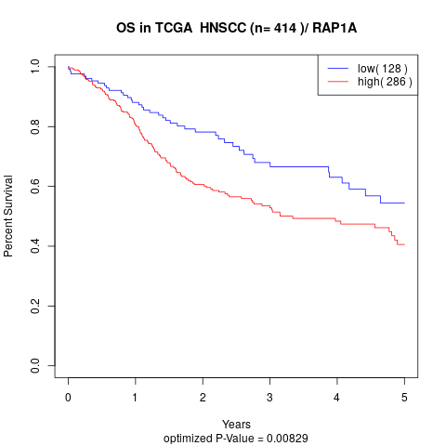

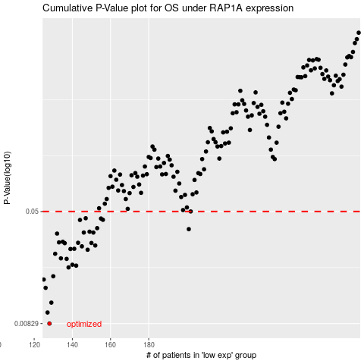

 |  |  |  |  |  | cases_OS | p_OS | rank | exp
 |  |  |  |  |  | 128 | 0.00829 | 385 | -0.60066614574
 |  |  |  |  |  | 127 | 0.0099 | 156 | -0.6055815408
 |  |  |  |  |  | 129 | 0.0116 | 349 | -0.59232658004
 |  |  |  |  |  | 126 | 0.0147 | 57 | -0.62952815361
 |  |  |  |  |  | 125 | 0.0168 | 353 | -0.63159080748
 |  |  |  |  |  | 130 | 0.0177 | 61 | -0.57398933928
 |  |  |  |  |  | 138 | 0.0204 | 253 | -0.51217746854
 |  |  |  |  |  | 142 | 0.021 | 344 | -0.49565475733
 |  |  |  |  |  | 140 | 0.0213 | 260 | -0.50517022852
 |  |  |  |  |  | 137 | 0.0234 | 104 | -0.51323716041
 |  |  |  |  |  | 134 | 0.0236 | 404 | -0.52814857818
 |  |  |  |  |  | 131 | 0.0254 | 66 | -0.56707848496
 |  |  |  |  |  | 148 | 0.0271 | 409 | -0.46091074359
 |  |  |  |  |  | 139 | 0.0274 | 242 | -0.50665566977
 |  |  |  |  |  | 141 | 0.0275 | 50 | -0.49912491774
 |  |  |  |  |  | 145 | 0.0286 | 248 | -0.47756949632
 |  |  |  |  |  | 152 | 0.029 | 339 | -0.42378049543
 |  |  |  |  |  | 136 | 0.0301 | 363 | -0.51429161991
 |  |  |  |  |  | 150 | 0.0302 | 266 | -0.43656426784
 |  |  |  |  |  | 143 | 0.0303 | 274 | -0.49242831504
 |  |  |  |  |  | 133 | 0.0305 | 106 | -0.54699363385
 |  |  |  |  |  | 135 | 0.0308 | 172 | -0.52266230443
 |  |  |  |  |  | 132 | 0.0351 | 376 | -0.5533487558
 |  |  |  |  |  | 151 | 0.0357 | 328 | -0.42635426887
 |  |  |  |  |  | 146 | 0.0357 | 414 | -0.47624625842
 |  |  |  |  |  | 149 | 0.0362 | 234 | -0.45765318249
 |  |  |  |  |  | 201 | 0.0377 | 67 | -0.102952173
 |  |  |  |  |  | 153 | 0.0383 | 222 | -0.42341780983
 |  |  |  |  |  | 144 | 0.0437 | 184 | -0.48943843079
 |  |  |  |  |  | 156 | 0.0438 | 125 | -0.39426581872
 |  |  |  |  |  | 155 | 0.0447 | 277 | -0.40513261735
 |  |  |  |  |  | 147 | 0.0449 | 219 | -0.46842332004
 |  |  |  |  |  |  | cases_RFS | p_RFS | rank | exp
 |  |  |  |  |  |  | 127 | 0.00829 | 156 | -0.6055815408
 |  |  |  |  |  |  | 126 | 0.0099 | 57 | -0.62952815361
 |  |  |  |  |  |  | 128 | 0.0116 | 385 | -0.60066614574
 |  |  |  |  |  |  | 125 | 0.0147 | 353 | -0.63159080748
 |  |  |  |  |  |  |  | 0.0168 | 55 | -0.6317312552
 |  |  |  |  |  |  | 129 | 0.0177 | 349 | -0.59232658004
 |  |  |  |  |  |  | 137 | 0.0204 | 104 | -0.51323716041
 |  |  |  |  |  |  | 141 | 0.021 | 50 | -0.49912491774
 |  |  |  |  |  |  | 139 | 0.0213 | 242 | -0.50665566977
 |  |  |  |  |  |  | 136 | 0.0234 | 363 | -0.51429161991
 |  |  |  |  |  |  | 133 | 0.0236 | 106 | -0.54699363385
 |  |  |  |  |  |  | 130 | 0.0254 | 61 | -0.57398933928
 |  |  |  |  |  |  | 147 | 0.0271 | 219 | -0.46842332004
 |  |  |  |  |  |  | 138 | 0.0274 | 253 | -0.51217746854
 |  |  |  |  |  |  | 140 | 0.0275 | 260 | -0.50517022852
 |  |  |  |  |  |  | 144 | 0.0286 | 184 | -0.48943843079
 |  |  |  |  |  |  | 151 | 0.029 | 328 | -0.42635426887
 |  |  |  |  |  |  | 135 | 0.0301 | 172 | -0.52266230443
 |  |  |  |  |  |  | 149 | 0.0302 | 234 | -0.45765318249
 |  |  |  |  |  |  | 142 | 0.0303 | 344 | -0.49565475733
 |  |  |  |  |  |  | 132 | 0.0305 | 376 | -0.5533487558
 |  |  |  |  |  |  | 134 | 0.0308 | 404 | -0.52814857818
 |  |  |  |  |  |  | 131 | 0.0351 | 66 | -0.56707848496
 |  |  |  |  |  |  | 145 | 0.0357 | 248 | -0.47756949632
 |  |  |  |  |  |  | 150 | 0.0357 | 266 | -0.43656426784
 |  |  |  |  |  |  | 148 | 0.0362 | 409 | -0.46091074359
 |  |  |  |  |  |  | 200 | 0.0377 | 131 | -0.11440747514
 |  |  |  |  |  |  | 152 | 0.0383 | 339 | -0.42378049543
 |  |  |  |  |  |  | 143 | 0.0437 | 274 | -0.49242831504
 |  |  |  |  |  |  | 155 | 0.0438 | 277 | -0.40513261735
 |  |  |  |  |  |  | 154 | 0.0447 | 407 | -0.4131623719
 |  |  |  |  |  |  | 146 | 0.0449 | 414 | -0.47624625842

