RAP1B _multivariate
Reported by Tex Li-Hsing Chi. tex@gate.sinica.edu.tw 2019-08-16

Table 2. The clinicopathological features of HNSCC cohort and RAP1B expression. (Chi square test)
Cutoff at -0.085 (57.2%)
 |  | RAP1B expression |  | RAP1B expression |  | (Optimised)
 | Features | Low | (%) | High | (%) | Case no | P-value | Remark | Matthews
Gender | Female | 173 | 41.7 | 133 | 32 | 415 | 0.7778 | 0 | 0
2 | Male | 64 | 15.4 | 45 | 10.8
Age at diagnosis | <=65y | 162 | 39 | 112 | 27 | 415 | 0.2929 | 0 | 0
4 | >65y | 75 | 18.1 | 66 | 15.9
Clinical T Status | T1+T2 | 86 | 20.7 | 63 | 15.2 | 415 | 0.9327 | 0 | 0
6 | T3+T4 | 151 | 36.4 | 115 | 27.7
Clinical N Status | N0 | 122 | 29.4 | 94 | 22.7 | 415 | 0.8653 | 0 | 0
8 | N1-3 | 115 | 27.7 | 84 | 20.2
Clinical M Status | M0 | 236 | 56.9 | 176 | 42.4 | 415 | 0.5791 | 0 | 0
10 | M1 | 1 | 0.2 | 2 | 0.5
Clinical Stage | Stage I+II | 55 | 13.3 | 47 | 11.3 | 415 | 0.5263 | 0 | 0
12 | Stage III+IV | 182 | 43.9 | 131 | 31.6
Surgical Margin status | Negative | 184 | 44.3 | 134 | 32.3 | 415 | 0.6394 | 0 | 0
14 | Positive | 53 | 12.8 | 44 | 10.6
Tobacco Exposure | Low | 90 | 21.7 | 71 | 17.1 | 415 | 0.7602 | 0 | 0
16 | High | 147 | 35.4 | 107 | 25.8

Table 3. Univariate/Multivariate Cox's proportional hazards regression analyses on OS time of RAP1B gene expression in HNSCC

 |  | Univariate |  |  |  | Multivariate
 | Features | HR | CI95%(L) | CI95%(H) | P-value | HR | CI95%(L) | CI95%(H) | P-value
1 | Female | 1 |  |  |  | 1
Gender | Male | 1.157 | 0.843 | 1.587 | 0.367 | 1.222 | 0.875 | 1.707 | 0.24
11 | <=65y | 1 |  |  |  | 1
Age at diagnosis | >65y | 1.329 | 0.99 | 1.784 | 0.058 | 1.405 | 1.033 | 1.911 | 0.03
12 | T1+T2 | 1 |  |  |  | 1
Clinical T Status | T3+T4 | 1.409 | 1.028 | 1.931 | 0.033 | 2.114 | 1.117 | 4.001 | 0.021
13 | N0 | 1 |  |  |  | 1
Clinical N Status | N1-3 | 1.185 | 0.89 | 1.577 | 0.246 | 1.248 | 0.875 | 1.78 | 0.222
14 | M0 | 1 |  |  |  | 1
Clinical M Status | M1 | 4.097 | 1.009 | 16.644 | 0.049 | 8.556 | 1.861 | 39.333 | 0.006
15 | Stage I+II | 1 |  |  |  | 1
Clinical Stage | Stage III+IV | 1.245 | 0.882 | 1.759 | 0.213 | 0.54 | 0.251 | 1.163 | 0.115
16 | Negative | 1 |  |  |  | 1
Surgical Margin status | Positive | 1.591 | 1.155 | 2.191 | 0.004 | 1.618 | 1.17 | 2.239 | 0.004
17 | Low | 1 |  |  |  | 1
Tobacco Exposure | High | 1.364 | 1.008 | 1.844 | 0.044 | 1.444 | 1.048 | 1.99 | 0.025
18 | Low | 1 |  |  |  | 1
RNAseq(z-score) | High | 1.343 | 1.008 | 1.79 | 0.044 | 1.307 | 0.976 | 1.75 | 0.073

Table 4. Univariate/Multivariate Cox's proportional hazards regression analyses on RFS time of RAP1B gene expression in HNSCC

 |  | Univariate |  |  |  | Multivariate
 | Features | HR | CI95%(L) | CI95%(H) | P-value | HR | CI95%(L) | CI95%(H) | P-value
1 | Female | 1 |  |  |  | 1
Gender | Male | 1.157 | 0.843 | 1.587 | 0.367 | 1.222 | 0.875 | 1.707 | 0.24
11 | <=65y | 1 |  |  |  | 1
Age at diagnosis | >65y | 1.329 | 0.99 | 1.784 | 0.058 | 1.405 | 1.033 | 1.911 | 0.03
12 | T1+T2 | 1 |  |  |  | 1
Clinical T Status | T3+T4 | 1.409 | 1.028 | 1.931 | 0.033 | 2.114 | 1.117 | 4.001 | 0.021
13 | N0 | 1 |  |  |  | 1
Clinical N Status | N1-3 | 1.185 | 0.89 | 1.577 | 0.246 | 1.248 | 0.875 | 1.78 | 0.222
14 | M0 | 1 |  |  |  | 1
Clinical M Status | M1 | 4.097 | 1.009 | 16.644 | 0.049 | 8.556 | 1.861 | 39.333 | 0.006
15 | Stage I+II | 1 |  |  |  | 1
Clinical Stage | Stage III+IV | 1.245 | 0.882 | 1.759 | 0.213 | 0.54 | 0.251 | 1.163 | 0.115
16 | Negative | 1 |  |  |  | 1
Surgical Margin status | Positive | 1.591 | 1.155 | 2.191 | 0.004 | 1.618 | 1.17 | 2.239 | 0.004
17 | Low | 1 |  |  |  | 1
Tobacco Exposure | High | 1.364 | 1.008 | 1.844 | 0.044 | 1.444 | 1.048 | 1.99 | 0.025
18 | Low | 1 |  |  |  | 1
RNAseq(z-score) | High | 1.343 | 1.008 | 1.79 | 0.044 | 1.307 | 0.976 | 1.75 | 0.073

Kaplan-Meier survival estimate: Cutoff at -0.085 (57.2%)



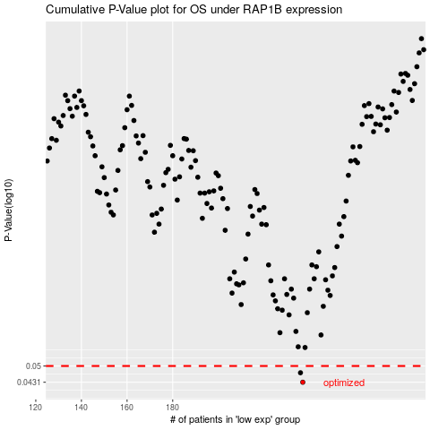

 |  |  |  |  |  | cases_OS | p_OS | rank | exp
 |  |  |  |  |  | 237 | 0.0431 | 289 | -0.085447482862
 |  |  |  |  |  | 236 | 0.047 | 393 | -0.085887411559
 |  |  |  |  |  |  | cases_RFS | p_RFS | rank | exp
 |  |  |  |  |  |  | 236 | 0.0431 | 393 | -0.085887411559
 |  |  |  |  |  |  | 235 | 0.047 | 399 | -0.087397826651

