RAP1GAP _multivariate
Reported by Tex Li-Hsing Chi. tex@gate.sinica.edu.tw 2019-08-16

Table 2. The clinicopathological features of HNSCC cohort and RAP1GAP expression. (Chi square test)
Cutoff at -0.195 (50.0%)
 |  | RAP1GAP expression |  | RAP1GAP expression |  | (Optimised)
 | Features | Low | (%) | High | (%) | Case no | P-value | Remark | Matthews
Gender | Female | 154 | 37.1 | 152 | 36.6 | 415 | 0.8463 | 0 | 0
2 | Male | 53 | 12.8 | 56 | 13.5
Age at diagnosis | <=65y | 136 | 32.8 | 138 | 33.3 | 415 | 0.9719 | 0 | 0
4 | >65y | 71 | 17.1 | 70 | 16.9
Clinical T Status | T1+T2 | 84 | 20.2 | 65 | 15.7 | 415 | 0.0603 | 0 | 0
6 | T3+T4 | 123 | 29.6 | 143 | 34.5
Clinical N Status | N0 | 112 | 27 | 104 | 25.1 | 415 | 0.4599 | 0 | 0
8 | N1-3 | 95 | 22.9 | 104 | 25.1
Clinical M Status | M0 | 207 | 49.9 | 205 | 49.4 | 415 | 0.2482 | 0 | 0
10 | M1 | 0 | 0 | 3 | 0.7
Clinical Stage | Stage I+II | 60 | 14.5 | 42 | 10.1 | 415 | 0.0493 | 1 | 0
12 | Stage III+IV | 147 | 35.4 | 166 | 40
Surgical Margin status | Negative | 162 | 39 | 156 | 37.6 | 415 | 0.4867 | 0 | 0
14 | Positive | 45 | 10.8 | 52 | 12.5
Tobacco Exposure | Low | 92 | 22.2 | 69 | 16.6 | 415 | 0.0206 | 1 | 0
16 | High | 115 | 27.7 | 139 | 33.5

Table 3. Univariate/Multivariate Cox's proportional hazards regression analyses on OS time of RAP1GAP gene expression in HNSCC

 |  | Univariate |  |  |  | Multivariate
 | Features | HR | CI95%(L) | CI95%(H) | P-value | HR | CI95%(L) | CI95%(H) | P-value
1 | Female | 1 |  |  |  | 1
Gender | Male | 1.157 | 0.843 | 1.587 | 0.367 | 1.204 | 0.862 | 1.682 | 0.277
11 | <=65y | 1 |  |  |  | 1
Age at diagnosis | >65y | 1.329 | 0.99 | 1.784 | 0.058 | 1.399 | 1.029 | 1.904 | 0.032
12 | T1+T2 | 1 |  |  |  | 1
Clinical T Status | T3+T4 | 1.409 | 1.028 | 1.931 | 0.033 | 2.209 | 1.168 | 4.177 | 0.015
13 | N0 | 1 |  |  |  | 1
Clinical N Status | N1-3 | 1.185 | 0.89 | 1.577 | 0.246 | 1.238 | 0.867 | 1.766 | 0.24
14 | M0 | 1 |  |  |  | 1
Clinical M Status | M1 | 4.097 | 1.009 | 16.644 | 0.049 | 9.855 | 2.131 | 45.568 | 0.003
15 | Stage I+II | 1 |  |  |  | 1
Clinical Stage | Stage III+IV | 1.245 | 0.882 | 1.759 | 0.213 | 0.509 | 0.237 | 1.093 | 0.083
16 | Negative | 1 |  |  |  | 1
Surgical Margin status | Positive | 1.591 | 1.155 | 2.191 | 0.004 | 1.671 | 1.209 | 2.308 | 0.002
17 | Low | 1 |  |  |  | 1
Tobacco Exposure | High | 1.364 | 1.008 | 1.844 | 0.044 | 1.472 | 1.065 | 2.035 | 0.019
18 | Low | 1 |  |  |  | 1
RNAseq(z-score) | High | 1.006 | 0.755 | 1.341 | 0.967 | 0.918 | 0.684 | 1.231 | 0.567

Table 4. Univariate/Multivariate Cox's proportional hazards regression analyses on RFS time of RAP1GAP gene expression in HNSCC

 |  | Univariate |  |  |  | Multivariate
 | Features | HR | CI95%(L) | CI95%(H) | P-value | HR | CI95%(L) | CI95%(H) | P-value
1 | Female | 1 |  |  |  | 1
Gender | Male | 1.157 | 0.843 | 1.587 | 0.367 | 1.204 | 0.862 | 1.682 | 0.277
11 | <=65y | 1 |  |  |  | 1
Age at diagnosis | >65y | 1.329 | 0.99 | 1.784 | 0.058 | 1.399 | 1.029 | 1.904 | 0.032
12 | T1+T2 | 1 |  |  |  | 1
Clinical T Status | T3+T4 | 1.409 | 1.028 | 1.931 | 0.033 | 2.209 | 1.168 | 4.177 | 0.015
13 | N0 | 1 |  |  |  | 1
Clinical N Status | N1-3 | 1.185 | 0.89 | 1.577 | 0.246 | 1.238 | 0.867 | 1.766 | 0.24
14 | M0 | 1 |  |  |  | 1
Clinical M Status | M1 | 4.097 | 1.009 | 16.644 | 0.049 | 9.855 | 2.131 | 45.568 | 0.003
15 | Stage I+II | 1 |  |  |  | 1
Clinical Stage | Stage III+IV | 1.245 | 0.882 | 1.759 | 0.213 | 0.509 | 0.237 | 1.093 | 0.083
16 | Negative | 1 |  |  |  | 1
Surgical Margin status | Positive | 1.591 | 1.155 | 2.191 | 0.004 | 1.671 | 1.209 | 2.308 | 0.002
17 | Low | 1 |  |  |  | 1
Tobacco Exposure | High | 1.364 | 1.008 | 1.844 | 0.044 | 1.472 | 1.065 | 2.035 | 0.019
18 | Low | 1 |  |  |  | 1
RNAseq(z-score) | High | 1.006 | 0.755 | 1.341 | 0.967 | 0.918 | 0.684 | 1.231 | 0.567

Kaplan-Meier survival estimate: Cutoff at -0.195 (50.0%)



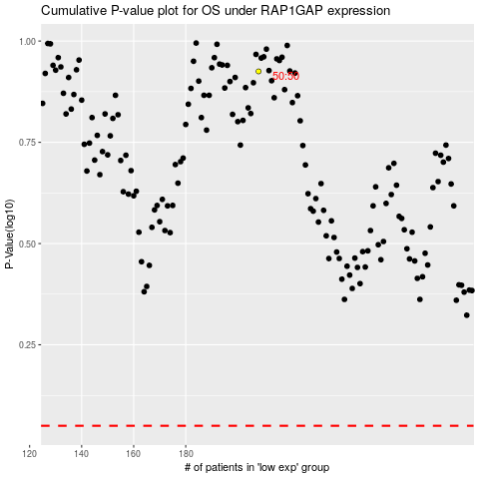

 |  |  |  |  |  | cases_OS | p_OS | rank | exp
 |  |  |  |  |  |  | cases_RFS | p_RFS | rank | exp

