RAP2C _multivariate
Reported by Tex Li-Hsing Chi. tex@gate.sinica.edu.tw 2019-08-16

Table 2. The clinicopathological features of HNSCC cohort and RAP2C expression. (Chi square test)
Cutoff at -0.089 (50.0%)
 |  | RAP2C expression |  | RAP2C expression |  | (Optimised)
 | Features | Low | (%) | High | (%) | Case no | P-value | Remark | Matthews
Gender | Female | 162 | 39 | 144 | 34.7 | 415 | 0.0479 | 1 | 0
2 | Male | 45 | 10.8 | 64 | 15.4
Age at diagnosis | <=65y | 137 | 33 | 137 | 33 | 415 | 1 | 0 | 0
4 | >65y | 70 | 16.9 | 71 | 17.1
Clinical T Status | T1+T2 | 65 | 15.7 | 84 | 20.2 | 415 | 0.0711 | 0 | 0
6 | T3+T4 | 142 | 34.2 | 124 | 29.9
Clinical N Status | N0 | 108 | 26 | 108 | 26 | 415 | 1 | 0 | 0
8 | N1-3 | 99 | 23.9 | 100 | 24.1
Clinical M Status | M0 | 206 | 49.6 | 206 | 49.6 | 415 | 1 | 0 | 0
10 | M1 | 1 | 0.2 | 2 | 0.5
Clinical Stage | Stage I+II | 41 | 9.9 | 61 | 14.7 | 415 | 0.0325 | 1 | 0
12 | Stage III+IV | 166 | 40 | 147 | 35.4
Surgical Margin status | Negative | 153 | 36.9 | 165 | 39.8 | 415 | 0.2036 | 0 | 0
14 | Positive | 54 | 13 | 43 | 10.4
Tobacco Exposure | Low | 64 | 15.4 | 97 | 23.4 | 415 | 0.0012 | 1 | 0
16 | High | 143 | 34.5 | 111 | 26.7

Table 3. Univariate/Multivariate Cox's proportional hazards regression analyses on OS time of RAP2C gene expression in HNSCC

 |  | Univariate |  |  |  | Multivariate
 | Features | HR | CI95%(L) | CI95%(H) | P-value | HR | CI95%(L) | CI95%(H) | P-value
1 | Female | 1 |  |  |  | 1
Gender | Male | 1.157 | 0.843 | 1.587 | 0.367 | 1.179 | 0.843 | 1.649 | 0.336
11 | <=65y | 1 |  |  |  | 1
Age at diagnosis | >65y | 1.329 | 0.99 | 1.784 | 0.058 | 1.415 | 1.039 | 1.927 | 0.028
12 | T1+T2 | 1 |  |  |  | 1
Clinical T Status | T3+T4 | 1.409 | 1.028 | 1.931 | 0.033 | 2.22 | 1.174 | 4.2 | 0.014
13 | N0 | 1 |  |  |  | 1
Clinical N Status | N1-3 | 1.185 | 0.89 | 1.577 | 0.246 | 1.235 | 0.865 | 1.762 | 0.245
14 | M0 | 1 |  |  |  | 1
Clinical M Status | M1 | 4.097 | 1.009 | 16.644 | 0.049 | 9.222 | 2.011 | 42.293 | 0.004
15 | Stage I+II | 1 |  |  |  | 1
Clinical Stage | Stage III+IV | 1.245 | 0.882 | 1.759 | 0.213 | 0.515 | 0.24 | 1.108 | 0.089
16 | Negative | 1 |  |  |  | 1
Surgical Margin status | Positive | 1.591 | 1.155 | 2.191 | 0.004 | 1.679 | 1.215 | 2.32 | 0.002
17 | Low | 1 |  |  |  | 1
Tobacco Exposure | High | 1.364 | 1.008 | 1.844 | 0.044 | 1.477 | 1.071 | 2.038 | 0.017
18 | Low | 1 |  |  |  | 1
RNAseq(z-score) | High | 1.072 | 0.804 | 1.429 | 0.638 | 1.169 | 0.869 | 1.573 | 0.303

Table 4. Univariate/Multivariate Cox's proportional hazards regression analyses on RFS time of RAP2C gene expression in HNSCC

 |  | Univariate |  |  |  | Multivariate
 | Features | HR | CI95%(L) | CI95%(H) | P-value | HR | CI95%(L) | CI95%(H) | P-value
1 | Female | 1 |  |  |  | 1
Gender | Male | 1.157 | 0.843 | 1.587 | 0.367 | 1.179 | 0.843 | 1.649 | 0.336
11 | <=65y | 1 |  |  |  | 1
Age at diagnosis | >65y | 1.329 | 0.99 | 1.784 | 0.058 | 1.415 | 1.039 | 1.927 | 0.028
12 | T1+T2 | 1 |  |  |  | 1
Clinical T Status | T3+T4 | 1.409 | 1.028 | 1.931 | 0.033 | 2.22 | 1.174 | 4.2 | 0.014
13 | N0 | 1 |  |  |  | 1
Clinical N Status | N1-3 | 1.185 | 0.89 | 1.577 | 0.246 | 1.235 | 0.865 | 1.762 | 0.245
14 | M0 | 1 |  |  |  | 1
Clinical M Status | M1 | 4.097 | 1.009 | 16.644 | 0.049 | 9.222 | 2.011 | 42.293 | 0.004
15 | Stage I+II | 1 |  |  |  | 1
Clinical Stage | Stage III+IV | 1.245 | 0.882 | 1.759 | 0.213 | 0.515 | 0.24 | 1.108 | 0.089
16 | Negative | 1 |  |  |  | 1
Surgical Margin status | Positive | 1.591 | 1.155 | 2.191 | 0.004 | 1.679 | 1.215 | 2.32 | 0.002
17 | Low | 1 |  |  |  | 1
Tobacco Exposure | High | 1.364 | 1.008 | 1.844 | 0.044 | 1.477 | 1.071 | 2.038 | 0.017
18 | Low | 1 |  |  |  | 1
RNAseq(z-score) | High | 1.072 | 0.804 | 1.429 | 0.638 | 1.169 | 0.869 | 1.573 | 0.303

Kaplan-Meier survival estimate: Cutoff at -0.089 (50.0%)



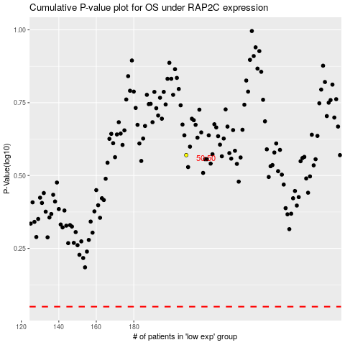

 |  |  |  |  |  | cases_OS | p_OS | rank | exp
 |  |  |  |  |  |  | cases_RFS | p_RFS | rank | exp

