RAPGEF1 _multivariate
Reported by Tex Li-Hsing Chi. tex@gate.sinica.edu.tw 2019-08-16

Table 2. The clinicopathological features of HNSCC cohort and RAPGEF1 expression. (Chi square test)
Cutoff at -0.189 (44.2%)
 |  | RAPGEF1 expression |  | RAPGEF1 expression |  | (Optimised)
 | Features | Low | (%) | High | (%) | Case no | P-value | Remark | Matthews
Gender | Female | 140 | 33.7 | 166 | 40 | 415 | 0.3051 | 0 | 0
2 | Male | 43 | 10.4 | 66 | 15.9
Age at diagnosis | <=65y | 123 | 29.6 | 151 | 36.4 | 415 | 0.7265 | 0 | 0
4 | >65y | 60 | 14.5 | 81 | 19.5
Clinical T Status | T1+T2 | 63 | 15.2 | 86 | 20.7 | 415 | 0.6497 | 0 | 0
6 | T3+T4 | 120 | 28.9 | 146 | 35.2
Clinical N Status | N0 | 96 | 23.1 | 120 | 28.9 | 415 | 0.9603 | 0 | 0
8 | N1-3 | 87 | 21 | 112 | 27
Clinical M Status | M0 | 181 | 43.6 | 231 | 55.7 | 415 | 0.5854 | 0 | 0
10 | M1 | 2 | 0.5 | 1 | 0.2
Clinical Stage | Stage I+II | 40 | 9.6 | 62 | 14.9 | 415 | 0.3038 | 0 | 0
12 | Stage III+IV | 143 | 34.5 | 170 | 41
Surgical Margin status | Negative | 134 | 32.3 | 184 | 44.3 | 415 | 0.1616 | 0 | 0
14 | Positive | 49 | 11.8 | 48 | 11.6
Tobacco Exposure | Low | 76 | 18.3 | 85 | 20.5 | 415 | 0.3127 | 0 | 0
16 | High | 107 | 25.8 | 147 | 35.4

Table 3. Univariate/Multivariate Cox's proportional hazards regression analyses on OS time of RAPGEF1 gene expression in HNSCC

 |  | Univariate |  |  |  | Multivariate
 | Features | HR | CI95%(L) | CI95%(H) | P-value | HR | CI95%(L) | CI95%(H) | P-value
1 | Female | 1 |  |  |  | 1
Gender | Male | 1.157 | 0.843 | 1.587 | 0.367 | 1.219 | 0.872 | 1.704 | 0.246
11 | <=65y | 1 |  |  |  | 1
Age at diagnosis | >65y | 1.329 | 0.99 | 1.784 | 0.058 | 1.369 | 1.006 | 1.863 | 0.046
12 | T1+T2 | 1 |  |  |  | 1
Clinical T Status | T3+T4 | 1.409 | 1.028 | 1.931 | 0.033 | 2.193 | 1.16 | 4.146 | 0.016
13 | N0 | 1 |  |  |  | 1
Clinical N Status | N1-3 | 1.185 | 0.89 | 1.577 | 0.246 | 1.194 | 0.836 | 1.705 | 0.33
14 | M0 | 1 |  |  |  | 1
Clinical M Status | M1 | 4.097 | 1.009 | 16.644 | 0.049 | 11.075 | 2.404 | 51.028 | 0.002
15 | Stage I+II | 1 |  |  |  | 1
Clinical Stage | Stage III+IV | 1.245 | 0.882 | 1.759 | 0.213 | 0.526 | 0.244 | 1.13 | 0.1
16 | Negative | 1 |  |  |  | 1
Surgical Margin status | Positive | 1.591 | 1.155 | 2.191 | 0.004 | 1.765 | 1.274 | 2.445 | 0.001
17 | Low | 1 |  |  |  | 1
Tobacco Exposure | High | 1.364 | 1.008 | 1.844 | 0.044 | 1.458 | 1.058 | 2.01 | 0.021
18 | Low | 1 |  |  |  | 1
RNAseq(z-score) | High | 1.406 | 1.044 | 1.893 | 0.025 | 1.513 | 1.118 | 2.049 | 0.007

Table 4. Univariate/Multivariate Cox's proportional hazards regression analyses on RFS time of RAPGEF1 gene expression in HNSCC

 |  | Univariate |  |  |  | Multivariate
 | Features | HR | CI95%(L) | CI95%(H) | P-value | HR | CI95%(L) | CI95%(H) | P-value
1 | Female | 1 |  |  |  | 1
Gender | Male | 1.157 | 0.843 | 1.587 | 0.367 | 1.219 | 0.872 | 1.704 | 0.246
11 | <=65y | 1 |  |  |  | 1
Age at diagnosis | >65y | 1.329 | 0.99 | 1.784 | 0.058 | 1.369 | 1.006 | 1.863 | 0.046
12 | T1+T2 | 1 |  |  |  | 1
Clinical T Status | T3+T4 | 1.409 | 1.028 | 1.931 | 0.033 | 2.193 | 1.16 | 4.146 | 0.016
13 | N0 | 1 |  |  |  | 1
Clinical N Status | N1-3 | 1.185 | 0.89 | 1.577 | 0.246 | 1.194 | 0.836 | 1.705 | 0.33
14 | M0 | 1 |  |  |  | 1
Clinical M Status | M1 | 4.097 | 1.009 | 16.644 | 0.049 | 11.075 | 2.404 | 51.028 | 0.002
15 | Stage I+II | 1 |  |  |  | 1
Clinical Stage | Stage III+IV | 1.245 | 0.882 | 1.759 | 0.213 | 0.526 | 0.244 | 1.13 | 0.1
16 | Negative | 1 |  |  |  | 1
Surgical Margin status | Positive | 1.591 | 1.155 | 2.191 | 0.004 | 1.765 | 1.274 | 2.445 | 0.001
17 | Low | 1 |  |  |  | 1
Tobacco Exposure | High | 1.364 | 1.008 | 1.844 | 0.044 | 1.458 | 1.058 | 2.01 | 0.021
18 | Low | 1 |  |  |  | 1
RNAseq(z-score) | High | 1.406 | 1.044 | 1.893 | 0.025 | 1.513 | 1.118 | 2.049 | 0.007

Kaplan-Meier survival estimate: Cutoff at -0.189 (44.2%)

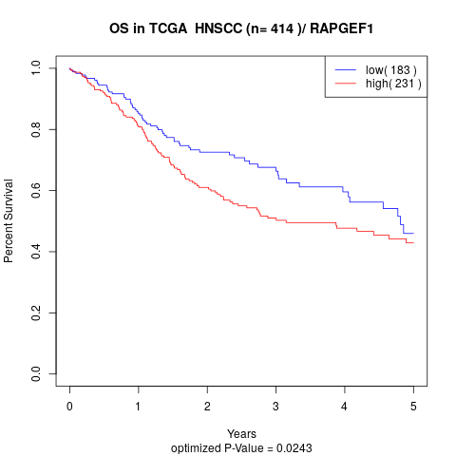

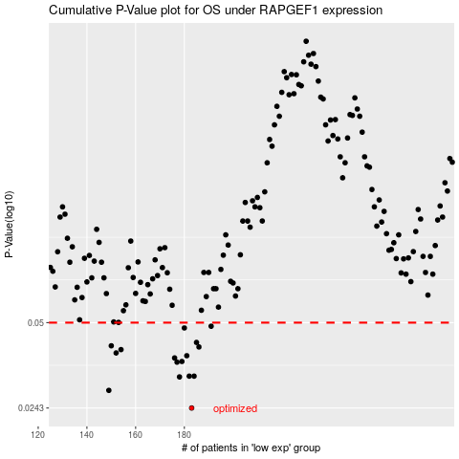

 |  |  |  |  |  | cases_OS | p_OS | rank | exp
 |  |  |  |  |  | 183 | 0.0243 | 361 | -0.18931882086
 |  |  |  |  |  | 149 | 0.0282 | 247 | -0.39485460361
 |  |  |  |  |  | 178 | 0.0316 | 278 | -0.20781615854
 |  |  |  |  |  | 182 | 0.0318 | 282 | -0.19027790619
 |  |  |  |  |  | 184 | 0.0318 | 387 | -0.18005359391
 |  |  |  |  |  | 177 | 0.0358 | 309 | -0.21481771872
 |  |  |  |  |  | 179 | 0.036 | 12 | -0.20422458069
 |  |  |  |  |  | 176 | 0.0371 | 315 | -0.22209597234
 |  |  |  |  |  | 181 | 0.0378 | 167 | -0.19050082285
 |  |  |  |  |  | 152 | 0.0387 | 258 | -0.37936451546
 |  |  |  |  |  | 154 | 0.0398 | 78 | -0.36900289443
 |  |  |  |  |  | 186 | 0.0407 | 222 | -0.1749578476
 |  |  |  |  |  | 150 | 0.0411 | 338 | -0.38353251328
 |  |  |  |  |  | 185 | 0.0423 | 94 | -0.17582351553
 |  |  |  |  |  | 180 | 0.0478 | 399 | -0.19358082921
 |  |  |  |  |  | 191 | 0.0485 | 115 | -0.15287733469
 |  |  |  |  |  |  | cases_RFS | p_RFS | rank | exp
 |  |  |  |  |  |  | 182 | 0.0243 | 282 | -0.19027790619
 |  |  |  |  |  |  | 148 | 0.0282 | 271 | -0.3987731918
 |  |  |  |  |  |  | 177 | 0.0316 | 309 | -0.21481771872
 |  |  |  |  |  |  | 181 | 0.0318 | 167 | -0.19050082285
 |  |  |  |  |  |  | 183 | 0.0318 | 361 | -0.18931882086
 |  |  |  |  |  |  | 176 | 0.0358 | 315 | -0.22209597234
 |  |  |  |  |  |  | 178 | 0.036 | 278 | -0.20781615854
 |  |  |  |  |  |  | 175 | 0.0371 | 26 | -0.2227283439
 |  |  |  |  |  |  | 180 | 0.0378 | 399 | -0.19358082921
 |  |  |  |  |  |  | 151 | 0.0387 | 51 | -0.38227864415
 |  |  |  |  |  |  | 153 | 0.0398 | 105 | -0.37819625423
 |  |  |  |  |  |  | 185 | 0.0407 | 94 | -0.17582351553
 |  |  |  |  |  |  | 149 | 0.0411 | 247 | -0.39485460361
 |  |  |  |  |  |  | 184 | 0.0423 | 387 | -0.18005359391
 |  |  |  |  |  |  | 179 | 0.0478 | 12 | -0.20422458069
 |  |  |  |  |  |  | 190 | 0.0485 | 175 | -0.15433731524

