RAPGEF2 _multivariate
Reported by Tex Li-Hsing Chi. tex@gate.sinica.edu.tw 2019-08-16

Table 2. The clinicopathological features of HNSCC cohort and RAPGEF2 expression. (Chi square test)
Cutoff at 0.268 (67.4%)
 |  | RAPGEF2 expression |  | RAPGEF2 expression |  | (Optimised)
 | Features | Low | (%) | High | (%) | Case no | P-value | Remark | Matthews
Gender | Female | 215 | 51.8 | 91 | 21.9 | 415 | 0.0555 | 0 | 0
2 | Male | 65 | 15.7 | 44 | 10.6
Age at diagnosis | <=65y | 190 | 45.8 | 84 | 20.2 | 415 | 0.3054 | 0 | 0
4 | >65y | 90 | 21.7 | 51 | 12.3
Clinical T Status | T1+T2 | 103 | 24.8 | 46 | 11.1 | 415 | 0.667 | 0 | 0
6 | T3+T4 | 177 | 42.7 | 89 | 21.4
Clinical N Status | N0 | 144 | 34.7 | 72 | 17.3 | 415 | 0.7956 | 0 | 0
8 | N1-3 | 136 | 32.8 | 63 | 15.2
Clinical M Status | M0 | 277 | 66.7 | 135 | 32.5 | 415 | 0.5541 | 0 | 0
10 | M1 | 3 | 0.7 | 0 | 0
Clinical Stage | Stage I+II | 71 | 17.1 | 31 | 7.5 | 415 | 0.6825 | 0 | 0
12 | Stage III+IV | 209 | 50.4 | 104 | 25.1
Surgical Margin status | Negative | 208 | 50.1 | 110 | 26.5 | 415 | 0.1094 | 0 | 0
14 | Positive | 72 | 17.3 | 25 | 6
Tobacco Exposure | Low | 106 | 25.5 | 55 | 13.3 | 415 | 0.5919 | 0 | 0
16 | High | 174 | 41.9 | 80 | 19.3

Table 3. Univariate/Multivariate Cox's proportional hazards regression analyses on OS time of RAPGEF2 gene expression in HNSCC

 |  | Univariate |  |  |  | Multivariate
 | Features | HR | CI95%(L) | CI95%(H) | P-value | HR | CI95%(L) | CI95%(H) | P-value
1 | Female | 1 |  |  |  | 1
Gender | Male | 1.157 | 0.843 | 1.587 | 0.367 | 1.251 | 0.892 | 1.754 | 0.194
11 | <=65y | 1 |  |  |  | 1
Age at diagnosis | >65y | 1.329 | 0.99 | 1.784 | 0.058 | 1.435 | 1.056 | 1.951 | 0.021
12 | T1+T2 | 1 |  |  |  | 1
Clinical T Status | T3+T4 | 1.409 | 1.028 | 1.931 | 0.033 | 2.136 | 1.13 | 4.039 | 0.02
13 | N0 | 1 |  |  |  | 1
Clinical N Status | N1-3 | 1.185 | 0.89 | 1.577 | 0.246 | 1.197 | 0.838 | 1.709 | 0.323
14 | M0 | 1 |  |  |  | 1
Clinical M Status | M1 | 4.097 | 1.009 | 16.644 | 0.049 | 8.337 | 1.815 | 38.3 | 0.006
15 | Stage I+II | 1 |  |  |  | 1
Clinical Stage | Stage III+IV | 1.245 | 0.882 | 1.759 | 0.213 | 0.542 | 0.252 | 1.167 | 0.118
16 | Negative | 1 |  |  |  | 1
Surgical Margin status | Positive | 1.591 | 1.155 | 2.191 | 0.004 | 1.61 | 1.164 | 2.227 | 0.004
17 | Low | 1 |  |  |  | 1
Tobacco Exposure | High | 1.364 | 1.008 | 1.844 | 0.044 | 1.452 | 1.053 | 2 | 0.023
18 | Low | 1 |  |  |  | 1
RNAseq(z-score) | High | 0.676 | 0.491 | 0.931 | 0.017 | 0.68 | 0.49 | 0.943 | 0.021

Table 4. Univariate/Multivariate Cox's proportional hazards regression analyses on RFS time of RAPGEF2 gene expression in HNSCC

 |  | Univariate |  |  |  | Multivariate
 | Features | HR | CI95%(L) | CI95%(H) | P-value | HR | CI95%(L) | CI95%(H) | P-value
1 | Female | 1 |  |  |  | 1
Gender | Male | 1.157 | 0.843 | 1.587 | 0.367 | 1.251 | 0.892 | 1.754 | 0.194
11 | <=65y | 1 |  |  |  | 1
Age at diagnosis | >65y | 1.329 | 0.99 | 1.784 | 0.058 | 1.435 | 1.056 | 1.951 | 0.021
12 | T1+T2 | 1 |  |  |  | 1
Clinical T Status | T3+T4 | 1.409 | 1.028 | 1.931 | 0.033 | 2.136 | 1.13 | 4.039 | 0.02
13 | N0 | 1 |  |  |  | 1
Clinical N Status | N1-3 | 1.185 | 0.89 | 1.577 | 0.246 | 1.197 | 0.838 | 1.709 | 0.323
14 | M0 | 1 |  |  |  | 1
Clinical M Status | M1 | 4.097 | 1.009 | 16.644 | 0.049 | 8.337 | 1.815 | 38.3 | 0.006
15 | Stage I+II | 1 |  |  |  | 1
Clinical Stage | Stage III+IV | 1.245 | 0.882 | 1.759 | 0.213 | 0.542 | 0.252 | 1.167 | 0.118
16 | Negative | 1 |  |  |  | 1
Surgical Margin status | Positive | 1.591 | 1.155 | 2.191 | 0.004 | 1.61 | 1.164 | 2.227 | 0.004
17 | Low | 1 |  |  |  | 1
Tobacco Exposure | High | 1.364 | 1.008 | 1.844 | 0.044 | 1.452 | 1.053 | 2 | 0.023
18 | Low | 1 |  |  |  | 1
RNAseq(z-score) | High | 0.676 | 0.491 | 0.931 | 0.017 | 0.68 | 0.49 | 0.943 | 0.021

Kaplan-Meier survival estimate: Cutoff at 0.268 (67.4%)

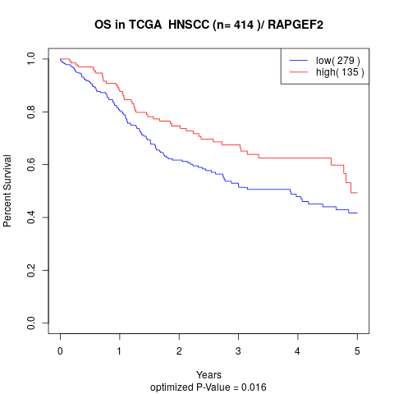

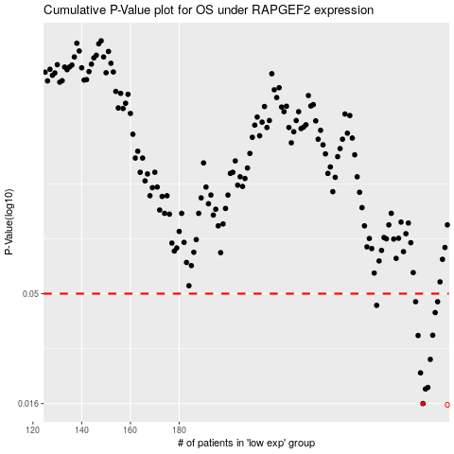

 |  |  |  |  |  | cases_OS | p_OS | rank | exp
 |  |  |  |  |  | 280 | 0.016 | 292 | 0.26765508478
 |  |  |  |  |  | 281 | 0.0186 | 345 | 0.27144955383
 |  |  |  |  |  | 282 | 0.0189 | 51 | 0.27630216886
 |  |  |  |  |  | 279 | 0.022 | 58 | 0.26755300957
 |  |  |  |  |  | 283 | 0.0253 | 242 | 0.27876864954
 |  |  |  |  |  | 278 | 0.0324 | 281 | 0.25526355861
 |  |  |  |  |  | 284 | 0.0325 | 400 | 0.29867887393
 |  |  |  |  |  | 285 | 0.0411 | 312 | 0.29948183189
 |  |  |  |  |  | 261 | 0.0443 | 230 | 0.13770879527
 |  |  |  |  |  | 277 | 0.046 | 124 | 0.24301807074
 |  |  |  |  |  | 286 | 0.046 | 128 | 0.3028371754
 |  |  |  |  |  |  | cases_RFS | p_RFS | rank | exp
 |  |  |  |  |  |  | 279 | 0.016 | 58 | 0.26755300957
 |  |  |  |  |  |  | 280 | 0.0186 | 292 | 0.26765508478
 |  |  |  |  |  |  | 281 | 0.0189 | 345 | 0.27144955383
 |  |  |  |  |  |  | 278 | 0.022 | 281 | 0.25526355861
 |  |  |  |  |  |  | 282 | 0.0253 | 51 | 0.27630216886
 |  |  |  |  |  |  | 277 | 0.0324 | 124 | 0.24301807074
 |  |  |  |  |  |  | 283 | 0.0325 | 242 | 0.27876864954
 |  |  |  |  |  |  | 284 | 0.0411 | 400 | 0.29867887393
 |  |  |  |  |  |  | 260 | 0.0443 | 108 | 0.12861753244
 |  |  |  |  |  |  | 276 | 0.046 | 113 | 0.24102204561
 |  |  |  |  |  |  | 285 | 0.046 | 312 | 0.29948183189

