RAPGEF4 _multivariate
Reported by Tex Li-Hsing Chi. tex@gate.sinica.edu.tw 2019-08-16

Table 2. The clinicopathological features of HNSCC cohort and RAPGEF4 expression. (Chi square test)
Cutoff at 0.409 (70.0%)
 |  | RAPGEF4 expression |  | RAPGEF4 expression |  | (Optimised)
 | Features | Low | (%) | High | (%) | Case no | P-value | Remark | Matthews
Gender | Female | 217 | 52.3 | 89 | 21.4 | 415 | 0.5164 | 0 | 0
2 | Male | 73 | 17.6 | 36 | 8.7
Age at diagnosis | <=65y | 196 | 47.2 | 78 | 18.8 | 415 | 0.3626 | 0 | 0
4 | >65y | 94 | 22.7 | 47 | 11.3
Clinical T Status | T1+T2 | 104 | 25.1 | 45 | 10.8 | 415 | 1 | 0 | 0
6 | T3+T4 | 186 | 44.8 | 80 | 19.3
Clinical N Status | N0 | 144 | 34.7 | 72 | 17.3 | 415 | 0.1678 | 0 | 0
8 | N1-3 | 146 | 35.2 | 53 | 12.8
Clinical M Status | M0 | 287 | 69.2 | 125 | 30.1 | 415 | 0.5571 | 0 | 0
10 | M1 | 3 | 0.7 | 0 | 0
Clinical Stage | Stage I+II | 68 | 16.4 | 34 | 8.2 | 415 | 0.4901 | 0 | 0
12 | Stage III+IV | 222 | 53.5 | 91 | 21.9
Surgical Margin status | Negative | 218 | 52.5 | 100 | 24.1 | 415 | 0.3137 | 0 | 0
14 | Positive | 72 | 17.3 | 25 | 6
Tobacco Exposure | Low | 111 | 26.7 | 50 | 12 | 415 | 0.7432 | 0 | 0
16 | High | 179 | 43.1 | 75 | 18.1

Table 3. Univariate/Multivariate Cox's proportional hazards regression analyses on OS time of RAPGEF4 gene expression in HNSCC

 |  | Univariate |  |  |  | Multivariate
 | Features | HR | CI95%(L) | CI95%(H) | P-value | HR | CI95%(L) | CI95%(H) | P-value
1 | Female | 1 |  |  |  | 1
Gender | Male | 1.157 | 0.843 | 1.587 | 0.367 | 1.202 | 0.859 | 1.681 | 0.283
11 | <=65y | 1 |  |  |  | 1
Age at diagnosis | >65y | 1.329 | 0.99 | 1.784 | 0.058 | 1.418 | 1.043 | 1.929 | 0.026
12 | T1+T2 | 1 |  |  |  | 1
Clinical T Status | T3+T4 | 1.409 | 1.028 | 1.931 | 0.033 | 2.237 | 1.183 | 4.228 | 0.013
13 | N0 | 1 |  |  |  | 1
Clinical N Status | N1-3 | 1.185 | 0.89 | 1.577 | 0.246 | 1.215 | 0.851 | 1.736 | 0.283
14 | M0 | 1 |  |  |  | 1
Clinical M Status | M1 | 4.097 | 1.009 | 16.644 | 0.049 | 8.83 | 1.924 | 40.517 | 0.005
15 | Stage I+II | 1 |  |  |  | 1
Clinical Stage | Stage III+IV | 1.245 | 0.882 | 1.759 | 0.213 | 0.491 | 0.229 | 1.056 | 0.069
16 | Negative | 1 |  |  |  | 1
Surgical Margin status | Positive | 1.591 | 1.155 | 2.191 | 0.004 | 1.622 | 1.173 | 2.243 | 0.003
17 | Low | 1 |  |  |  | 1
Tobacco Exposure | High | 1.364 | 1.008 | 1.844 | 0.044 | 1.43 | 1.037 | 1.971 | 0.029
18 | Low | 1 |  |  |  | 1
RNAseq(z-score) | High | 0.688 | 0.493 | 0.96 | 0.028 | 0.717 | 0.511 | 1.006 | 0.054

Table 4. Univariate/Multivariate Cox's proportional hazards regression analyses on RFS time of RAPGEF4 gene expression in HNSCC

 |  | Univariate |  |  |  | Multivariate
 | Features | HR | CI95%(L) | CI95%(H) | P-value | HR | CI95%(L) | CI95%(H) | P-value
1 | Female | 1 |  |  |  | 1
Gender | Male | 1.157 | 0.843 | 1.587 | 0.367 | 1.202 | 0.859 | 1.681 | 0.283
11 | <=65y | 1 |  |  |  | 1
Age at diagnosis | >65y | 1.329 | 0.99 | 1.784 | 0.058 | 1.418 | 1.043 | 1.929 | 0.026
12 | T1+T2 | 1 |  |  |  | 1
Clinical T Status | T3+T4 | 1.409 | 1.028 | 1.931 | 0.033 | 2.237 | 1.183 | 4.228 | 0.013
13 | N0 | 1 |  |  |  | 1
Clinical N Status | N1-3 | 1.185 | 0.89 | 1.577 | 0.246 | 1.215 | 0.851 | 1.736 | 0.283
14 | M0 | 1 |  |  |  | 1
Clinical M Status | M1 | 4.097 | 1.009 | 16.644 | 0.049 | 8.83 | 1.924 | 40.517 | 0.005
15 | Stage I+II | 1 |  |  |  | 1
Clinical Stage | Stage III+IV | 1.245 | 0.882 | 1.759 | 0.213 | 0.491 | 0.229 | 1.056 | 0.069
16 | Negative | 1 |  |  |  | 1
Surgical Margin status | Positive | 1.591 | 1.155 | 2.191 | 0.004 | 1.622 | 1.173 | 2.243 | 0.003
17 | Low | 1 |  |  |  | 1
Tobacco Exposure | High | 1.364 | 1.008 | 1.844 | 0.044 | 1.43 | 1.037 | 1.971 | 0.029
18 | Low | 1 |  |  |  | 1
RNAseq(z-score) | High | 0.688 | 0.493 | 0.96 | 0.028 | 0.717 | 0.511 | 1.006 | 0.054

Kaplan-Meier survival estimate: Cutoff at 0.409 (70.0%)

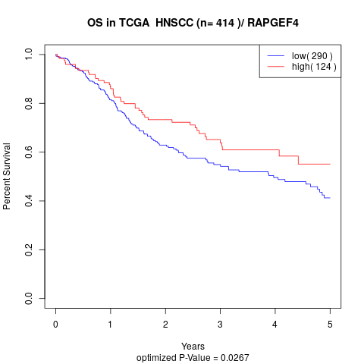

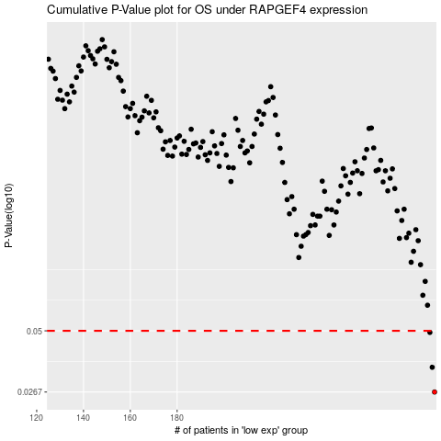

 |  |  |  |  |  | cases_OS | p_OS | rank | exp
 |  |  |  |  |  | 290 | 0.0267 | 121 | 0.40942298792
 |  |  |  |  |  | 289 | 0.0344 | 414 | 0.39908948837
 |  |  |  |  |  | 288 | 0.0492 | 217 | 0.36990347214
 |  |  |  |  |  |  | cases_RFS | p_RFS | rank | exp
 |  |  |  |  |  |  | 289 | 0.0267 | 414 | 0.39908948837
 |  |  |  |  |  |  | 288 | 0.0344 | 217 | 0.36990347214
 |  |  |  |  |  |  | 287 | 0.0492 | 186 | 0.36578342501

