RAPH1 _multivariate
Reported by Tex Li-Hsing Chi. tex@gate.sinica.edu.tw 2019-08-16

Table 2. The clinicopathological features of HNSCC cohort and RAPH1 expression. (Chi square test)
Cutoff at -0.162 (50.0%)
 |  | RAPH1 expression |  | RAPH1 expression |  | (Optimised)
 | Features | Low | (%) | High | (%) | Case no | P-value | Remark | Matthews
Gender | Female | 161 | 38.8 | 145 | 34.9 | 415 | 0.0792 | 0 | 0
2 | Male | 46 | 11.1 | 63 | 15.2
Age at diagnosis | <=65y | 140 | 33.7 | 134 | 32.3 | 415 | 0.5574 | 0 | 0
4 | >65y | 67 | 16.1 | 74 | 17.8
Clinical T Status | T1+T2 | 75 | 18.1 | 74 | 17.8 | 415 | 0.9707 | 0 | 0
6 | T3+T4 | 132 | 31.8 | 134 | 32.3
Clinical N Status | N0 | 113 | 27.2 | 103 | 24.8 | 415 | 0.3495 | 1 | 0
8 | N1-3 | 94 | 22.7 | 105 | 25.3
Clinical M Status | M0 | 204 | 49.2 | 208 | 50.1 | 415 | 0.1232 | 0 | 0
10 | M1 | 3 | 0.7 | 0 | 0
Clinical Stage | Stage I+II | 52 | 12.5 | 50 | 12 | 415 | 0.8871 | 0 | 0
12 | Stage III+IV | 155 | 37.3 | 158 | 38.1
Surgical Margin status | Negative | 151 | 36.4 | 167 | 40.2 | 415 | 0.0828 | 0 | 0
14 | Positive | 56 | 13.5 | 41 | 9.9
Tobacco Exposure | Low | 80 | 19.3 | 81 | 19.5 | 415 | 1 | 0 | 0
16 | High | 127 | 30.6 | 127 | 30.6

Table 3. Univariate/Multivariate Cox's proportional hazards regression analyses on OS time of RAPH1 gene expression in HNSCC

 |  | Univariate |  |  |  | Multivariate
 | Features | HR | CI95%(L) | CI95%(H) | P-value | HR | CI95%(L) | CI95%(H) | P-value
1 | Female | 1 |  |  |  | 1
Gender | Male | 1.157 | 0.843 | 1.587 | 0.367 | 1.196 | 0.856 | 1.671 | 0.294
11 | <=65y | 1 |  |  |  | 1
Age at diagnosis | >65y | 1.329 | 0.99 | 1.784 | 0.058 | 1.393 | 1.024 | 1.895 | 0.035
12 | T1+T2 | 1 |  |  |  | 1
Clinical T Status | T3+T4 | 1.409 | 1.028 | 1.931 | 0.033 | 2.231 | 1.179 | 4.222 | 0.014
13 | N0 | 1 |  |  |  | 1
Clinical N Status | N1-3 | 1.185 | 0.89 | 1.577 | 0.246 | 1.233 | 0.863 | 1.76 | 0.25
14 | M0 | 1 |  |  |  | 1
Clinical M Status | M1 | 4.097 | 1.009 | 16.644 | 0.049 | 10.255 | 2.209 | 47.596 | 0.003
15 | Stage I+II | 1 |  |  |  | 1
Clinical Stage | Stage III+IV | 1.245 | 0.882 | 1.759 | 0.213 | 0.495 | 0.23 | 1.064 | 0.072
16 | Negative | 1 |  |  |  | 1
Surgical Margin status | Positive | 1.591 | 1.155 | 2.191 | 0.004 | 1.702 | 1.229 | 2.358 | 0.001
17 | Low | 1 |  |  |  | 1
Tobacco Exposure | High | 1.364 | 1.008 | 1.844 | 0.044 | 1.465 | 1.063 | 2.02 | 0.02
18 | Low | 1 |  |  |  | 1
RNAseq(z-score) | High | 1.067 | 0.799 | 1.426 | 0.66 | 1.143 | 0.851 | 1.535 | 0.375

Table 4. Univariate/Multivariate Cox's proportional hazards regression analyses on RFS time of RAPH1 gene expression in HNSCC

 |  | Univariate |  |  |  | Multivariate
 | Features | HR | CI95%(L) | CI95%(H) | P-value | HR | CI95%(L) | CI95%(H) | P-value
1 | Female | 1 |  |  |  | 1
Gender | Male | 1.157 | 0.843 | 1.587 | 0.367 | 1.196 | 0.856 | 1.671 | 0.294
11 | <=65y | 1 |  |  |  | 1
Age at diagnosis | >65y | 1.329 | 0.99 | 1.784 | 0.058 | 1.393 | 1.024 | 1.895 | 0.035
12 | T1+T2 | 1 |  |  |  | 1
Clinical T Status | T3+T4 | 1.409 | 1.028 | 1.931 | 0.033 | 2.231 | 1.179 | 4.222 | 0.014
13 | N0 | 1 |  |  |  | 1
Clinical N Status | N1-3 | 1.185 | 0.89 | 1.577 | 0.246 | 1.233 | 0.863 | 1.76 | 0.25
14 | M0 | 1 |  |  |  | 1
Clinical M Status | M1 | 4.097 | 1.009 | 16.644 | 0.049 | 10.255 | 2.209 | 47.596 | 0.003
15 | Stage I+II | 1 |  |  |  | 1
Clinical Stage | Stage III+IV | 1.245 | 0.882 | 1.759 | 0.213 | 0.495 | 0.23 | 1.064 | 0.072
16 | Negative | 1 |  |  |  | 1
Surgical Margin status | Positive | 1.591 | 1.155 | 2.191 | 0.004 | 1.702 | 1.229 | 2.358 | 0.001
17 | Low | 1 |  |  |  | 1
Tobacco Exposure | High | 1.364 | 1.008 | 1.844 | 0.044 | 1.465 | 1.063 | 2.02 | 0.02
18 | Low | 1 |  |  |  | 1
RNAseq(z-score) | High | 1.067 | 0.799 | 1.426 | 0.66 | 1.143 | 0.851 | 1.535 | 0.375

Kaplan-Meier survival estimate: Cutoff at -0.162 (50.0%)



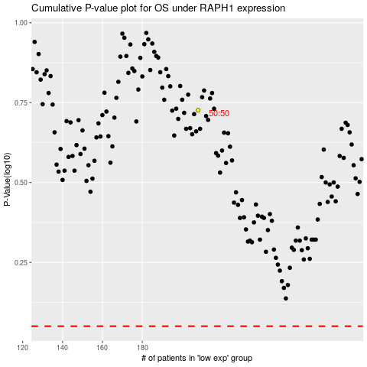

 |  |  |  |  |  | cases_OS | p_OS | rank | exp
 |  |  |  |  |  |  | cases_RFS | p_RFS | rank | exp

