RAPSN _multivariate
Reported by Tex Li-Hsing Chi. tex@gate.sinica.edu.tw 2019-08-16

Table 2. The clinicopathological features of HNSCC cohort and RAPSN expression. (Chi square test)
Cutoff at -0.34 (50.0%)
 |  | RAPSN expression |  | RAPSN expression |  | (Optimised)
 | Features | Low | (%) | High | (%) | Case no | P-value | Remark | Matthews
Gender | Female | 152 | 36.6 | 154 | 37.1 | 415 | 0.9766 | 0 | 0
2 | Male | 55 | 13.3 | 54 | 13
Age at diagnosis | <=65y | 124 | 29.9 | 150 | 36.1 | 415 | 0.0116 | 1 | 0
4 | >65y | 83 | 20 | 58 | 14
Clinical T Status | T1+T2 | 64 | 15.4 | 85 | 20.5 | 415 | 0.0445 | 1 | 0
6 | T3+T4 | 143 | 34.5 | 123 | 29.6
Clinical N Status | N0 | 112 | 27 | 104 | 25.1 | 415 | 0.4599 | 0 | 0
8 | N1-3 | 95 | 22.9 | 104 | 25.1
Clinical M Status | M0 | 205 | 49.4 | 207 | 49.9 | 415 | 0.6232 | 0 | 0
10 | M1 | 2 | 0.5 | 1 | 0.2
Clinical Stage | Stage I+II | 41 | 9.9 | 61 | 14.7 | 415 | 0.0325 | 1 | 0
12 | Stage III+IV | 166 | 40 | 147 | 35.4
Surgical Margin status | Negative | 151 | 36.4 | 167 | 40.2 | 415 | 0.0828 | 0 | 0
14 | Positive | 56 | 13.5 | 41 | 9.9
Tobacco Exposure | Low | 88 | 21.2 | 73 | 17.6 | 415 | 0.1314 | 0 | 0
16 | High | 119 | 28.7 | 135 | 32.5

Table 3. Univariate/Multivariate Cox's proportional hazards regression analyses on OS time of RAPSN gene expression in HNSCC

 |  | Univariate |  |  |  | Multivariate
 | Features | HR | CI95%(L) | CI95%(H) | P-value | HR | CI95%(L) | CI95%(H) | P-value
1 | Female | 1 |  |  |  | 1
Gender | Male | 1.157 | 0.843 | 1.587 | 0.367 | 1.192 | 0.852 | 1.667 | 0.305
11 | <=65y | 1 |  |  |  | 1
Age at diagnosis | >65y | 1.329 | 0.99 | 1.784 | 0.058 | 1.407 | 1.034 | 1.915 | 0.03
12 | T1+T2 | 1 |  |  |  | 1
Clinical T Status | T3+T4 | 1.409 | 1.028 | 1.931 | 0.033 | 2.173 | 1.148 | 4.113 | 0.017
13 | N0 | 1 |  |  |  | 1
Clinical N Status | N1-3 | 1.185 | 0.89 | 1.577 | 0.246 | 1.212 | 0.846 | 1.737 | 0.294
14 | M0 | 1 |  |  |  | 1
Clinical M Status | M1 | 4.097 | 1.009 | 16.644 | 0.049 | 9.429 | 2.057 | 43.216 | 0.004
15 | Stage I+II | 1 |  |  |  | 1
Clinical Stage | Stage III+IV | 1.245 | 0.882 | 1.759 | 0.213 | 0.523 | 0.243 | 1.129 | 0.099
16 | Negative | 1 |  |  |  | 1
Surgical Margin status | Positive | 1.591 | 1.155 | 2.191 | 0.004 | 1.691 | 1.223 | 2.339 | 0.001
17 | Low | 1 |  |  |  | 1
Tobacco Exposure | High | 1.364 | 1.008 | 1.844 | 0.044 | 1.437 | 1.043 | 1.981 | 0.027
18 | Low | 1 |  |  |  | 1
RNAseq(z-score) | High | 1.116 | 0.837 | 1.488 | 0.453 | 1.138 | 0.846 | 1.53 | 0.394

Table 4. Univariate/Multivariate Cox's proportional hazards regression analyses on RFS time of RAPSN gene expression in HNSCC

 |  | Univariate |  |  |  | Multivariate
 | Features | HR | CI95%(L) | CI95%(H) | P-value | HR | CI95%(L) | CI95%(H) | P-value
1 | Female | 1 |  |  |  | 1
Gender | Male | 1.157 | 0.843 | 1.587 | 0.367 | 1.192 | 0.852 | 1.667 | 0.305
11 | <=65y | 1 |  |  |  | 1
Age at diagnosis | >65y | 1.329 | 0.99 | 1.784 | 0.058 | 1.407 | 1.034 | 1.915 | 0.03
12 | T1+T2 | 1 |  |  |  | 1
Clinical T Status | T3+T4 | 1.409 | 1.028 | 1.931 | 0.033 | 2.173 | 1.148 | 4.113 | 0.017
13 | N0 | 1 |  |  |  | 1
Clinical N Status | N1-3 | 1.185 | 0.89 | 1.577 | 0.246 | 1.212 | 0.846 | 1.737 | 0.294
14 | M0 | 1 |  |  |  | 1
Clinical M Status | M1 | 4.097 | 1.009 | 16.644 | 0.049 | 9.429 | 2.057 | 43.216 | 0.004
15 | Stage I+II | 1 |  |  |  | 1
Clinical Stage | Stage III+IV | 1.245 | 0.882 | 1.759 | 0.213 | 0.523 | 0.243 | 1.129 | 0.099
16 | Negative | 1 |  |  |  | 1
Surgical Margin status | Positive | 1.591 | 1.155 | 2.191 | 0.004 | 1.691 | 1.223 | 2.339 | 0.001
17 | Low | 1 |  |  |  | 1
Tobacco Exposure | High | 1.364 | 1.008 | 1.844 | 0.044 | 1.437 | 1.043 | 1.981 | 0.027
18 | Low | 1 |  |  |  | 1
RNAseq(z-score) | High | 1.116 | 0.837 | 1.488 | 0.453 | 1.138 | 0.846 | 1.53 | 0.394

Kaplan-Meier survival estimate: Cutoff at -0.34 (50.0%)



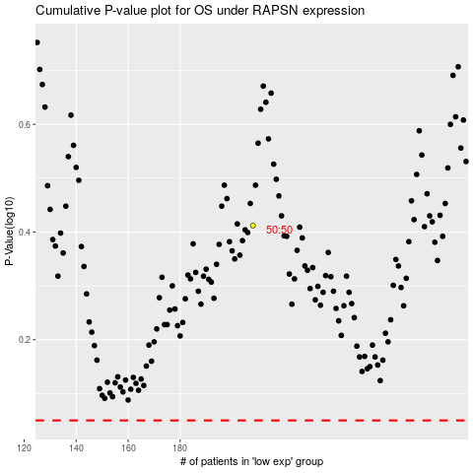

 |  |  |  |  |  | cases_OS | p_OS | rank | exp
 |  |  |  |  |  |  | cases_RFS | p_RFS | rank | exp

