RARRES1 _multivariate
Reported by Tex Li-Hsing Chi. tex@gate.sinica.edu.tw 2019-08-16

Table 2. The clinicopathological features of HNSCC cohort and RARRES1 expression. (Chi square test)
Cutoff at -0.317 (40.6%)
 |  | RARRES1 expression |  | RARRES1 expression |  | (Optimised)
 | Features | Low | (%) | High | (%) | Case no | P-value | Remark | Matthews
Gender | Female | 130 | 31.3 | 176 | 42.4 | 415 | 0.2011 | 0 | 0
2 | Male | 38 | 9.2 | 71 | 17.1
Age at diagnosis | <=65y | 107 | 25.8 | 167 | 40.2 | 415 | 0.4702 | 0 | 0
4 | >65y | 61 | 14.7 | 80 | 19.3
Clinical T Status | T1+T2 | 56 | 13.5 | 93 | 22.4 | 415 | 0.4261 | 0 | 0
6 | T3+T4 | 112 | 27 | 154 | 37.1
Clinical N Status | N0 | 88 | 21.2 | 128 | 30.8 | 415 | 0.9906 | 0 | 0
8 | N1-3 | 80 | 19.3 | 119 | 28.7
Clinical M Status | M0 | 165 | 39.8 | 247 | 59.5 | 415 | 0.0656 | 0 | 0
10 | M1 | 3 | 0.7 | 0 | 0
Clinical Stage | Stage I+II | 36 | 8.7 | 66 | 15.9 | 415 | 0.2657 | 0 | 0
12 | Stage III+IV | 132 | 31.8 | 181 | 43.6
Surgical Margin status | Negative | 126 | 30.4 | 192 | 46.3 | 415 | 0.5554 | 0 | 0
14 | Positive | 42 | 10.1 | 55 | 13.3
Tobacco Exposure | Low | 70 | 16.9 | 91 | 21.9 | 415 | 0.356 | 0 | 0
16 | High | 98 | 23.6 | 156 | 37.6

Table 3. Univariate/Multivariate Cox's proportional hazards regression analyses on OS time of RARRES1 gene expression in HNSCC

 |  | Univariate |  |  |  | Multivariate
 | Features | HR | CI95%(L) | CI95%(H) | P-value | HR | CI95%(L) | CI95%(H) | P-value
1 | Female | 1 |  |  |  | 1
Gender | Male | 1.157 | 0.843 | 1.587 | 0.367 | 1.216 | 0.87 | 1.7 | 0.253
11 | <=65y | 1 |  |  |  | 1
Age at diagnosis | >65y | 1.329 | 0.99 | 1.784 | 0.058 | 1.371 | 1.009 | 1.863 | 0.044
12 | T1+T2 | 1 |  |  |  | 1
Clinical T Status | T3+T4 | 1.409 | 1.028 | 1.931 | 0.033 | 2.227 | 1.177 | 4.212 | 0.014
13 | N0 | 1 |  |  |  | 1
Clinical N Status | N1-3 | 1.185 | 0.89 | 1.577 | 0.246 | 1.242 | 0.871 | 1.772 | 0.232
14 | M0 | 1 |  |  |  | 1
Clinical M Status | M1 | 4.097 | 1.009 | 16.644 | 0.049 | 8.014 | 1.736 | 36.989 | 0.008
15 | Stage I+II | 1 |  |  |  | 1
Clinical Stage | Stage III+IV | 1.245 | 0.882 | 1.759 | 0.213 | 0.495 | 0.23 | 1.063 | 0.071
16 | Negative | 1 |  |  |  | 1
Surgical Margin status | Positive | 1.591 | 1.155 | 2.191 | 0.004 | 1.695 | 1.226 | 2.344 | 0.001
17 | Low | 1 |  |  |  | 1
Tobacco Exposure | High | 1.364 | 1.008 | 1.844 | 0.044 | 1.481 | 1.074 | 2.041 | 0.017
18 | Low | 1 |  |  |  | 1
RNAseq(z-score) | High | 0.746 | 0.558 | 0.998 | 0.049 | 0.736 | 0.548 | 0.988 | 0.041

Table 4. Univariate/Multivariate Cox's proportional hazards regression analyses on RFS time of RARRES1 gene expression in HNSCC

 |  | Univariate |  |  |  | Multivariate
 | Features | HR | CI95%(L) | CI95%(H) | P-value | HR | CI95%(L) | CI95%(H) | P-value
1 | Female | 1 |  |  |  | 1
Gender | Male | 1.157 | 0.843 | 1.587 | 0.367 | 1.216 | 0.87 | 1.7 | 0.253
11 | <=65y | 1 |  |  |  | 1
Age at diagnosis | >65y | 1.329 | 0.99 | 1.784 | 0.058 | 1.371 | 1.009 | 1.863 | 0.044
12 | T1+T2 | 1 |  |  |  | 1
Clinical T Status | T3+T4 | 1.409 | 1.028 | 1.931 | 0.033 | 2.227 | 1.177 | 4.212 | 0.014
13 | N0 | 1 |  |  |  | 1
Clinical N Status | N1-3 | 1.185 | 0.89 | 1.577 | 0.246 | 1.242 | 0.871 | 1.772 | 0.232
14 | M0 | 1 |  |  |  | 1
Clinical M Status | M1 | 4.097 | 1.009 | 16.644 | 0.049 | 8.014 | 1.736 | 36.989 | 0.008
15 | Stage I+II | 1 |  |  |  | 1
Clinical Stage | Stage III+IV | 1.245 | 0.882 | 1.759 | 0.213 | 0.495 | 0.23 | 1.063 | 0.071
16 | Negative | 1 |  |  |  | 1
Surgical Margin status | Positive | 1.591 | 1.155 | 2.191 | 0.004 | 1.695 | 1.226 | 2.344 | 0.001
17 | Low | 1 |  |  |  | 1
Tobacco Exposure | High | 1.364 | 1.008 | 1.844 | 0.044 | 1.481 | 1.074 | 2.041 | 0.017
18 | Low | 1 |  |  |  | 1
RNAseq(z-score) | High | 0.746 | 0.558 | 0.998 | 0.049 | 0.736 | 0.548 | 0.988 | 0.041

Kaplan-Meier survival estimate: Cutoff at -0.317 (40.6%)



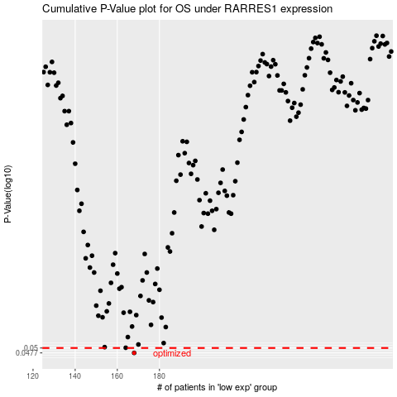

 |  |  |  |  |  | cases_OS | p_OS | rank | exp
 |  |  |  |  |  | 168 | 0.0477 | 231 | -0.31662838324
 |  |  |  |  |  |  | cases_RFS | p_RFS | rank | exp
 |  |  |  |  |  |  | 167 | 0.0477 | 1 | -0.31818809137

