RARRES2 _multivariate
Reported by Tex Li-Hsing Chi. tex@gate.sinica.edu.tw 2019-08-16

Table 2. The clinicopathological features of HNSCC cohort and RARRES2 expression. (Chi square test)
Cutoff at -0.262 (49.8%)
 |  | RARRES2 expression |  | RARRES2 expression |  | (Optimised)
 | Features | Low | (%) | High | (%) | Case no | P-value | Remark | Matthews
Gender | Female | 156 | 37.6 | 150 | 36.1 | 415 | 0.5222 | 0 | 0
2 | Male | 51 | 12.3 | 58 | 14
Age at diagnosis | <=65y | 140 | 33.7 | 134 | 32.3 | 415 | 0.5574 | 0 | 0
4 | >65y | 67 | 16.1 | 74 | 17.8
Clinical T Status | T1+T2 | 79 | 19 | 70 | 16.9 | 415 | 0.3924 | 0 | 0
6 | T3+T4 | 128 | 30.8 | 138 | 33.3
Clinical N Status | N0 | 113 | 27.2 | 103 | 24.8 | 415 | 0.3495 | 1 | 0
8 | N1-3 | 94 | 22.7 | 105 | 25.3
Clinical M Status | M0 | 205 | 49.4 | 207 | 49.9 | 415 | 0.6232 | 0 | 0
10 | M1 | 2 | 0.5 | 1 | 0.2
Clinical Stage | Stage I+II | 53 | 12.8 | 49 | 11.8 | 415 | 0.7113 | 0 | 0
12 | Stage III+IV | 154 | 37.1 | 159 | 38.3
Surgical Margin status | Negative | 155 | 37.3 | 163 | 39.3 | 415 | 0.4187 | 0 | 0
14 | Positive | 52 | 12.5 | 45 | 10.8
Tobacco Exposure | Low | 95 | 22.9 | 66 | 15.9 | 415 | 0.0035 | 1 | 0
16 | High | 112 | 27 | 142 | 34.2

Table 3. Univariate/Multivariate Cox's proportional hazards regression analyses on OS time of RARRES2 gene expression in HNSCC

 |  | Univariate |  |  |  | Multivariate
 | Features | HR | CI95%(L) | CI95%(H) | P-value | HR | CI95%(L) | CI95%(H) | P-value
1 | Female | 1 |  |  |  | 1
Gender | Male | 1.157 | 0.843 | 1.587 | 0.367 | 1.225 | 0.874 | 1.717 | 0.238
11 | <=65y | 1 |  |  |  | 1
Age at diagnosis | >65y | 1.329 | 0.99 | 1.784 | 0.058 | 1.395 | 1.026 | 1.896 | 0.033
12 | T1+T2 | 1 |  |  |  | 1
Clinical T Status | T3+T4 | 1.409 | 1.028 | 1.931 | 0.033 | 2.25 | 1.187 | 4.263 | 0.013
13 | N0 | 1 |  |  |  | 1
Clinical N Status | N1-3 | 1.185 | 0.89 | 1.577 | 0.246 | 1.257 | 0.88 | 1.795 | 0.209
14 | M0 | 1 |  |  |  | 1
Clinical M Status | M1 | 4.097 | 1.009 | 16.644 | 0.049 | 9.215 | 2.008 | 42.283 | 0.004
15 | Stage I+II | 1 |  |  |  | 1
Clinical Stage | Stage III+IV | 1.245 | 0.882 | 1.759 | 0.213 | 0.494 | 0.23 | 1.062 | 0.071
16 | Negative | 1 |  |  |  | 1
Surgical Margin status | Positive | 1.591 | 1.155 | 2.191 | 0.004 | 1.688 | 1.22 | 2.335 | 0.002
17 | Low | 1 |  |  |  | 1
Tobacco Exposure | High | 1.364 | 1.008 | 1.844 | 0.044 | 1.484 | 1.073 | 2.053 | 0.017
18 | Low | 1 |  |  |  | 1
RNAseq(z-score) | High | 0.976 | 0.733 | 1.3 | 0.871 | 0.874 | 0.651 | 1.173 | 0.37

Table 4. Univariate/Multivariate Cox's proportional hazards regression analyses on RFS time of RARRES2 gene expression in HNSCC

 |  | Univariate |  |  |  | Multivariate
 | Features | HR | CI95%(L) | CI95%(H) | P-value | HR | CI95%(L) | CI95%(H) | P-value
1 | Female | 1 |  |  |  | 1
Gender | Male | 1.157 | 0.843 | 1.587 | 0.367 | 1.225 | 0.874 | 1.717 | 0.238
11 | <=65y | 1 |  |  |  | 1
Age at diagnosis | >65y | 1.329 | 0.99 | 1.784 | 0.058 | 1.395 | 1.026 | 1.896 | 0.033
12 | T1+T2 | 1 |  |  |  | 1
Clinical T Status | T3+T4 | 1.409 | 1.028 | 1.931 | 0.033 | 2.25 | 1.187 | 4.263 | 0.013
13 | N0 | 1 |  |  |  | 1
Clinical N Status | N1-3 | 1.185 | 0.89 | 1.577 | 0.246 | 1.257 | 0.88 | 1.795 | 0.209
14 | M0 | 1 |  |  |  | 1
Clinical M Status | M1 | 4.097 | 1.009 | 16.644 | 0.049 | 9.215 | 2.008 | 42.283 | 0.004
15 | Stage I+II | 1 |  |  |  | 1
Clinical Stage | Stage III+IV | 1.245 | 0.882 | 1.759 | 0.213 | 0.494 | 0.23 | 1.062 | 0.071
16 | Negative | 1 |  |  |  | 1
Surgical Margin status | Positive | 1.591 | 1.155 | 2.191 | 0.004 | 1.688 | 1.22 | 2.335 | 0.002
17 | Low | 1 |  |  |  | 1
Tobacco Exposure | High | 1.364 | 1.008 | 1.844 | 0.044 | 1.484 | 1.073 | 2.053 | 0.017
18 | Low | 1 |  |  |  | 1
RNAseq(z-score) | High | 0.976 | 0.733 | 1.3 | 0.871 | 0.874 | 0.651 | 1.173 | 0.37

Kaplan-Meier survival estimate: Cutoff at -0.262 (49.8%)



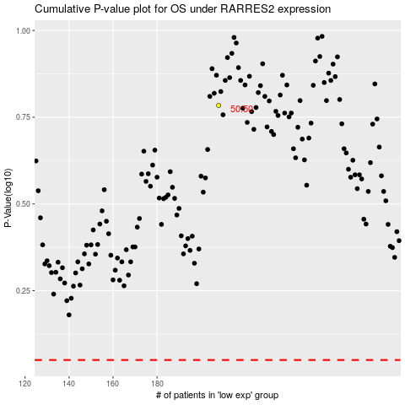

 |  |  |  |  |  | cases_OS | p_OS | rank | exp
 |  |  |  |  |  |  | cases_RFS | p_RFS | rank | exp

