RARRES3 _multivariate
Reported by Tex Li-Hsing Chi. tex@gate.sinica.edu.tw 2019-08-16

Table 2. The clinicopathological features of HNSCC cohort and RARRES3 expression. (Chi square test)
Cutoff at -0.309 (50.0%)
 |  | RARRES3 expression |  | RARRES3 expression |  | (Optimised)
 | Features | Low | (%) | High | (%) | Case no | P-value | Remark | Matthews
Gender | Female | 159 | 38.3 | 147 | 35.4 | 415 | 0.1905 | 0 | 0
2 | Male | 48 | 11.6 | 61 | 14.7
Age at diagnosis | <=65y | 142 | 34.2 | 132 | 31.8 | 415 | 0.3167 | 0 | 0
4 | >65y | 65 | 15.7 | 76 | 18.3
Clinical T Status | T1+T2 | 58 | 14 | 91 | 21.9 | 415 | 0.0012 | 1 | 0
6 | T3+T4 | 149 | 35.9 | 117 | 28.2
Clinical N Status | N0 | 115 | 27.7 | 101 | 24.3 | 415 | 0.184 | 1 | 0
8 | N1-3 | 92 | 22.2 | 107 | 25.8
Clinical M Status | M0 | 206 | 49.6 | 206 | 49.6 | 415 | 1 | 0 | 0
10 | M1 | 1 | 0.2 | 2 | 0.5
Clinical Stage | Stage I+II | 45 | 10.8 | 57 | 13.7 | 415 | 0.2202 | 0 | 0
12 | Stage III+IV | 162 | 39 | 151 | 36.4
Surgical Margin status | Negative | 159 | 38.3 | 159 | 38.3 | 415 | 1 | 0 | 0
14 | Positive | 48 | 11.6 | 49 | 11.8
Tobacco Exposure | Low | 72 | 17.3 | 89 | 21.4 | 415 | 0.1071 | 0 | 0
16 | High | 135 | 32.5 | 119 | 28.7

Table 3. Univariate/Multivariate Cox's proportional hazards regression analyses on OS time of RARRES3 gene expression in HNSCC

 |  | Univariate |  |  |  | Multivariate
 | Features | HR | CI95%(L) | CI95%(H) | P-value | HR | CI95%(L) | CI95%(H) | P-value
1 | Female | 1 |  |  |  | 1
Gender | Male | 1.157 | 0.843 | 1.587 | 0.367 | 1.208 | 0.865 | 1.689 | 0.268
11 | <=65y | 1 |  |  |  | 1
Age at diagnosis | >65y | 1.329 | 0.99 | 1.784 | 0.058 | 1.401 | 1.029 | 1.906 | 0.032
12 | T1+T2 | 1 |  |  |  | 1
Clinical T Status | T3+T4 | 1.409 | 1.028 | 1.931 | 0.033 | 2.166 | 1.142 | 4.108 | 0.018
13 | N0 | 1 |  |  |  | 1
Clinical N Status | N1-3 | 1.185 | 0.89 | 1.577 | 0.246 | 1.256 | 0.878 | 1.797 | 0.212
14 | M0 | 1 |  |  |  | 1
Clinical M Status | M1 | 4.097 | 1.009 | 16.644 | 0.049 | 9.354 | 2.04 | 42.883 | 0.004
15 | Stage I+II | 1 |  |  |  | 1
Clinical Stage | Stage III+IV | 1.245 | 0.882 | 1.759 | 0.213 | 0.506 | 0.236 | 1.086 | 0.081
16 | Negative | 1 |  |  |  | 1
Surgical Margin status | Positive | 1.591 | 1.155 | 2.191 | 0.004 | 1.68 | 1.215 | 2.323 | 0.002
17 | Low | 1 |  |  |  | 1
Tobacco Exposure | High | 1.364 | 1.008 | 1.844 | 0.044 | 1.437 | 1.041 | 1.985 | 0.028
18 | Low | 1 |  |  |  | 1
RNAseq(z-score) | High | 0.911 | 0.684 | 1.214 | 0.524 | 0.923 | 0.685 | 1.243 | 0.597

Table 4. Univariate/Multivariate Cox's proportional hazards regression analyses on RFS time of RARRES3 gene expression in HNSCC

 |  | Univariate |  |  |  | Multivariate
 | Features | HR | CI95%(L) | CI95%(H) | P-value | HR | CI95%(L) | CI95%(H) | P-value
1 | Female | 1 |  |  |  | 1
Gender | Male | 1.157 | 0.843 | 1.587 | 0.367 | 1.208 | 0.865 | 1.689 | 0.268
11 | <=65y | 1 |  |  |  | 1
Age at diagnosis | >65y | 1.329 | 0.99 | 1.784 | 0.058 | 1.401 | 1.029 | 1.906 | 0.032
12 | T1+T2 | 1 |  |  |  | 1
Clinical T Status | T3+T4 | 1.409 | 1.028 | 1.931 | 0.033 | 2.166 | 1.142 | 4.108 | 0.018
13 | N0 | 1 |  |  |  | 1
Clinical N Status | N1-3 | 1.185 | 0.89 | 1.577 | 0.246 | 1.256 | 0.878 | 1.797 | 0.212
14 | M0 | 1 |  |  |  | 1
Clinical M Status | M1 | 4.097 | 1.009 | 16.644 | 0.049 | 9.354 | 2.04 | 42.883 | 0.004
15 | Stage I+II | 1 |  |  |  | 1
Clinical Stage | Stage III+IV | 1.245 | 0.882 | 1.759 | 0.213 | 0.506 | 0.236 | 1.086 | 0.081
16 | Negative | 1 |  |  |  | 1
Surgical Margin status | Positive | 1.591 | 1.155 | 2.191 | 0.004 | 1.68 | 1.215 | 2.323 | 0.002
17 | Low | 1 |  |  |  | 1
Tobacco Exposure | High | 1.364 | 1.008 | 1.844 | 0.044 | 1.437 | 1.041 | 1.985 | 0.028
18 | Low | 1 |  |  |  | 1
RNAseq(z-score) | High | 0.911 | 0.684 | 1.214 | 0.524 | 0.923 | 0.685 | 1.243 | 0.597

Kaplan-Meier survival estimate: Cutoff at -0.309 (50.0%)



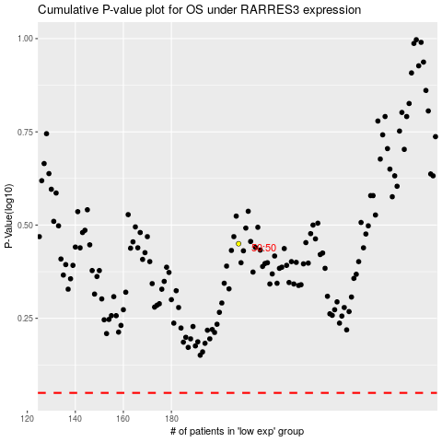

 |  |  |  |  |  | cases_OS | p_OS | rank | exp
 |  |  |  |  |  |  | cases_RFS | p_RFS | rank | exp

