RASD1 _multivariate
Reported by Tex Li-Hsing Chi. tex@gate.sinica.edu.tw 2019-08-16

Table 2. The clinicopathological features of HNSCC cohort and RASD1 expression. (Chi square test)
Cutoff at -0.28 (50.0%)
 |  | RASD1 expression |  | RASD1 expression |  | (Optimised)
 | Features | Low | (%) | High | (%) | Case no | P-value | Remark | Matthews
Gender | Female | 150 | 36.1 | 156 | 37.6 | 415 | 0.6344 | 0 | 0
2 | Male | 57 | 13.7 | 52 | 12.5
Age at diagnosis | <=65y | 140 | 33.7 | 134 | 32.3 | 415 | 0.5574 | 0 | 0
4 | >65y | 67 | 16.1 | 74 | 17.8
Clinical T Status | T1+T2 | 72 | 17.3 | 77 | 18.6 | 415 | 0.7095 | 0 | 0
6 | T3+T4 | 135 | 32.5 | 131 | 31.6
Clinical N Status | N0 | 96 | 23.1 | 120 | 28.9 | 415 | 0.0272 | 1 | 0
8 | N1-3 | 111 | 26.7 | 88 | 21.2
Clinical M Status | M0 | 204 | 49.2 | 208 | 50.1 | 415 | 0.1232 | 0 | 0
10 | M1 | 3 | 0.7 | 0 | 0
Clinical Stage | Stage I+II | 42 | 10.1 | 60 | 14.5 | 415 | 0.0561 | 0 | 0
12 | Stage III+IV | 165 | 39.8 | 148 | 35.7
Surgical Margin status | Negative | 161 | 38.8 | 157 | 37.8 | 415 | 0.6429 | 0 | 0
14 | Positive | 46 | 11.1 | 51 | 12.3
Tobacco Exposure | Low | 89 | 21.4 | 72 | 17.3 | 415 | 0.0872 | 0 | 0
16 | High | 118 | 28.4 | 136 | 32.8

Table 3. Univariate/Multivariate Cox's proportional hazards regression analyses on OS time of RASD1 gene expression in HNSCC

 |  | Univariate |  |  |  | Multivariate
 | Features | HR | CI95%(L) | CI95%(H) | P-value | HR | CI95%(L) | CI95%(H) | P-value
1 | Female | 1 |  |  |  | 1
Gender | Male | 1.157 | 0.843 | 1.587 | 0.367 | 1.197 | 0.857 | 1.673 | 0.292
11 | <=65y | 1 |  |  |  | 1
Age at diagnosis | >65y | 1.329 | 0.99 | 1.784 | 0.058 | 1.391 | 1.024 | 1.891 | 0.035
12 | T1+T2 | 1 |  |  |  | 1
Clinical T Status | T3+T4 | 1.409 | 1.028 | 1.931 | 0.033 | 2.227 | 1.177 | 4.215 | 0.014
13 | N0 | 1 |  |  |  | 1
Clinical N Status | N1-3 | 1.185 | 0.89 | 1.577 | 0.246 | 1.223 | 0.855 | 1.749 | 0.271
14 | M0 | 1 |  |  |  | 1
Clinical M Status | M1 | 4.097 | 1.009 | 16.644 | 0.049 | 9.132 | 1.987 | 41.966 | 0.004
15 | Stage I+II | 1 |  |  |  | 1
Clinical Stage | Stage III+IV | 1.245 | 0.882 | 1.759 | 0.213 | 0.495 | 0.23 | 1.064 | 0.072
16 | Negative | 1 |  |  |  | 1
Surgical Margin status | Positive | 1.591 | 1.155 | 2.191 | 0.004 | 1.694 | 1.223 | 2.347 | 0.002
17 | Low | 1 |  |  |  | 1
Tobacco Exposure | High | 1.364 | 1.008 | 1.844 | 0.044 | 1.476 | 1.068 | 2.042 | 0.019
18 | Low | 1 |  |  |  | 1
RNAseq(z-score) | High | 0.948 | 0.711 | 1.265 | 0.718 | 0.902 | 0.668 | 1.218 | 0.5

Table 4. Univariate/Multivariate Cox's proportional hazards regression analyses on RFS time of RASD1 gene expression in HNSCC

 |  | Univariate |  |  |  | Multivariate
 | Features | HR | CI95%(L) | CI95%(H) | P-value | HR | CI95%(L) | CI95%(H) | P-value
1 | Female | 1 |  |  |  | 1
Gender | Male | 1.157 | 0.843 | 1.587 | 0.367 | 1.197 | 0.857 | 1.673 | 0.292
11 | <=65y | 1 |  |  |  | 1
Age at diagnosis | >65y | 1.329 | 0.99 | 1.784 | 0.058 | 1.391 | 1.024 | 1.891 | 0.035
12 | T1+T2 | 1 |  |  |  | 1
Clinical T Status | T3+T4 | 1.409 | 1.028 | 1.931 | 0.033 | 2.227 | 1.177 | 4.215 | 0.014
13 | N0 | 1 |  |  |  | 1
Clinical N Status | N1-3 | 1.185 | 0.89 | 1.577 | 0.246 | 1.223 | 0.855 | 1.749 | 0.271
14 | M0 | 1 |  |  |  | 1
Clinical M Status | M1 | 4.097 | 1.009 | 16.644 | 0.049 | 9.132 | 1.987 | 41.966 | 0.004
15 | Stage I+II | 1 |  |  |  | 1
Clinical Stage | Stage III+IV | 1.245 | 0.882 | 1.759 | 0.213 | 0.495 | 0.23 | 1.064 | 0.072
16 | Negative | 1 |  |  |  | 1
Surgical Margin status | Positive | 1.591 | 1.155 | 2.191 | 0.004 | 1.694 | 1.223 | 2.347 | 0.002
17 | Low | 1 |  |  |  | 1
Tobacco Exposure | High | 1.364 | 1.008 | 1.844 | 0.044 | 1.476 | 1.068 | 2.042 | 0.019
18 | Low | 1 |  |  |  | 1
RNAseq(z-score) | High | 0.948 | 0.711 | 1.265 | 0.718 | 0.902 | 0.668 | 1.218 | 0.5

Kaplan-Meier survival estimate: Cutoff at -0.28 (50.0%)



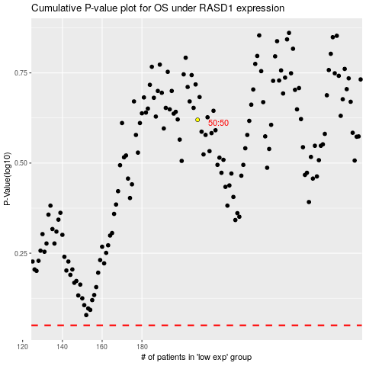

 |  |  |  |  |  | cases_OS | p_OS | rank | exp
 |  |  |  |  |  |  | cases_RFS | p_RFS | rank | exp

