RASGEF1A _multivariate
Reported by Tex Li-Hsing Chi. tex@gate.sinica.edu.tw 2019-08-16

Table 2. The clinicopathological features of HNSCC cohort and RASGEF1A expression. (Chi square test)
Cutoff at -0.279 (50.0%)
 |  | RASGEF1A expression |  | RASGEF1A expression |  | (Optimised)
 | Features | Low | (%) | High | (%) | Case no | P-value | Remark | Matthews
Gender | Female | 154 | 37.1 | 152 | 36.6 | 415 | 0.8463 | 0 | 0
2 | Male | 53 | 12.8 | 56 | 13.5
Age at diagnosis | <=65y | 128 | 30.8 | 146 | 35.2 | 415 | 0.0904 | 0 | 0
4 | >65y | 79 | 19 | 62 | 14.9
Clinical T Status | T1+T2 | 87 | 21 | 62 | 14.9 | 415 | 0.0127 | 1 | 0
6 | T3+T4 | 120 | 28.9 | 146 | 35.2
Clinical N Status | N0 | 106 | 25.5 | 110 | 26.5 | 415 | 0.8075 | 0 | 0
8 | N1-3 | 101 | 24.3 | 98 | 23.6
Clinical M Status | M0 | 206 | 49.6 | 206 | 49.6 | 415 | 1 | 0 | 0
10 | M1 | 1 | 0.2 | 2 | 0.5
Clinical Stage | Stage I+II | 55 | 13.3 | 47 | 11.3 | 415 | 0.4087 | 0 | 0
12 | Stage III+IV | 152 | 36.6 | 161 | 38.8
Surgical Margin status | Negative | 162 | 39 | 156 | 37.6 | 415 | 0.4867 | 0 | 0
14 | Positive | 45 | 10.8 | 52 | 12.5
Tobacco Exposure | Low | 91 | 21.9 | 70 | 16.9 | 415 | 0.0346 | 1 | 0
16 | High | 116 | 28 | 138 | 33.3

Table 3. Univariate/Multivariate Cox's proportional hazards regression analyses on OS time of RASGEF1A gene expression in HNSCC

 |  | Univariate |  |  |  | Multivariate
 | Features | HR | CI95%(L) | CI95%(H) | P-value | HR | CI95%(L) | CI95%(H) | P-value
1 | Female | 1 |  |  |  | 1
Gender | Male | 1.157 | 0.843 | 1.587 | 0.367 | 1.21 | 0.865 | 1.691 | 0.265
11 | <=65y | 1 |  |  |  | 1
Age at diagnosis | >65y | 1.329 | 0.99 | 1.784 | 0.058 | 1.354 | 0.992 | 1.849 | 0.057
12 | T1+T2 | 1 |  |  |  | 1
Clinical T Status | T3+T4 | 1.409 | 1.028 | 1.931 | 0.033 | 2.293 | 1.207 | 4.356 | 0.011
13 | N0 | 1 |  |  |  | 1
Clinical N Status | N1-3 | 1.185 | 0.89 | 1.577 | 0.246 | 1.234 | 0.865 | 1.76 | 0.245
14 | M0 | 1 |  |  |  | 1
Clinical M Status | M1 | 4.097 | 1.009 | 16.644 | 0.049 | 9.878 | 2.147 | 45.436 | 0.003
15 | Stage I+II | 1 |  |  |  | 1
Clinical Stage | Stage III+IV | 1.245 | 0.882 | 1.759 | 0.213 | 0.489 | 0.227 | 1.051 | 0.067
16 | Negative | 1 |  |  |  | 1
Surgical Margin status | Positive | 1.591 | 1.155 | 2.191 | 0.004 | 1.715 | 1.236 | 2.38 | 0.001
17 | Low | 1 |  |  |  | 1
Tobacco Exposure | High | 1.364 | 1.008 | 1.844 | 0.044 | 1.482 | 1.072 | 2.048 | 0.017
18 | Low | 1 |  |  |  | 1
RNAseq(z-score) | High | 0.951 | 0.714 | 1.267 | 0.733 | 0.855 | 0.634 | 1.153 | 0.304

Table 4. Univariate/Multivariate Cox's proportional hazards regression analyses on RFS time of RASGEF1A gene expression in HNSCC

 |  | Univariate |  |  |  | Multivariate
 | Features | HR | CI95%(L) | CI95%(H) | P-value | HR | CI95%(L) | CI95%(H) | P-value
1 | Female | 1 |  |  |  | 1
Gender | Male | 1.157 | 0.843 | 1.587 | 0.367 | 1.21 | 0.865 | 1.691 | 0.265
11 | <=65y | 1 |  |  |  | 1
Age at diagnosis | >65y | 1.329 | 0.99 | 1.784 | 0.058 | 1.354 | 0.992 | 1.849 | 0.057
12 | T1+T2 | 1 |  |  |  | 1
Clinical T Status | T3+T4 | 1.409 | 1.028 | 1.931 | 0.033 | 2.293 | 1.207 | 4.356 | 0.011
13 | N0 | 1 |  |  |  | 1
Clinical N Status | N1-3 | 1.185 | 0.89 | 1.577 | 0.246 | 1.234 | 0.865 | 1.76 | 0.245
14 | M0 | 1 |  |  |  | 1
Clinical M Status | M1 | 4.097 | 1.009 | 16.644 | 0.049 | 9.878 | 2.147 | 45.436 | 0.003
15 | Stage I+II | 1 |  |  |  | 1
Clinical Stage | Stage III+IV | 1.245 | 0.882 | 1.759 | 0.213 | 0.489 | 0.227 | 1.051 | 0.067
16 | Negative | 1 |  |  |  | 1
Surgical Margin status | Positive | 1.591 | 1.155 | 2.191 | 0.004 | 1.715 | 1.236 | 2.38 | 0.001
17 | Low | 1 |  |  |  | 1
Tobacco Exposure | High | 1.364 | 1.008 | 1.844 | 0.044 | 1.482 | 1.072 | 2.048 | 0.017
18 | Low | 1 |  |  |  | 1
RNAseq(z-score) | High | 0.951 | 0.714 | 1.267 | 0.733 | 0.855 | 0.634 | 1.153 | 0.304

Kaplan-Meier survival estimate: Cutoff at -0.279 (50.0%)



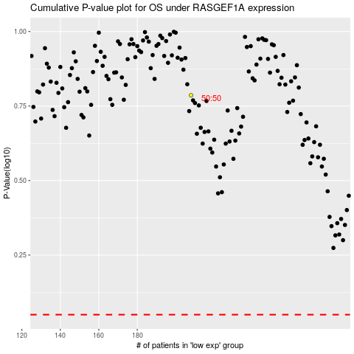

 |  |  |  |  |  | cases_OS | p_OS | rank | exp
 |  |  |  |  |  |  | cases_RFS | p_RFS | rank | exp

