RASGRF1 _multivariate
Reported by Tex Li-Hsing Chi. tex@gate.sinica.edu.tw 2019-08-16

Table 2. The clinicopathological features of HNSCC cohort and RASGRF1 expression. (Chi square test)
Cutoff at -0.306 (50.0%)
 |  | RASGRF1 expression |  | RASGRF1 expression |  | (Optimised)
 | Features | Low | (%) | High | (%) | Case no | P-value | Remark | Matthews
Gender | Female | 161 | 38.8 | 145 | 34.9 | 415 | 0.0792 | 0 | 0
2 | Male | 46 | 11.1 | 63 | 15.2
Age at diagnosis | <=65y | 140 | 33.7 | 134 | 32.3 | 415 | 0.5574 | 0 | 0
4 | >65y | 67 | 16.1 | 74 | 17.8
Clinical T Status | T1+T2 | 67 | 16.1 | 82 | 19.8 | 415 | 0.1628 | 0 | 0
6 | T3+T4 | 140 | 33.7 | 126 | 30.4
Clinical N Status | N0 | 111 | 26.7 | 105 | 25.3 | 415 | 0.5875 | 0 | 0
8 | N1-3 | 96 | 23.1 | 103 | 24.8
Clinical M Status | M0 | 205 | 49.4 | 207 | 49.9 | 415 | 0.6232 | 0 | 0
10 | M1 | 2 | 0.5 | 1 | 0.2
Clinical Stage | Stage I+II | 43 | 10.4 | 59 | 14.2 | 415 | 0.0925 | 0 | 0
12 | Stage III+IV | 164 | 39.5 | 149 | 35.9
Surgical Margin status | Negative | 155 | 37.3 | 163 | 39.3 | 415 | 0.4187 | 0 | 0
14 | Positive | 52 | 12.5 | 45 | 10.8
Tobacco Exposure | Low | 68 | 16.4 | 93 | 22.4 | 415 | 0.0156 | 1 | 0
16 | High | 139 | 33.5 | 115 | 27.7

Table 3. Univariate/Multivariate Cox's proportional hazards regression analyses on OS time of RASGRF1 gene expression in HNSCC

 |  | Univariate |  |  |  | Multivariate
 | Features | HR | CI95%(L) | CI95%(H) | P-value | HR | CI95%(L) | CI95%(H) | P-value
1 | Female | 1 |  |  |  | 1
Gender | Male | 1.157 | 0.843 | 1.587 | 0.367 | 1.183 | 0.846 | 1.652 | 0.326
11 | <=65y | 1 |  |  |  | 1
Age at diagnosis | >65y | 1.329 | 0.99 | 1.784 | 0.058 | 1.379 | 1.014 | 1.874 | 0.041
12 | T1+T2 | 1 |  |  |  | 1
Clinical T Status | T3+T4 | 1.409 | 1.028 | 1.931 | 0.033 | 2.2 | 1.164 | 4.16 | 0.015
13 | N0 | 1 |  |  |  | 1
Clinical N Status | N1-3 | 1.185 | 0.89 | 1.577 | 0.246 | 1.212 | 0.848 | 1.732 | 0.291
14 | M0 | 1 |  |  |  | 1
Clinical M Status | M1 | 4.097 | 1.009 | 16.644 | 0.049 | 9.573 | 2.088 | 43.896 | 0.004
15 | Stage I+II | 1 |  |  |  | 1
Clinical Stage | Stage III+IV | 1.245 | 0.882 | 1.759 | 0.213 | 0.526 | 0.244 | 1.131 | 0.1
16 | Negative | 1 |  |  |  | 1
Surgical Margin status | Positive | 1.591 | 1.155 | 2.191 | 0.004 | 1.681 | 1.217 | 2.322 | 0.002
17 | Low | 1 |  |  |  | 1
Tobacco Exposure | High | 1.364 | 1.008 | 1.844 | 0.044 | 1.475 | 1.071 | 2.032 | 0.017
18 | Low | 1 |  |  |  | 1
RNAseq(z-score) | High | 1.148 | 0.862 | 1.53 | 0.345 | 1.204 | 0.897 | 1.616 | 0.216

Table 4. Univariate/Multivariate Cox's proportional hazards regression analyses on RFS time of RASGRF1 gene expression in HNSCC

 |  | Univariate |  |  |  | Multivariate
 | Features | HR | CI95%(L) | CI95%(H) | P-value | HR | CI95%(L) | CI95%(H) | P-value
1 | Female | 1 |  |  |  | 1
Gender | Male | 1.157 | 0.843 | 1.587 | 0.367 | 1.183 | 0.846 | 1.652 | 0.326
11 | <=65y | 1 |  |  |  | 1
Age at diagnosis | >65y | 1.329 | 0.99 | 1.784 | 0.058 | 1.379 | 1.014 | 1.874 | 0.041
12 | T1+T2 | 1 |  |  |  | 1
Clinical T Status | T3+T4 | 1.409 | 1.028 | 1.931 | 0.033 | 2.2 | 1.164 | 4.16 | 0.015
13 | N0 | 1 |  |  |  | 1
Clinical N Status | N1-3 | 1.185 | 0.89 | 1.577 | 0.246 | 1.212 | 0.848 | 1.732 | 0.291
14 | M0 | 1 |  |  |  | 1
Clinical M Status | M1 | 4.097 | 1.009 | 16.644 | 0.049 | 9.573 | 2.088 | 43.896 | 0.004
15 | Stage I+II | 1 |  |  |  | 1
Clinical Stage | Stage III+IV | 1.245 | 0.882 | 1.759 | 0.213 | 0.526 | 0.244 | 1.131 | 0.1
16 | Negative | 1 |  |  |  | 1
Surgical Margin status | Positive | 1.591 | 1.155 | 2.191 | 0.004 | 1.681 | 1.217 | 2.322 | 0.002
17 | Low | 1 |  |  |  | 1
Tobacco Exposure | High | 1.364 | 1.008 | 1.844 | 0.044 | 1.475 | 1.071 | 2.032 | 0.017
18 | Low | 1 |  |  |  | 1
RNAseq(z-score) | High | 1.148 | 0.862 | 1.53 | 0.345 | 1.204 | 0.897 | 1.616 | 0.216

Kaplan-Meier survival estimate: Cutoff at -0.306 (50.0%)

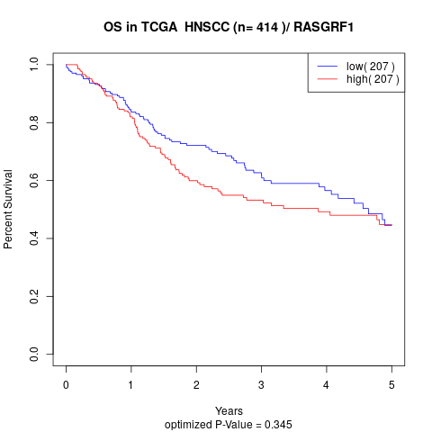

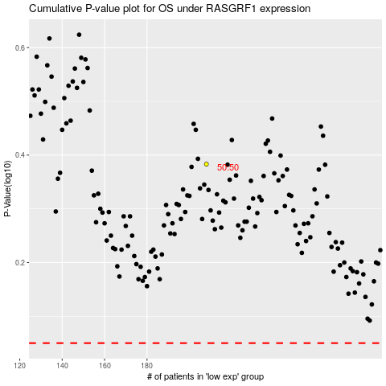

 |  |  |  |  |  | cases_OS | p_OS | rank | exp
 |  |  |  |  |  |  | cases_RFS | p_RFS | rank | exp

