RASGRF2 _multivariate
Reported by Tex Li-Hsing Chi. tex@gate.sinica.edu.tw 2019-08-16

Table 2. The clinicopathological features of HNSCC cohort and RASGRF2 expression. (Chi square test)
Cutoff at -0.285 (49.8%)
 |  | RASGRF2 expression |  | RASGRF2 expression |  | (Optimised)
 | Features | Low | (%) | High | (%) | Case no | P-value | Remark | Matthews
Gender | Female | 154 | 37.1 | 152 | 36.6 | 415 | 0.8463 | 0 | 0
2 | Male | 53 | 12.8 | 56 | 13.5
Age at diagnosis | <=65y | 142 | 34.2 | 132 | 31.8 | 415 | 0.3167 | 0 | 0
4 | >65y | 65 | 15.7 | 76 | 18.3
Clinical T Status | T1+T2 | 76 | 18.3 | 73 | 17.6 | 415 | 0.8092 | 0 | 0
6 | T3+T4 | 131 | 31.6 | 135 | 32.5
Clinical N Status | N0 | 106 | 25.5 | 110 | 26.5 | 415 | 0.8075 | 0 | 0
8 | N1-3 | 101 | 24.3 | 98 | 23.6
Clinical M Status | M0 | 204 | 49.2 | 208 | 50.1 | 415 | 0.1232 | 0 | 0
10 | M1 | 3 | 0.7 | 0 | 0
Clinical Stage | Stage I+II | 46 | 11.1 | 56 | 13.5 | 415 | 0.3182 | 0 | 0
12 | Stage III+IV | 161 | 38.8 | 152 | 36.6
Surgical Margin status | Negative | 152 | 36.6 | 166 | 40 | 415 | 0.1329 | 0 | 0
14 | Positive | 55 | 13.3 | 42 | 10.1
Tobacco Exposure | Low | 89 | 21.4 | 72 | 17.3 | 415 | 0.0872 | 0 | 0
16 | High | 118 | 28.4 | 136 | 32.8

Table 3. Univariate/Multivariate Cox's proportional hazards regression analyses on OS time of RASGRF2 gene expression in HNSCC

 |  | Univariate |  |  |  | Multivariate
 | Features | HR | CI95%(L) | CI95%(H) | P-value | HR | CI95%(L) | CI95%(H) | P-value
1 | Female | 1 |  |  |  | 1
Gender | Male | 1.157 | 0.843 | 1.587 | 0.367 | 1.202 | 0.86 | 1.68 | 0.283
11 | <=65y | 1 |  |  |  | 1
Age at diagnosis | >65y | 1.329 | 0.99 | 1.784 | 0.058 | 1.395 | 1.026 | 1.896 | 0.034
12 | T1+T2 | 1 |  |  |  | 1
Clinical T Status | T3+T4 | 1.409 | 1.028 | 1.931 | 0.033 | 2.268 | 1.195 | 4.304 | 0.012
13 | N0 | 1 |  |  |  | 1
Clinical N Status | N1-3 | 1.185 | 0.89 | 1.577 | 0.246 | 1.253 | 0.878 | 1.789 | 0.214
14 | M0 | 1 |  |  |  | 1
Clinical M Status | M1 | 4.097 | 1.009 | 16.644 | 0.049 | 9.017 | 1.961 | 41.459 | 0.005
15 | Stage I+II | 1 |  |  |  | 1
Clinical Stage | Stage III+IV | 1.245 | 0.882 | 1.759 | 0.213 | 0.488 | 0.226 | 1.05 | 0.067
16 | Negative | 1 |  |  |  | 1
Surgical Margin status | Positive | 1.591 | 1.155 | 2.191 | 0.004 | 1.651 | 1.193 | 2.284 | 0.002
17 | Low | 1 |  |  |  | 1
Tobacco Exposure | High | 1.364 | 1.008 | 1.844 | 0.044 | 1.463 | 1.061 | 2.018 | 0.02
18 | Low | 1 |  |  |  | 1
RNAseq(z-score) | High | 0.891 | 0.669 | 1.186 | 0.428 | 0.879 | 0.657 | 1.177 | 0.386

Table 4. Univariate/Multivariate Cox's proportional hazards regression analyses on RFS time of RASGRF2 gene expression in HNSCC

 |  | Univariate |  |  |  | Multivariate
 | Features | HR | CI95%(L) | CI95%(H) | P-value | HR | CI95%(L) | CI95%(H) | P-value
1 | Female | 1 |  |  |  | 1
Gender | Male | 1.157 | 0.843 | 1.587 | 0.367 | 1.202 | 0.86 | 1.68 | 0.283
11 | <=65y | 1 |  |  |  | 1
Age at diagnosis | >65y | 1.329 | 0.99 | 1.784 | 0.058 | 1.395 | 1.026 | 1.896 | 0.034
12 | T1+T2 | 1 |  |  |  | 1
Clinical T Status | T3+T4 | 1.409 | 1.028 | 1.931 | 0.033 | 2.268 | 1.195 | 4.304 | 0.012
13 | N0 | 1 |  |  |  | 1
Clinical N Status | N1-3 | 1.185 | 0.89 | 1.577 | 0.246 | 1.253 | 0.878 | 1.789 | 0.214
14 | M0 | 1 |  |  |  | 1
Clinical M Status | M1 | 4.097 | 1.009 | 16.644 | 0.049 | 9.017 | 1.961 | 41.459 | 0.005
15 | Stage I+II | 1 |  |  |  | 1
Clinical Stage | Stage III+IV | 1.245 | 0.882 | 1.759 | 0.213 | 0.488 | 0.226 | 1.05 | 0.067
16 | Negative | 1 |  |  |  | 1
Surgical Margin status | Positive | 1.591 | 1.155 | 2.191 | 0.004 | 1.651 | 1.193 | 2.284 | 0.002
17 | Low | 1 |  |  |  | 1
Tobacco Exposure | High | 1.364 | 1.008 | 1.844 | 0.044 | 1.463 | 1.061 | 2.018 | 0.02
18 | Low | 1 |  |  |  | 1
RNAseq(z-score) | High | 0.891 | 0.669 | 1.186 | 0.428 | 0.879 | 0.657 | 1.177 | 0.386

Kaplan-Meier survival estimate: Cutoff at -0.285 (49.8%)



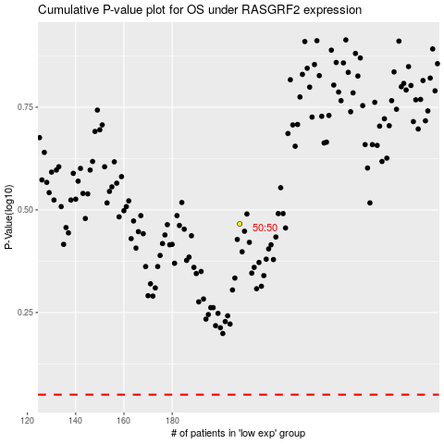

 |  |  |  |  |  | cases_OS | p_OS | rank | exp
 |  |  |  |  |  |  | cases_RFS | p_RFS | rank | exp

