RASGRP4 _multivariate
Reported by Tex Li-Hsing Chi. tex@gate.sinica.edu.tw 2019-08-16

Table 2. The clinicopathological features of HNSCC cohort and RASGRP4 expression. (Chi square test)
Cutoff at -0.579 (30.7%)
 |  | RASGRP4 expression |  | RASGRP4 expression |  | (Optimised)
 | Features | Low | (%) | High | (%) | Case no | P-value | Remark | Matthews
Gender | Female | 100 | 24.1 | 206 | 49.6 | 415 | 0.1563 | 0 | 0
2 | Male | 27 | 6.5 | 82 | 19.8
Age at diagnosis | <=65y | 93 | 22.4 | 181 | 43.6 | 415 | 0.0517 | 0 | 0
4 | >65y | 34 | 8.2 | 107 | 25.8
Clinical T Status | T1+T2 | 44 | 10.6 | 105 | 25.3 | 415 | 0.8075 | 0 | 0
6 | T3+T4 | 83 | 20 | 183 | 44.1
Clinical N Status | N0 | 62 | 14.9 | 154 | 37.1 | 415 | 0.4426 | 0 | 0
8 | N1-3 | 65 | 15.7 | 134 | 32.3
Clinical M Status | M0 | 126 | 30.4 | 286 | 68.9 | 415 | 1 | 0 | 0
10 | M1 | 1 | 0.2 | 2 | 0.5
Clinical Stage | Stage I+II | 26 | 6.3 | 76 | 18.3 | 415 | 0.2435 | 0 | 0
12 | Stage III+IV | 101 | 24.3 | 212 | 51.1
Surgical Margin status | Negative | 94 | 22.7 | 224 | 54 | 415 | 0.4504 | 0 | 0
14 | Positive | 33 | 8 | 64 | 15.4
Tobacco Exposure | Low | 46 | 11.1 | 115 | 27.7 | 415 | 0.5128 | 0 | 0
16 | High | 81 | 19.5 | 173 | 41.7

Table 3. Univariate/Multivariate Cox's proportional hazards regression analyses on OS time of RASGRP4 gene expression in HNSCC

 |  | Univariate |  |  |  | Multivariate
 | Features | HR | CI95%(L) | CI95%(H) | P-value | HR | CI95%(L) | CI95%(H) | P-value
1 | Female | 1 |  |  |  | 1
Gender | Male | 1.157 | 0.843 | 1.587 | 0.367 | 1.211 | 0.869 | 1.689 | 0.258
11 | <=65y | 1 |  |  |  | 1
Age at diagnosis | >65y | 1.329 | 0.99 | 1.784 | 0.058 | 1.42 | 1.047 | 1.927 | 0.024
12 | T1+T2 | 1 |  |  |  | 1
Clinical T Status | T3+T4 | 1.409 | 1.028 | 1.931 | 0.033 | 2.291 | 1.211 | 4.334 | 0.011
13 | N0 | 1 |  |  |  | 1
Clinical N Status | N1-3 | 1.185 | 0.89 | 1.577 | 0.246 | 1.23 | 0.863 | 1.754 | 0.253
14 | M0 | 1 |  |  |  | 1
Clinical M Status | M1 | 4.097 | 1.009 | 16.644 | 0.049 | 10.2 | 2.22 | 46.856 | 0.003
15 | Stage I+II | 1 |  |  |  | 1
Clinical Stage | Stage III+IV | 1.245 | 0.882 | 1.759 | 0.213 | 0.487 | 0.227 | 1.046 | 0.065
16 | Negative | 1 |  |  |  | 1
Surgical Margin status | Positive | 1.591 | 1.155 | 2.191 | 0.004 | 1.662 | 1.202 | 2.297 | 0.002
17 | Low | 1 |  |  |  | 1
Tobacco Exposure | High | 1.364 | 1.008 | 1.844 | 0.044 | 1.405 | 1.02 | 1.936 | 0.038
18 | Low | 1 |  |  |  | 1
RNAseq(z-score) | High | 0.73 | 0.539 | 0.988 | 0.042 | 0.7 | 0.514 | 0.951 | 0.023

Table 4. Univariate/Multivariate Cox's proportional hazards regression analyses on RFS time of RASGRP4 gene expression in HNSCC

 |  | Univariate |  |  |  | Multivariate
 | Features | HR | CI95%(L) | CI95%(H) | P-value | HR | CI95%(L) | CI95%(H) | P-value
1 | Female | 1 |  |  |  | 1
Gender | Male | 1.157 | 0.843 | 1.587 | 0.367 | 1.211 | 0.869 | 1.689 | 0.258
11 | <=65y | 1 |  |  |  | 1
Age at diagnosis | >65y | 1.329 | 0.99 | 1.784 | 0.058 | 1.42 | 1.047 | 1.927 | 0.024
12 | T1+T2 | 1 |  |  |  | 1
Clinical T Status | T3+T4 | 1.409 | 1.028 | 1.931 | 0.033 | 2.291 | 1.211 | 4.334 | 0.011
13 | N0 | 1 |  |  |  | 1
Clinical N Status | N1-3 | 1.185 | 0.89 | 1.577 | 0.246 | 1.23 | 0.863 | 1.754 | 0.253
14 | M0 | 1 |  |  |  | 1
Clinical M Status | M1 | 4.097 | 1.009 | 16.644 | 0.049 | 10.2 | 2.22 | 46.856 | 0.003
15 | Stage I+II | 1 |  |  |  | 1
Clinical Stage | Stage III+IV | 1.245 | 0.882 | 1.759 | 0.213 | 0.487 | 0.227 | 1.046 | 0.065
16 | Negative | 1 |  |  |  | 1
Surgical Margin status | Positive | 1.591 | 1.155 | 2.191 | 0.004 | 1.662 | 1.202 | 2.297 | 0.002
17 | Low | 1 |  |  |  | 1
Tobacco Exposure | High | 1.364 | 1.008 | 1.844 | 0.044 | 1.405 | 1.02 | 1.936 | 0.038
18 | Low | 1 |  |  |  | 1
RNAseq(z-score) | High | 0.73 | 0.539 | 0.988 | 0.042 | 0.7 | 0.514 | 0.951 | 0.023

Kaplan-Meier survival estimate: Cutoff at -0.579 (30.7%)



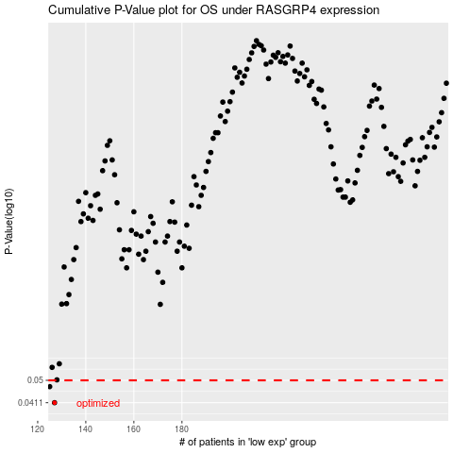

 |  |  |  |  |  | cases_OS | p_OS | rank | exp
 |  |  |  |  |  | 127 | 0.0411 | 357 | -0.5790016253
 |  |  |  |  |  | 125 | 0.0473 | 295 | -0.5913994484
 |  |  |  |  |  |  | cases_RFS | p_RFS | rank | exp
 |  |  |  |  |  |  | 126 | 0.0411 | 88 | -0.5860587195
 |  |  |  |  |  |  |  | 0.0473 | 238 | -0.59436976018

